CAPNS2 _multivariate
Reported by Tex Li-Hsing Chi. tex@gate.sinica.edu.tw 2019-08-21

Table 2. The clinicopathological features of HNSCC cohort and CAPNS2 expression. (Chi square test)
Cutoff at -0.391 (50.0%)
 |  | CAPNS2 expression |  | CAPNS2 expression |  | (Optimised)
 | Features | Low | (%) | High | (%) | Case no | P-value | Remark | Matthews
Gender | Female | 148 | 35.7 | 158 | 38.1 | 415 | 0.3567 | 0 | 0
2 | Male | 59 | 14.2 | 50 | 12
Age at diagnosis | <=65y | 132 | 31.8 | 142 | 34.2 | 415 | 0.3874 | 0 | 0
4 | >65y | 75 | 18.1 | 66 | 15.9
Clinical T Status | T1+T2 | 71 | 17.1 | 78 | 18.8 | 415 | 0.5638 | 0 | 0
6 | T3+T4 | 136 | 32.8 | 130 | 31.3
Clinical N Status | N0 | 99 | 23.9 | 117 | 28.2 | 415 | 0.1054 | 0 | 0
8 | N1-3 | 108 | 26 | 91 | 21.9
Clinical M Status | M0 | 207 | 49.9 | 205 | 49.4 | 415 | 0.2482 | 0 | 0
10 | M1 | 0 | 0 | 3 | 0.7
Clinical Stage | Stage I+II | 48 | 11.6 | 54 | 13 | 415 | 0.5878 | 0 | 0
12 | Stage III+IV | 159 | 38.3 | 154 | 37.1
Surgical Margin status | Negative | 161 | 38.8 | 157 | 37.8 | 415 | 0.6429 | 0 | 0
14 | Positive | 46 | 11.1 | 51 | 12.3
Tobacco Exposure | Low | 72 | 17.3 | 89 | 21.4 | 415 | 0.1071 | 0 | 0
16 | High | 135 | 32.5 | 119 | 28.7

Table 3. Univariate/Multivariate Cox's proportional hazards regression analyses on OS time of CAPNS2 gene expression in HNSCC

 |  | Univariate |  |  |  | Multivariate
 | Features | HR | CI95%(L) | CI95%(H) | P-value | HR | CI95%(L) | CI95%(H) | P-value
1 | Female | 1 |  |  |  | 1
Gender | Male | 1.157 | 0.843 | 1.587 | 0.367 | 1.204 | 0.862 | 1.682 | 0.276
11 | <=65y | 1 |  |  |  | 1
Age at diagnosis | >65y | 1.329 | 0.99 | 1.784 | 0.058 | 1.386 | 1.019 | 1.886 | 0.037
12 | T1+T2 | 1 |  |  |  | 1
Clinical T Status | T3+T4 | 1.409 | 1.028 | 1.931 | 0.033 | 2.194 | 1.16 | 4.15 | 0.016
13 | N0 | 1 |  |  |  | 1
Clinical N Status | N1-3 | 1.185 | 0.89 | 1.577 | 0.246 | 1.235 | 0.864 | 1.763 | 0.246
14 | M0 | 1 |  |  |  | 1
Clinical M Status | M1 | 4.097 | 1.009 | 16.644 | 0.049 | 9.7 | 2.101 | 44.784 | 0.004
15 | Stage I+II | 1 |  |  |  | 1
Clinical Stage | Stage III+IV | 1.245 | 0.882 | 1.759 | 0.213 | 0.507 | 0.236 | 1.088 | 0.081
16 | Negative | 1 |  |  |  | 1
Surgical Margin status | Positive | 1.591 | 1.155 | 2.191 | 0.004 | 1.68 | 1.215 | 2.324 | 0.002
17 | Low | 1 |  |  |  | 1
Tobacco Exposure | High | 1.364 | 1.008 | 1.844 | 0.044 | 1.445 | 1.047 | 1.993 | 0.025
18 | Low | 1 |  |  |  | 1
RNAseq(z-score) | High | 0.924 | 0.694 | 1.231 | 0.59 | 0.94 | 0.702 | 1.258 | 0.679

Table 4. Univariate/Multivariate Cox's proportional hazards regression analyses on RFS time of CAPNS2 gene expression in HNSCC

 |  | Univariate |  |  |  | Multivariate
 | Features | HR | CI95%(L) | CI95%(H) | P-value | HR | CI95%(L) | CI95%(H) | P-value
1 | Female | 1 |  |  |  | 1
Gender | Male | 1.157 | 0.843 | 1.587 | 0.367 | 1.204 | 0.862 | 1.682 | 0.276
11 | <=65y | 1 |  |  |  | 1
Age at diagnosis | >65y | 1.329 | 0.99 | 1.784 | 0.058 | 1.386 | 1.019 | 1.886 | 0.037
12 | T1+T2 | 1 |  |  |  | 1
Clinical T Status | T3+T4 | 1.409 | 1.028 | 1.931 | 0.033 | 2.194 | 1.16 | 4.15 | 0.016
13 | N0 | 1 |  |  |  | 1
Clinical N Status | N1-3 | 1.185 | 0.89 | 1.577 | 0.246 | 1.235 | 0.864 | 1.763 | 0.246
14 | M0 | 1 |  |  |  | 1
Clinical M Status | M1 | 4.097 | 1.009 | 16.644 | 0.049 | 9.7 | 2.101 | 44.784 | 0.004
15 | Stage I+II | 1 |  |  |  | 1
Clinical Stage | Stage III+IV | 1.245 | 0.882 | 1.759 | 0.213 | 0.507 | 0.236 | 1.088 | 0.081
16 | Negative | 1 |  |  |  | 1
Surgical Margin status | Positive | 1.591 | 1.155 | 2.191 | 0.004 | 1.68 | 1.215 | 2.324 | 0.002
17 | Low | 1 |  |  |  | 1
Tobacco Exposure | High | 1.364 | 1.008 | 1.844 | 0.044 | 1.445 | 1.047 | 1.993 | 0.025
18 | Low | 1 |  |  |  | 1
RNAseq(z-score) | High | 0.924 | 0.694 | 1.231 | 0.59 | 0.94 | 0.702 | 1.258 | 0.679

Kaplan-Meier survival estimate: Cutoff at -0.391 (50.0%)



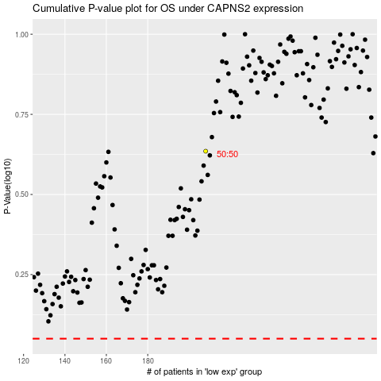

 |  |  |  |  |  | cases_OS | p_OS | rank | exp
 |  |  |  |  |  |  | cases_RFS | p_RFS | rank | exp

