CAPRIN2 _multivariate
Reported by Tex Li-Hsing Chi. tex@gate.sinica.edu.tw 2019-08-21

Table 2. The clinicopathological features of HNSCC cohort and CAPRIN2 expression. (Chi square test)
Cutoff at -0.242 (50.0%)
 |  | CAPRIN2 expression |  | CAPRIN2 expression |  | (Optimised)
 | Features | Low | (%) | High | (%) | Case no | P-value | Remark | Matthews
Gender | Female | 153 | 36.9 | 153 | 36.9 | 415 | 1 | 0 | 0
2 | Male | 54 | 13 | 55 | 13.3
Age at diagnosis | <=65y | 140 | 33.7 | 134 | 32.3 | 415 | 0.5574 | 0 | 0
4 | >65y | 67 | 16.1 | 74 | 17.8
Clinical T Status | T1+T2 | 66 | 15.9 | 83 | 20 | 415 | 0.1095 | 0 | 0
6 | T3+T4 | 141 | 34 | 125 | 30.1
Clinical N Status | N0 | 101 | 24.3 | 115 | 27.7 | 415 | 0.2201 | 0 | 0
8 | N1-3 | 106 | 25.5 | 93 | 22.4
Clinical M Status | M0 | 207 | 49.9 | 205 | 49.4 | 415 | 0.2482 | 0 | 0
10 | M1 | 0 | 0 | 3 | 0.7
Clinical Stage | Stage I+II | 41 | 9.9 | 61 | 14.7 | 415 | 0.0325 | 1 | 0
12 | Stage III+IV | 166 | 40 | 147 | 35.4
Surgical Margin status | Negative | 159 | 38.3 | 159 | 38.3 | 415 | 1 | 0 | 0
14 | Positive | 48 | 11.6 | 49 | 11.8
Tobacco Exposure | Low | 78 | 18.8 | 83 | 20 | 415 | 0.6873 | 0 | 0
16 | High | 129 | 31.1 | 125 | 30.1

Table 3. Univariate/Multivariate Cox's proportional hazards regression analyses on OS time of CAPRIN2 gene expression in HNSCC

 |  | Univariate |  |  |  | Multivariate
 | Features | HR | CI95%(L) | CI95%(H) | P-value | HR | CI95%(L) | CI95%(H) | P-value
1 | Female | 1 |  |  |  | 1
Gender | Male | 1.157 | 0.843 | 1.587 | 0.367 | 1.208 | 0.864 | 1.689 | 0.27
11 | <=65y | 1 |  |  |  | 1
Age at diagnosis | >65y | 1.329 | 0.99 | 1.784 | 0.058 | 1.4 | 1.029 | 1.905 | 0.032
12 | T1+T2 | 1 |  |  |  | 1
Clinical T Status | T3+T4 | 1.409 | 1.028 | 1.931 | 0.033 | 2.204 | 1.167 | 4.165 | 0.015
13 | N0 | 1 |  |  |  | 1
Clinical N Status | N1-3 | 1.185 | 0.89 | 1.577 | 0.246 | 1.261 | 0.883 | 1.8 | 0.202
14 | M0 | 1 |  |  |  | 1
Clinical M Status | M1 | 4.097 | 1.009 | 16.644 | 0.049 | 10.884 | 2.35 | 50.401 | 0.002
15 | Stage I+II | 1 |  |  |  | 1
Clinical Stage | Stage III+IV | 1.245 | 0.882 | 1.759 | 0.213 | 0.48 | 0.223 | 1.032 | 0.06
16 | Negative | 1 |  |  |  | 1
Surgical Margin status | Positive | 1.591 | 1.155 | 2.191 | 0.004 | 1.67 | 1.208 | 2.307 | 0.002
17 | Low | 1 |  |  |  | 1
Tobacco Exposure | High | 1.364 | 1.008 | 1.844 | 0.044 | 1.489 | 1.078 | 2.057 | 0.016
18 | Low | 1 |  |  |  | 1
RNAseq(z-score) | High | 0.793 | 0.593 | 1.061 | 0.118 | 0.773 | 0.574 | 1.039 | 0.088

Table 4. Univariate/Multivariate Cox's proportional hazards regression analyses on RFS time of CAPRIN2 gene expression in HNSCC

 |  | Univariate |  |  |  | Multivariate
 | Features | HR | CI95%(L) | CI95%(H) | P-value | HR | CI95%(L) | CI95%(H) | P-value
1 | Female | 1 |  |  |  | 1
Gender | Male | 1.157 | 0.843 | 1.587 | 0.367 | 1.208 | 0.864 | 1.689 | 0.27
11 | <=65y | 1 |  |  |  | 1
Age at diagnosis | >65y | 1.329 | 0.99 | 1.784 | 0.058 | 1.4 | 1.029 | 1.905 | 0.032
12 | T1+T2 | 1 |  |  |  | 1
Clinical T Status | T3+T4 | 1.409 | 1.028 | 1.931 | 0.033 | 2.204 | 1.167 | 4.165 | 0.015
13 | N0 | 1 |  |  |  | 1
Clinical N Status | N1-3 | 1.185 | 0.89 | 1.577 | 0.246 | 1.261 | 0.883 | 1.8 | 0.202
14 | M0 | 1 |  |  |  | 1
Clinical M Status | M1 | 4.097 | 1.009 | 16.644 | 0.049 | 10.884 | 2.35 | 50.401 | 0.002
15 | Stage I+II | 1 |  |  |  | 1
Clinical Stage | Stage III+IV | 1.245 | 0.882 | 1.759 | 0.213 | 0.48 | 0.223 | 1.032 | 0.06
16 | Negative | 1 |  |  |  | 1
Surgical Margin status | Positive | 1.591 | 1.155 | 2.191 | 0.004 | 1.67 | 1.208 | 2.307 | 0.002
17 | Low | 1 |  |  |  | 1
Tobacco Exposure | High | 1.364 | 1.008 | 1.844 | 0.044 | 1.489 | 1.078 | 2.057 | 0.016
18 | Low | 1 |  |  |  | 1
RNAseq(z-score) | High | 0.793 | 0.593 | 1.061 | 0.118 | 0.773 | 0.574 | 1.039 | 0.088

Kaplan-Meier survival estimate: Cutoff at -0.242 (50.0%)



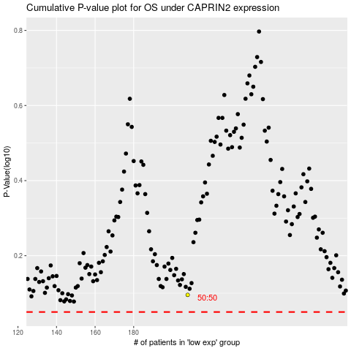

 |  |  |  |  |  | cases_OS | p_OS | rank | exp
 |  |  |  |  |  |  | cases_RFS | p_RFS | rank | exp

