CARD17 _multivariate
Reported by Tex Li-Hsing Chi. tex@gate.sinica.edu.tw 2019-08-21

Table 2. The clinicopathological features of HNSCC cohort and CARD17 expression. (Chi square test)
Cutoff at -0.312 (50.0%)
 |  | CARD17 expression |  | CARD17 expression |  | (Optimised)
 | Features | Low | (%) | High | (%) | Case no | P-value | Remark | Matthews
Gender | Female | 165 | 39.8 | 141 | 34 | 415 | 0.0081 | 1 | 0
2 | Male | 42 | 10.1 | 67 | 16.1
Age at diagnosis | <=65y | 148 | 35.7 | 126 | 30.4 | 415 | 0.0248 | 1 | 0
4 | >65y | 59 | 14.2 | 82 | 19.8
Clinical T Status | T1+T2 | 81 | 19.5 | 68 | 16.4 | 415 | 0.206 | 0 | 0
6 | T3+T4 | 126 | 30.4 | 140 | 33.7
Clinical N Status | N0 | 104 | 25.1 | 112 | 27 | 415 | 0.5243 | 0 | 0
8 | N1-3 | 103 | 24.8 | 96 | 23.1
Clinical M Status | M0 | 205 | 49.4 | 207 | 49.9 | 415 | 0.6232 | 0 | 0
10 | M1 | 2 | 0.5 | 1 | 0.2
Clinical Stage | Stage I+II | 53 | 12.8 | 49 | 11.8 | 415 | 0.7113 | 0 | 0
12 | Stage III+IV | 154 | 37.1 | 159 | 38.3
Surgical Margin status | Negative | 158 | 38.1 | 160 | 38.6 | 415 | 0.9081 | 0 | 0
14 | Positive | 49 | 11.8 | 48 | 11.6
Tobacco Exposure | Low | 74 | 17.8 | 87 | 21 | 415 | 0.227 | 0 | 0
16 | High | 133 | 32 | 121 | 29.2

Table 3. Univariate/Multivariate Cox's proportional hazards regression analyses on OS time of CARD17 gene expression in HNSCC

 |  | Univariate |  |  |  | Multivariate
 | Features | HR | CI95%(L) | CI95%(H) | P-value | HR | CI95%(L) | CI95%(H) | P-value
1 | Female | 1 |  |  |  | 1
Gender | Male | 1.157 | 0.843 | 1.587 | 0.367 | 1.226 | 0.875 | 1.718 | 0.237
11 | <=65y | 1 |  |  |  | 1
Age at diagnosis | >65y | 1.329 | 0.99 | 1.784 | 0.058 | 1.403 | 1.031 | 1.908 | 0.031
12 | T1+T2 | 1 |  |  |  | 1
Clinical T Status | T3+T4 | 1.409 | 1.028 | 1.931 | 0.033 | 2.216 | 1.172 | 4.191 | 0.014
13 | N0 | 1 |  |  |  | 1
Clinical N Status | N1-3 | 1.185 | 0.89 | 1.577 | 0.246 | 1.221 | 0.854 | 1.747 | 0.273
14 | M0 | 1 |  |  |  | 1
Clinical M Status | M1 | 4.097 | 1.009 | 16.644 | 0.049 | 9.469 | 2.066 | 43.413 | 0.004
15 | Stage I+II | 1 |  |  |  | 1
Clinical Stage | Stage III+IV | 1.245 | 0.882 | 1.759 | 0.213 | 0.509 | 0.237 | 1.094 | 0.084
16 | Negative | 1 |  |  |  | 1
Surgical Margin status | Positive | 1.591 | 1.155 | 2.191 | 0.004 | 1.681 | 1.216 | 2.323 | 0.002
17 | Low | 1 |  |  |  | 1
Tobacco Exposure | High | 1.364 | 1.008 | 1.844 | 0.044 | 1.446 | 1.049 | 1.992 | 0.024
18 | Low | 1 |  |  |  | 1
RNAseq(z-score) | High | 0.956 | 0.718 | 1.273 | 0.759 | 0.888 | 0.662 | 1.193 | 0.431

Table 4. Univariate/Multivariate Cox's proportional hazards regression analyses on RFS time of CARD17 gene expression in HNSCC

 |  | Univariate |  |  |  | Multivariate
 | Features | HR | CI95%(L) | CI95%(H) | P-value | HR | CI95%(L) | CI95%(H) | P-value
1 | Female | 1 |  |  |  | 1
Gender | Male | 1.157 | 0.843 | 1.587 | 0.367 | 1.226 | 0.875 | 1.718 | 0.237
11 | <=65y | 1 |  |  |  | 1
Age at diagnosis | >65y | 1.329 | 0.99 | 1.784 | 0.058 | 1.403 | 1.031 | 1.908 | 0.031
12 | T1+T2 | 1 |  |  |  | 1
Clinical T Status | T3+T4 | 1.409 | 1.028 | 1.931 | 0.033 | 2.216 | 1.172 | 4.191 | 0.014
13 | N0 | 1 |  |  |  | 1
Clinical N Status | N1-3 | 1.185 | 0.89 | 1.577 | 0.246 | 1.221 | 0.854 | 1.747 | 0.273
14 | M0 | 1 |  |  |  | 1
Clinical M Status | M1 | 4.097 | 1.009 | 16.644 | 0.049 | 9.469 | 2.066 | 43.413 | 0.004
15 | Stage I+II | 1 |  |  |  | 1
Clinical Stage | Stage III+IV | 1.245 | 0.882 | 1.759 | 0.213 | 0.509 | 0.237 | 1.094 | 0.084
16 | Negative | 1 |  |  |  | 1
Surgical Margin status | Positive | 1.591 | 1.155 | 2.191 | 0.004 | 1.681 | 1.216 | 2.323 | 0.002
17 | Low | 1 |  |  |  | 1
Tobacco Exposure | High | 1.364 | 1.008 | 1.844 | 0.044 | 1.446 | 1.049 | 1.992 | 0.024
18 | Low | 1 |  |  |  | 1
RNAseq(z-score) | High | 0.956 | 0.718 | 1.273 | 0.759 | 0.888 | 0.662 | 1.193 | 0.431

Kaplan-Meier survival estimate: Cutoff at -0.312 (50.0%)



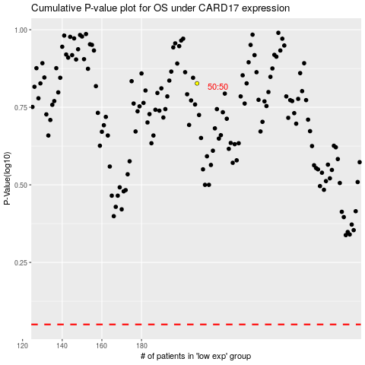

 |  |  |  |  |  | cases_OS | p_OS | rank | exp
 |  |  |  |  |  |  | cases_RFS | p_RFS | rank | exp

