CARD18 _multivariate
Reported by Tex Li-Hsing Chi. tex@gate.sinica.edu.tw 2019-08-21

Table 2. The clinicopathological features of HNSCC cohort and CARD18 expression. (Chi square test)
Cutoff at -0.353 (50.0%)
 |  | CARD18 expression |  | CARD18 expression |  | (Optimised)
 | Features | Low | (%) | High | (%) | Case no | P-value | Remark | Matthews
Gender | Female | 161 | 38.8 | 145 | 34.9 | 415 | 0.0792 | 0 | 0
2 | Male | 46 | 11.1 | 63 | 15.2
Age at diagnosis | <=65y | 144 | 34.7 | 130 | 31.3 | 415 | 0.1568 | 0 | 0
4 | >65y | 63 | 15.2 | 78 | 18.8
Clinical T Status | T1+T2 | 82 | 19.8 | 67 | 16.1 | 415 | 0.1417 | 0 | 0
6 | T3+T4 | 125 | 30.1 | 141 | 34
Clinical N Status | N0 | 102 | 24.6 | 114 | 27.5 | 415 | 0.3031 | 0 | 0
8 | N1-3 | 105 | 25.3 | 94 | 22.7
Clinical M Status | M0 | 205 | 49.4 | 207 | 49.9 | 415 | 0.6232 | 0 | 0
10 | M1 | 2 | 0.5 | 1 | 0.2
Clinical Stage | Stage I+II | 50 | 12 | 52 | 12.5 | 415 | 0.9315 | 0 | 0
12 | Stage III+IV | 157 | 37.8 | 156 | 37.6
Surgical Margin status | Negative | 156 | 37.6 | 162 | 39 | 415 | 0.5636 | 0 | 0
14 | Positive | 51 | 12.3 | 46 | 11.1
Tobacco Exposure | Low | 74 | 17.8 | 87 | 21 | 415 | 0.227 | 0 | 0
16 | High | 133 | 32 | 121 | 29.2

Table 3. Univariate/Multivariate Cox's proportional hazards regression analyses on OS time of CARD18 gene expression in HNSCC

 |  | Univariate |  |  |  | Multivariate
 | Features | HR | CI95%(L) | CI95%(H) | P-value | HR | CI95%(L) | CI95%(H) | P-value
1 | Female | 1 |  |  |  | 1
Gender | Male | 1.157 | 0.843 | 1.587 | 0.367 | 1.209 | 0.863 | 1.692 | 0.27
11 | <=65y | 1 |  |  |  | 1
Age at diagnosis | >65y | 1.329 | 0.99 | 1.784 | 0.058 | 1.393 | 1.025 | 1.894 | 0.034
12 | T1+T2 | 1 |  |  |  | 1
Clinical T Status | T3+T4 | 1.409 | 1.028 | 1.931 | 0.033 | 2.216 | 1.17 | 4.196 | 0.015
13 | N0 | 1 |  |  |  | 1
Clinical N Status | N1-3 | 1.185 | 0.89 | 1.577 | 0.246 | 1.239 | 0.868 | 1.768 | 0.239
14 | M0 | 1 |  |  |  | 1
Clinical M Status | M1 | 4.097 | 1.009 | 16.644 | 0.049 | 9.445 | 2.06 | 43.309 | 0.004
15 | Stage I+II | 1 |  |  |  | 1
Clinical Stage | Stage III+IV | 1.245 | 0.882 | 1.759 | 0.213 | 0.502 | 0.234 | 1.079 | 0.077
16 | Negative | 1 |  |  |  | 1
Surgical Margin status | Positive | 1.591 | 1.155 | 2.191 | 0.004 | 1.67 | 1.208 | 2.307 | 0.002
17 | Low | 1 |  |  |  | 1
Tobacco Exposure | High | 1.364 | 1.008 | 1.844 | 0.044 | 1.448 | 1.051 | 1.997 | 0.024
18 | Low | 1 |  |  |  | 1
RNAseq(z-score) | High | 0.987 | 0.741 | 1.315 | 0.929 | 0.959 | 0.715 | 1.286 | 0.78

Table 4. Univariate/Multivariate Cox's proportional hazards regression analyses on RFS time of CARD18 gene expression in HNSCC

 |  | Univariate |  |  |  | Multivariate
 | Features | HR | CI95%(L) | CI95%(H) | P-value | HR | CI95%(L) | CI95%(H) | P-value
1 | Female | 1 |  |  |  | 1
Gender | Male | 1.157 | 0.843 | 1.587 | 0.367 | 1.209 | 0.863 | 1.692 | 0.27
11 | <=65y | 1 |  |  |  | 1
Age at diagnosis | >65y | 1.329 | 0.99 | 1.784 | 0.058 | 1.393 | 1.025 | 1.894 | 0.034
12 | T1+T2 | 1 |  |  |  | 1
Clinical T Status | T3+T4 | 1.409 | 1.028 | 1.931 | 0.033 | 2.216 | 1.17 | 4.196 | 0.015
13 | N0 | 1 |  |  |  | 1
Clinical N Status | N1-3 | 1.185 | 0.89 | 1.577 | 0.246 | 1.239 | 0.868 | 1.768 | 0.239
14 | M0 | 1 |  |  |  | 1
Clinical M Status | M1 | 4.097 | 1.009 | 16.644 | 0.049 | 9.445 | 2.06 | 43.309 | 0.004
15 | Stage I+II | 1 |  |  |  | 1
Clinical Stage | Stage III+IV | 1.245 | 0.882 | 1.759 | 0.213 | 0.502 | 0.234 | 1.079 | 0.077
16 | Negative | 1 |  |  |  | 1
Surgical Margin status | Positive | 1.591 | 1.155 | 2.191 | 0.004 | 1.67 | 1.208 | 2.307 | 0.002
17 | Low | 1 |  |  |  | 1
Tobacco Exposure | High | 1.364 | 1.008 | 1.844 | 0.044 | 1.448 | 1.051 | 1.997 | 0.024
18 | Low | 1 |  |  |  | 1
RNAseq(z-score) | High | 0.987 | 0.741 | 1.315 | 0.929 | 0.959 | 0.715 | 1.286 | 0.78

Kaplan-Meier survival estimate: Cutoff at -0.353 (50.0%)



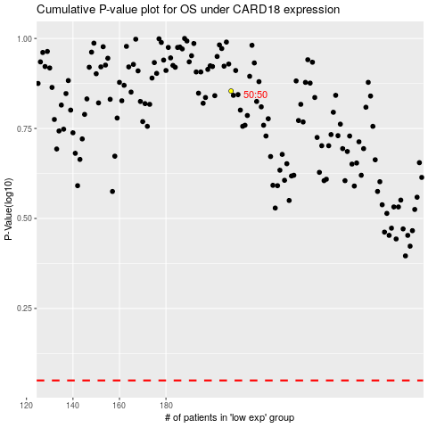

 |  |  |  |  |  | cases_OS | p_OS | rank | exp
 |  |  |  |  |  |  | cases_RFS | p_RFS | rank | exp

