CARD6 _multivariate
Reported by Tex Li-Hsing Chi. tex@gate.sinica.edu.tw 2019-08-21

Table 2. The clinicopathological features of HNSCC cohort and CARD6 expression. (Chi square test)
Cutoff at -0.177 (50.0%)
 |  | CARD6 expression |  | CARD6 expression |  | (Optimised)
 | Features | Low | (%) | High | (%) | Case no | P-value | Remark | Matthews
Gender | Female | 166 | 40 | 140 | 33.7 | 415 | 0.0041 | 1 | 0
2 | Male | 41 | 9.9 | 68 | 16.4
Age at diagnosis | <=65y | 146 | 35.2 | 128 | 30.8 | 415 | 0.0672 | 0 | 0
4 | >65y | 61 | 14.7 | 80 | 19.3
Clinical T Status | T1+T2 | 67 | 16.1 | 82 | 19.8 | 415 | 0.1628 | 0 | 0
6 | T3+T4 | 140 | 33.7 | 126 | 30.4
Clinical N Status | N0 | 102 | 24.6 | 114 | 27.5 | 415 | 0.3031 | 0 | 0
8 | N1-3 | 105 | 25.3 | 94 | 22.7
Clinical M Status | M0 | 205 | 49.4 | 207 | 49.9 | 415 | 0.6232 | 0 | 0
10 | M1 | 2 | 0.5 | 1 | 0.2
Clinical Stage | Stage I+II | 40 | 9.6 | 62 | 14.9 | 415 | 0.018 | 1 | 0
12 | Stage III+IV | 167 | 40.2 | 146 | 35.2
Surgical Margin status | Negative | 157 | 37.8 | 161 | 38.8 | 415 | 0.729 | 0 | 0
14 | Positive | 50 | 12 | 47 | 11.3
Tobacco Exposure | Low | 61 | 14.7 | 100 | 24.1 | 415 | 1e-04 | 1 | 0
16 | High | 146 | 35.2 | 108 | 26

Table 3. Univariate/Multivariate Cox's proportional hazards regression analyses on OS time of CARD6 gene expression in HNSCC

 |  | Univariate |  |  |  | Multivariate
 | Features | HR | CI95%(L) | CI95%(H) | P-value | HR | CI95%(L) | CI95%(H) | P-value
1 | Female | 1 |  |  |  | 1
Gender | Male | 1.157 | 0.843 | 1.587 | 0.367 | 1.214 | 0.866 | 1.702 | 0.26
11 | <=65y | 1 |  |  |  | 1
Age at diagnosis | >65y | 1.329 | 0.99 | 1.784 | 0.058 | 1.395 | 1.026 | 1.897 | 0.034
12 | T1+T2 | 1 |  |  |  | 1
Clinical T Status | T3+T4 | 1.409 | 1.028 | 1.931 | 0.033 | 2.205 | 1.166 | 4.17 | 0.015
13 | N0 | 1 |  |  |  | 1
Clinical N Status | N1-3 | 1.185 | 0.89 | 1.577 | 0.246 | 1.242 | 0.87 | 1.772 | 0.233
14 | M0 | 1 |  |  |  | 1
Clinical M Status | M1 | 4.097 | 1.009 | 16.644 | 0.049 | 9.417 | 2.055 | 43.166 | 0.004
15 | Stage I+II | 1 |  |  |  | 1
Clinical Stage | Stage III+IV | 1.245 | 0.882 | 1.759 | 0.213 | 0.497 | 0.231 | 1.07 | 0.074
16 | Negative | 1 |  |  |  | 1
Surgical Margin status | Positive | 1.591 | 1.155 | 2.191 | 0.004 | 1.676 | 1.213 | 2.317 | 0.002
17 | Low | 1 |  |  |  | 1
Tobacco Exposure | High | 1.364 | 1.008 | 1.844 | 0.044 | 1.436 | 1.039 | 1.987 | 0.029
18 | Low | 1 |  |  |  | 1
RNAseq(z-score) | High | 0.921 | 0.691 | 1.227 | 0.573 | 0.933 | 0.689 | 1.264 | 0.656

Table 4. Univariate/Multivariate Cox's proportional hazards regression analyses on RFS time of CARD6 gene expression in HNSCC

 |  | Univariate |  |  |  | Multivariate
 | Features | HR | CI95%(L) | CI95%(H) | P-value | HR | CI95%(L) | CI95%(H) | P-value
1 | Female | 1 |  |  |  | 1
Gender | Male | 1.157 | 0.843 | 1.587 | 0.367 | 1.214 | 0.866 | 1.702 | 0.26
11 | <=65y | 1 |  |  |  | 1
Age at diagnosis | >65y | 1.329 | 0.99 | 1.784 | 0.058 | 1.395 | 1.026 | 1.897 | 0.034
12 | T1+T2 | 1 |  |  |  | 1
Clinical T Status | T3+T4 | 1.409 | 1.028 | 1.931 | 0.033 | 2.205 | 1.166 | 4.17 | 0.015
13 | N0 | 1 |  |  |  | 1
Clinical N Status | N1-3 | 1.185 | 0.89 | 1.577 | 0.246 | 1.242 | 0.87 | 1.772 | 0.233
14 | M0 | 1 |  |  |  | 1
Clinical M Status | M1 | 4.097 | 1.009 | 16.644 | 0.049 | 9.417 | 2.055 | 43.166 | 0.004
15 | Stage I+II | 1 |  |  |  | 1
Clinical Stage | Stage III+IV | 1.245 | 0.882 | 1.759 | 0.213 | 0.497 | 0.231 | 1.07 | 0.074
16 | Negative | 1 |  |  |  | 1
Surgical Margin status | Positive | 1.591 | 1.155 | 2.191 | 0.004 | 1.676 | 1.213 | 2.317 | 0.002
17 | Low | 1 |  |  |  | 1
Tobacco Exposure | High | 1.364 | 1.008 | 1.844 | 0.044 | 1.436 | 1.039 | 1.987 | 0.029
18 | Low | 1 |  |  |  | 1
RNAseq(z-score) | High | 0.921 | 0.691 | 1.227 | 0.573 | 0.933 | 0.689 | 1.264 | 0.656

Kaplan-Meier survival estimate: Cutoff at -0.177 (50.0%)



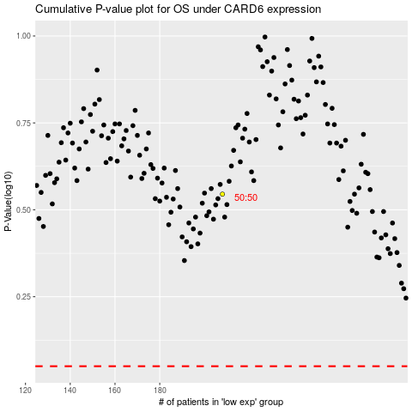

 |  |  |  |  |  | cases_OS | p_OS | rank | exp
 |  |  |  |  |  |  | cases_RFS | p_RFS | rank | exp

