CARD9 _multivariate
Reported by Tex Li-Hsing Chi. tex@gate.sinica.edu.tw 2019-08-21

Table 2. The clinicopathological features of HNSCC cohort and CARD9 expression. (Chi square test)
Cutoff at -0.233 (49.8%)
 |  | CARD9 expression |  | CARD9 expression |  | (Optimised)
 | Features | Low | (%) | High | (%) | Case no | P-value | Remark | Matthews
Gender | Female | 159 | 38.3 | 147 | 35.4 | 415 | 0.1905 | 0 | 0
2 | Male | 48 | 11.6 | 61 | 14.7
Age at diagnosis | <=65y | 139 | 33.5 | 135 | 32.5 | 415 | 0.7044 | 0 | 0
4 | >65y | 68 | 16.4 | 73 | 17.6
Clinical T Status | T1+T2 | 66 | 15.9 | 83 | 20 | 415 | 0.1095 | 0 | 0
6 | T3+T4 | 141 | 34 | 125 | 30.1
Clinical N Status | N0 | 106 | 25.5 | 110 | 26.5 | 415 | 0.8075 | 0 | 0
8 | N1-3 | 101 | 24.3 | 98 | 23.6
Clinical M Status | M0 | 205 | 49.4 | 207 | 49.9 | 415 | 0.6232 | 0 | 0
10 | M1 | 2 | 0.5 | 1 | 0.2
Clinical Stage | Stage I+II | 46 | 11.1 | 56 | 13.5 | 415 | 0.3182 | 0 | 0
12 | Stage III+IV | 161 | 38.8 | 152 | 36.6
Surgical Margin status | Negative | 160 | 38.6 | 158 | 38.1 | 415 | 0.8167 | 0 | 0
14 | Positive | 47 | 11.3 | 50 | 12
Tobacco Exposure | Low | 74 | 17.8 | 87 | 21 | 415 | 0.227 | 0 | 0
16 | High | 133 | 32 | 121 | 29.2

Table 3. Univariate/Multivariate Cox's proportional hazards regression analyses on OS time of CARD9 gene expression in HNSCC

 |  | Univariate |  |  |  | Multivariate
 | Features | HR | CI95%(L) | CI95%(H) | P-value | HR | CI95%(L) | CI95%(H) | P-value
1 | Female | 1 |  |  |  | 1
Gender | Male | 1.157 | 0.843 | 1.587 | 0.367 | 1.205 | 0.863 | 1.684 | 0.274
11 | <=65y | 1 |  |  |  | 1
Age at diagnosis | >65y | 1.329 | 0.99 | 1.784 | 0.058 | 1.394 | 1.026 | 1.893 | 0.033
12 | T1+T2 | 1 |  |  |  | 1
Clinical T Status | T3+T4 | 1.409 | 1.028 | 1.931 | 0.033 | 2.179 | 1.152 | 4.122 | 0.017
13 | N0 | 1 |  |  |  | 1
Clinical N Status | N1-3 | 1.185 | 0.89 | 1.577 | 0.246 | 1.228 | 0.86 | 1.752 | 0.258
14 | M0 | 1 |  |  |  | 1
Clinical M Status | M1 | 4.097 | 1.009 | 16.644 | 0.049 | 9.191 | 2.004 | 42.157 | 0.004
15 | Stage I+II | 1 |  |  |  | 1
Clinical Stage | Stage III+IV | 1.245 | 0.882 | 1.759 | 0.213 | 0.506 | 0.236 | 1.086 | 0.08
16 | Negative | 1 |  |  |  | 1
Surgical Margin status | Positive | 1.591 | 1.155 | 2.191 | 0.004 | 1.704 | 1.231 | 2.358 | 0.001
17 | Low | 1 |  |  |  | 1
Tobacco Exposure | High | 1.364 | 1.008 | 1.844 | 0.044 | 1.44 | 1.045 | 1.985 | 0.026
18 | Low | 1 |  |  |  | 1
RNAseq(z-score) | High | 0.834 | 0.626 | 1.111 | 0.215 | 0.832 | 0.623 | 1.112 | 0.215

Table 4. Univariate/Multivariate Cox's proportional hazards regression analyses on RFS time of CARD9 gene expression in HNSCC

 |  | Univariate |  |  |  | Multivariate
 | Features | HR | CI95%(L) | CI95%(H) | P-value | HR | CI95%(L) | CI95%(H) | P-value
1 | Female | 1 |  |  |  | 1
Gender | Male | 1.157 | 0.843 | 1.587 | 0.367 | 1.205 | 0.863 | 1.684 | 0.274
11 | <=65y | 1 |  |  |  | 1
Age at diagnosis | >65y | 1.329 | 0.99 | 1.784 | 0.058 | 1.394 | 1.026 | 1.893 | 0.033
12 | T1+T2 | 1 |  |  |  | 1
Clinical T Status | T3+T4 | 1.409 | 1.028 | 1.931 | 0.033 | 2.179 | 1.152 | 4.122 | 0.017
13 | N0 | 1 |  |  |  | 1
Clinical N Status | N1-3 | 1.185 | 0.89 | 1.577 | 0.246 | 1.228 | 0.86 | 1.752 | 0.258
14 | M0 | 1 |  |  |  | 1
Clinical M Status | M1 | 4.097 | 1.009 | 16.644 | 0.049 | 9.191 | 2.004 | 42.157 | 0.004
15 | Stage I+II | 1 |  |  |  | 1
Clinical Stage | Stage III+IV | 1.245 | 0.882 | 1.759 | 0.213 | 0.506 | 0.236 | 1.086 | 0.08
16 | Negative | 1 |  |  |  | 1
Surgical Margin status | Positive | 1.591 | 1.155 | 2.191 | 0.004 | 1.704 | 1.231 | 2.358 | 0.001
17 | Low | 1 |  |  |  | 1
Tobacco Exposure | High | 1.364 | 1.008 | 1.844 | 0.044 | 1.44 | 1.045 | 1.985 | 0.026
18 | Low | 1 |  |  |  | 1
RNAseq(z-score) | High | 0.834 | 0.626 | 1.111 | 0.215 | 0.832 | 0.623 | 1.112 | 0.215

Kaplan-Meier survival estimate: Cutoff at -0.233 (49.8%)



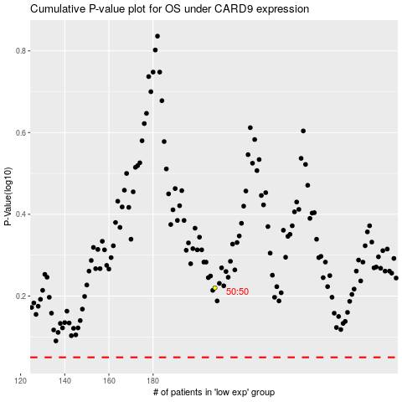

 |  |  |  |  |  | cases_OS | p_OS | rank | exp
 |  |  |  |  |  |  | cases_RFS | p_RFS | rank | exp

