CARHSP1 _multivariate
Reported by Tex Li-Hsing Chi. tex@gate.sinica.edu.tw 2019-08-21

Table 2. The clinicopathological features of HNSCC cohort and CARHSP1 expression. (Chi square test)
Cutoff at -0.209 (50.0%)
 |  | CARHSP1 expression |  | CARHSP1 expression |  | (Optimised)
 | Features | Low | (%) | High | (%) | Case no | P-value | Remark | Matthews
Gender | Female | 158 | 38.1 | 148 | 35.7 | 415 | 0.2774 | 0 | 0
2 | Male | 49 | 11.8 | 60 | 14.5
Age at diagnosis | <=65y | 135 | 32.5 | 139 | 33.5 | 415 | 0.8084 | 0 | 0
4 | >65y | 72 | 17.3 | 69 | 16.6
Clinical T Status | T1+T2 | 82 | 19.8 | 67 | 16.1 | 415 | 0.1417 | 0 | 0
6 | T3+T4 | 125 | 30.1 | 141 | 34
Clinical N Status | N0 | 102 | 24.6 | 114 | 27.5 | 415 | 0.3031 | 0 | 0
8 | N1-3 | 105 | 25.3 | 94 | 22.7
Clinical M Status | M0 | 206 | 49.6 | 206 | 49.6 | 415 | 1 | 0 | 0
10 | M1 | 1 | 0.2 | 2 | 0.5
Clinical Stage | Stage I+II | 55 | 13.3 | 47 | 11.3 | 415 | 0.4087 | 0 | 0
12 | Stage III+IV | 152 | 36.6 | 161 | 38.8
Surgical Margin status | Negative | 156 | 37.6 | 162 | 39 | 415 | 0.5636 | 0 | 0
14 | Positive | 51 | 12.3 | 46 | 11.1
Tobacco Exposure | Low | 66 | 15.9 | 95 | 22.9 | 415 | 0.0048 | 1 | 0
16 | High | 141 | 34 | 113 | 27.2

Table 3. Univariate/Multivariate Cox's proportional hazards regression analyses on OS time of CARHSP1 gene expression in HNSCC

 |  | Univariate |  |  |  | Multivariate
 | Features | HR | CI95%(L) | CI95%(H) | P-value | HR | CI95%(L) | CI95%(H) | P-value
1 | Female | 1 |  |  |  | 1
Gender | Male | 1.157 | 0.843 | 1.587 | 0.367 | 1.217 | 0.87 | 1.704 | 0.252
11 | <=65y | 1 |  |  |  | 1
Age at diagnosis | >65y | 1.329 | 0.99 | 1.784 | 0.058 | 1.385 | 1.018 | 1.884 | 0.038
12 | T1+T2 | 1 |  |  |  | 1
Clinical T Status | T3+T4 | 1.409 | 1.028 | 1.931 | 0.033 | 2.212 | 1.169 | 4.183 | 0.015
13 | N0 | 1 |  |  |  | 1
Clinical N Status | N1-3 | 1.185 | 0.89 | 1.577 | 0.246 | 1.224 | 0.856 | 1.751 | 0.268
14 | M0 | 1 |  |  |  | 1
Clinical M Status | M1 | 4.097 | 1.009 | 16.644 | 0.049 | 9.783 | 2.123 | 45.077 | 0.003
15 | Stage I+II | 1 |  |  |  | 1
Clinical Stage | Stage III+IV | 1.245 | 0.882 | 1.759 | 0.213 | 0.507 | 0.236 | 1.089 | 0.082
16 | Negative | 1 |  |  |  | 1
Surgical Margin status | Positive | 1.591 | 1.155 | 2.191 | 0.004 | 1.678 | 1.214 | 2.32 | 0.002
17 | Low | 1 |  |  |  | 1
Tobacco Exposure | High | 1.364 | 1.008 | 1.844 | 0.044 | 1.437 | 1.041 | 1.983 | 0.027
18 | Low | 1 |  |  |  | 1
RNAseq(z-score) | High | 0.908 | 0.681 | 1.209 | 0.508 | 0.911 | 0.678 | 1.223 | 0.535

Table 4. Univariate/Multivariate Cox's proportional hazards regression analyses on RFS time of CARHSP1 gene expression in HNSCC

 |  | Univariate |  |  |  | Multivariate
 | Features | HR | CI95%(L) | CI95%(H) | P-value | HR | CI95%(L) | CI95%(H) | P-value
1 | Female | 1 |  |  |  | 1
Gender | Male | 1.157 | 0.843 | 1.587 | 0.367 | 1.217 | 0.87 | 1.704 | 0.252
11 | <=65y | 1 |  |  |  | 1
Age at diagnosis | >65y | 1.329 | 0.99 | 1.784 | 0.058 | 1.385 | 1.018 | 1.884 | 0.038
12 | T1+T2 | 1 |  |  |  | 1
Clinical T Status | T3+T4 | 1.409 | 1.028 | 1.931 | 0.033 | 2.212 | 1.169 | 4.183 | 0.015
13 | N0 | 1 |  |  |  | 1
Clinical N Status | N1-3 | 1.185 | 0.89 | 1.577 | 0.246 | 1.224 | 0.856 | 1.751 | 0.268
14 | M0 | 1 |  |  |  | 1
Clinical M Status | M1 | 4.097 | 1.009 | 16.644 | 0.049 | 9.783 | 2.123 | 45.077 | 0.003
15 | Stage I+II | 1 |  |  |  | 1
Clinical Stage | Stage III+IV | 1.245 | 0.882 | 1.759 | 0.213 | 0.507 | 0.236 | 1.089 | 0.082
16 | Negative | 1 |  |  |  | 1
Surgical Margin status | Positive | 1.591 | 1.155 | 2.191 | 0.004 | 1.678 | 1.214 | 2.32 | 0.002
17 | Low | 1 |  |  |  | 1
Tobacco Exposure | High | 1.364 | 1.008 | 1.844 | 0.044 | 1.437 | 1.041 | 1.983 | 0.027
18 | Low | 1 |  |  |  | 1
RNAseq(z-score) | High | 0.908 | 0.681 | 1.209 | 0.508 | 0.911 | 0.678 | 1.223 | 0.535

Kaplan-Meier survival estimate: Cutoff at -0.209 (50.0%)



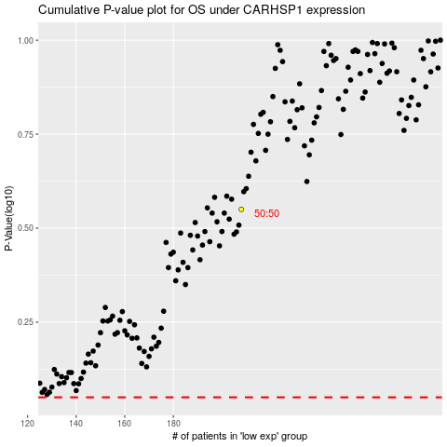

 |  |  |  |  |  | cases_OS | p_OS | rank | exp
 |  |  |  |  |  |  | cases_RFS | p_RFS | rank | exp

