CARS _multivariate
Reported by Tex Li-Hsing Chi. tex@gate.sinica.edu.tw 2019-08-21

Table 2. The clinicopathological features of HNSCC cohort and CARS expression. (Chi square test)
Cutoff at 0.345 (69.6%)
 |  | CARS expression |  | CARS expression |  | (Optimised)
 | Features | Low | (%) | High | (%) | Case no | P-value | Remark | Matthews
Gender | Female | 210 | 50.6 | 96 | 23.1 | 415 | 0.6531 | 0 | 0
2 | Male | 78 | 18.8 | 31 | 7.5
Age at diagnosis | <=65y | 191 | 46 | 83 | 20 | 415 | 0.9372 | 0 | 0
4 | >65y | 97 | 23.4 | 44 | 10.6
Clinical T Status | T1+T2 | 106 | 25.5 | 43 | 10.4 | 415 | 0.6414 | 0 | 0
6 | T3+T4 | 182 | 43.9 | 84 | 20.2
Clinical N Status | N0 | 155 | 37.3 | 61 | 14.7 | 415 | 0.3266 | 0 | 0
8 | N1-3 | 133 | 32 | 66 | 15.9
Clinical M Status | M0 | 286 | 68.9 | 126 | 30.4 | 415 | 1 | 0 | 0
10 | M1 | 2 | 0.5 | 1 | 0.2
Clinical Stage | Stage I+II | 76 | 18.3 | 26 | 6.3 | 415 | 0.2435 | 0 | 0
12 | Stage III+IV | 212 | 51.1 | 101 | 24.3
Surgical Margin status | Negative | 227 | 54.7 | 91 | 21.9 | 415 | 0.1309 | 0 | 0
14 | Positive | 61 | 14.7 | 36 | 8.7
Tobacco Exposure | Low | 109 | 26.3 | 52 | 12.5 | 415 | 0.5853 | 0 | 0
16 | High | 179 | 43.1 | 75 | 18.1

Table 3. Univariate/Multivariate Cox's proportional hazards regression analyses on OS time of CARS gene expression in HNSCC

 |  | Univariate |  |  |  | Multivariate
 | Features | HR | CI95%(L) | CI95%(H) | P-value | HR | CI95%(L) | CI95%(H) | P-value
1 | Female | 1 |  |  |  | 1
Gender | Male | 1.157 | 0.843 | 1.587 | 0.367 | 1.217 | 0.87 | 1.702 | 0.251
11 | <=65y | 1 |  |  |  | 1
Age at diagnosis | >65y | 1.329 | 0.99 | 1.784 | 0.058 | 1.38 | 1.015 | 1.876 | 0.04
12 | T1+T2 | 1 |  |  |  | 1
Clinical T Status | T3+T4 | 1.409 | 1.028 | 1.931 | 0.033 | 2.229 | 1.178 | 4.218 | 0.014
13 | N0 | 1 |  |  |  | 1
Clinical N Status | N1-3 | 1.185 | 0.89 | 1.577 | 0.246 | 1.229 | 0.862 | 1.754 | 0.255
14 | M0 | 1 |  |  |  | 1
Clinical M Status | M1 | 4.097 | 1.009 | 16.644 | 0.049 | 9.211 | 2.008 | 42.244 | 0.004
15 | Stage I+II | 1 |  |  |  | 1
Clinical Stage | Stage III+IV | 1.245 | 0.882 | 1.759 | 0.213 | 0.505 | 0.235 | 1.084 | 0.08
16 | Negative | 1 |  |  |  | 1
Surgical Margin status | Positive | 1.591 | 1.155 | 2.191 | 0.004 | 1.602 | 1.154 | 2.225 | 0.005
17 | Low | 1 |  |  |  | 1
Tobacco Exposure | High | 1.364 | 1.008 | 1.844 | 0.044 | 1.424 | 1.033 | 1.965 | 0.031
18 | Low | 1 |  |  |  | 1
RNAseq(z-score) | High | 1.367 | 1.008 | 1.854 | 0.044 | 1.264 | 0.925 | 1.727 | 0.141

Table 4. Univariate/Multivariate Cox's proportional hazards regression analyses on RFS time of CARS gene expression in HNSCC

 |  | Univariate |  |  |  | Multivariate
 | Features | HR | CI95%(L) | CI95%(H) | P-value | HR | CI95%(L) | CI95%(H) | P-value
1 | Female | 1 |  |  |  | 1
Gender | Male | 1.157 | 0.843 | 1.587 | 0.367 | 1.217 | 0.87 | 1.702 | 0.251
11 | <=65y | 1 |  |  |  | 1
Age at diagnosis | >65y | 1.329 | 0.99 | 1.784 | 0.058 | 1.38 | 1.015 | 1.876 | 0.04
12 | T1+T2 | 1 |  |  |  | 1
Clinical T Status | T3+T4 | 1.409 | 1.028 | 1.931 | 0.033 | 2.229 | 1.178 | 4.218 | 0.014
13 | N0 | 1 |  |  |  | 1
Clinical N Status | N1-3 | 1.185 | 0.89 | 1.577 | 0.246 | 1.229 | 0.862 | 1.754 | 0.255
14 | M0 | 1 |  |  |  | 1
Clinical M Status | M1 | 4.097 | 1.009 | 16.644 | 0.049 | 9.211 | 2.008 | 42.244 | 0.004
15 | Stage I+II | 1 |  |  |  | 1
Clinical Stage | Stage III+IV | 1.245 | 0.882 | 1.759 | 0.213 | 0.505 | 0.235 | 1.084 | 0.08
16 | Negative | 1 |  |  |  | 1
Surgical Margin status | Positive | 1.591 | 1.155 | 2.191 | 0.004 | 1.602 | 1.154 | 2.225 | 0.005
17 | Low | 1 |  |  |  | 1
Tobacco Exposure | High | 1.364 | 1.008 | 1.844 | 0.044 | 1.424 | 1.033 | 1.965 | 0.031
18 | Low | 1 |  |  |  | 1
RNAseq(z-score) | High | 1.367 | 1.008 | 1.854 | 0.044 | 1.264 | 0.925 | 1.727 | 0.141

Kaplan-Meier survival estimate: Cutoff at 0.345 (69.6%)

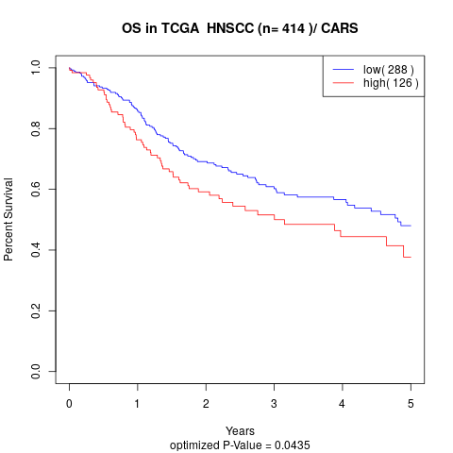

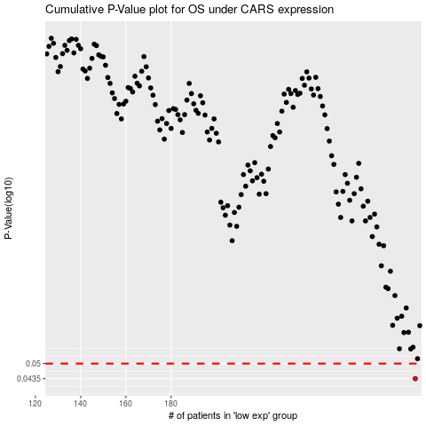

 |  |  |  |  |  | cases_OS | p_OS | rank | exp
 |  |  |  |  |  | 288 | 0.0435 | 267 | 0.34490675775
 |  |  |  |  |  |  | cases_RFS | p_RFS | rank | exp
 |  |  |  |  |  |  | 287 | 0.0435 | 109 | 0.3401880207

