CASK _multivariate
Reported by Tex Li-Hsing Chi. tex@gate.sinica.edu.tw 2019-08-21

Table 2. The clinicopathological features of HNSCC cohort and CASK expression. (Chi square test)
Cutoff at -0.445 (34.5%)
 |  | CASK expression |  | CASK expression |  | (Optimised)
 | Features | Low | (%) | High | (%) | Case no | P-value | Remark | Matthews
Gender | Female | 106 | 25.5 | 200 | 48.2 | 415 | 0.9889 | 0 | 0
2 | Male | 37 | 8.9 | 72 | 17.3
Age at diagnosis | <=65y | 97 | 23.4 | 177 | 42.7 | 415 | 0.6492 | 0 | 0
4 | >65y | 46 | 11.1 | 95 | 22.9
Clinical T Status | T1+T2 | 54 | 13 | 95 | 22.9 | 415 | 0.6422 | 0 | 0
6 | T3+T4 | 89 | 21.4 | 177 | 42.7
Clinical N Status | N0 | 66 | 15.9 | 150 | 36.1 | 415 | 0.1011 | 0 | 0
8 | N1-3 | 77 | 18.6 | 122 | 29.4
Clinical M Status | M0 | 141 | 34 | 271 | 65.3 | 415 | 0.2739 | 0 | 0
10 | M1 | 2 | 0.5 | 1 | 0.2
Clinical Stage | Stage I+II | 31 | 7.5 | 71 | 17.1 | 415 | 0.3816 | 0 | 0
12 | Stage III+IV | 112 | 27 | 201 | 48.4
Surgical Margin status | Negative | 103 | 24.8 | 215 | 51.8 | 415 | 0.114 | 0 | 0
14 | Positive | 40 | 9.6 | 57 | 13.7
Tobacco Exposure | Low | 67 | 16.1 | 94 | 22.7 | 415 | 0.0195 | 1 | 0
16 | High | 76 | 18.3 | 178 | 42.9

Table 3. Univariate/Multivariate Cox's proportional hazards regression analyses on OS time of CASK gene expression in HNSCC

 |  | Univariate |  |  |  | Multivariate
 | Features | HR | CI95%(L) | CI95%(H) | P-value | HR | CI95%(L) | CI95%(H) | P-value
1 | Female | 1 |  |  |  | 1
Gender | Male | 1.157 | 0.843 | 1.587 | 0.367 | 1.166 | 0.833 | 1.631 | 0.371
11 | <=65y | 1 |  |  |  | 1
Age at diagnosis | >65y | 1.329 | 0.99 | 1.784 | 0.058 | 1.398 | 1.028 | 1.901 | 0.032
12 | T1+T2 | 1 |  |  |  | 1
Clinical T Status | T3+T4 | 1.409 | 1.028 | 1.931 | 0.033 | 2.285 | 1.208 | 4.325 | 0.011
13 | N0 | 1 |  |  |  | 1
Clinical N Status | N1-3 | 1.185 | 0.89 | 1.577 | 0.246 | 1.238 | 0.868 | 1.767 | 0.239
14 | M0 | 1 |  |  |  | 1
Clinical M Status | M1 | 4.097 | 1.009 | 16.644 | 0.049 | 8.922 | 1.945 | 40.92 | 0.005
15 | Stage I+II | 1 |  |  |  | 1
Clinical Stage | Stage III+IV | 1.245 | 0.882 | 1.759 | 0.213 | 0.474 | 0.22 | 1.02 | 0.056
16 | Negative | 1 |  |  |  | 1
Surgical Margin status | Positive | 1.591 | 1.155 | 2.191 | 0.004 | 1.608 | 1.162 | 2.225 | 0.004
17 | Low | 1 |  |  |  | 1
Tobacco Exposure | High | 1.364 | 1.008 | 1.844 | 0.044 | 1.513 | 1.095 | 2.09 | 0.012
18 | Low | 1 |  |  |  | 1
RNAseq(z-score) | High | 0.732 | 0.544 | 0.984 | 0.039 | 0.734 | 0.54 | 0.996 | 0.047

Table 4. Univariate/Multivariate Cox's proportional hazards regression analyses on RFS time of CASK gene expression in HNSCC

 |  | Univariate |  |  |  | Multivariate
 | Features | HR | CI95%(L) | CI95%(H) | P-value | HR | CI95%(L) | CI95%(H) | P-value
1 | Female | 1 |  |  |  | 1
Gender | Male | 1.157 | 0.843 | 1.587 | 0.367 | 1.166 | 0.833 | 1.631 | 0.371
11 | <=65y | 1 |  |  |  | 1
Age at diagnosis | >65y | 1.329 | 0.99 | 1.784 | 0.058 | 1.398 | 1.028 | 1.901 | 0.032
12 | T1+T2 | 1 |  |  |  | 1
Clinical T Status | T3+T4 | 1.409 | 1.028 | 1.931 | 0.033 | 2.285 | 1.208 | 4.325 | 0.011
13 | N0 | 1 |  |  |  | 1
Clinical N Status | N1-3 | 1.185 | 0.89 | 1.577 | 0.246 | 1.238 | 0.868 | 1.767 | 0.239
14 | M0 | 1 |  |  |  | 1
Clinical M Status | M1 | 4.097 | 1.009 | 16.644 | 0.049 | 8.922 | 1.945 | 40.92 | 0.005
15 | Stage I+II | 1 |  |  |  | 1
Clinical Stage | Stage III+IV | 1.245 | 0.882 | 1.759 | 0.213 | 0.474 | 0.22 | 1.02 | 0.056
16 | Negative | 1 |  |  |  | 1
Surgical Margin status | Positive | 1.591 | 1.155 | 2.191 | 0.004 | 1.608 | 1.162 | 2.225 | 0.004
17 | Low | 1 |  |  |  | 1
Tobacco Exposure | High | 1.364 | 1.008 | 1.844 | 0.044 | 1.513 | 1.095 | 2.09 | 0.012
18 | Low | 1 |  |  |  | 1
RNAseq(z-score) | High | 0.732 | 0.544 | 0.984 | 0.039 | 0.734 | 0.54 | 0.996 | 0.047

Kaplan-Meier survival estimate: Cutoff at -0.445 (34.5%)



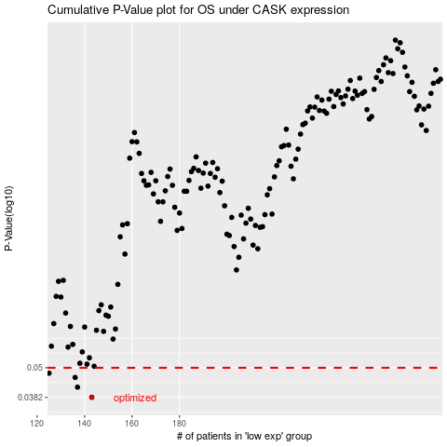

 |  |  |  |  |  | cases_OS | p_OS | rank | exp
 |  |  |  |  |  | 143 | 0.0382 | 193 | -0.4449319619
 |  |  |  |  |  | 137 | 0.0419 | 300 | -0.46315013905
 |  |  |  |  |  | 136 | 0.0458 | 256 | -0.46438255536
 |  |  |  |  |  | 125 | 0.0476 | 116 | -0.52405731168
 |  |  |  |  |  |  | cases_RFS | p_RFS | rank | exp
 |  |  |  |  |  |  | 142 | 0.0382 | 394 | -0.45419876587
 |  |  |  |  |  |  | 136 | 0.0419 | 256 | -0.46438255536
 |  |  |  |  |  |  | 135 | 0.0458 | 68 | -0.46739685705
 |  |  |  |  |  |  |  | 0.0476 | 252 | -0.52698577618

