CASKIN1 _multivariate
Reported by Tex Li-Hsing Chi. tex@gate.sinica.edu.tw 2019-08-21

Table 2. The clinicopathological features of HNSCC cohort and CASKIN1 expression. (Chi square test)
Cutoff at -0.507 (33.6%)
 |  | CASKIN1 expression |  | CASKIN1 expression |  | (Optimised)
 | Features | Low | (%) | High | (%) | Case no | P-value | Remark | Matthews
Gender | Female | 99 | 23.9 | 207 | 49.9 | 415 | 0.379 | 0 | 0
2 | Male | 41 | 9.9 | 68 | 16.4
Age at diagnosis | <=65y | 85 | 20.5 | 189 | 45.5 | 415 | 0.1285 | 0 | 0
4 | >65y | 55 | 13.3 | 86 | 20.7
Clinical T Status | T1+T2 | 59 | 14.2 | 90 | 21.7 | 415 | 0.0747 | 0 | 0
6 | T3+T4 | 81 | 19.5 | 185 | 44.6
Clinical N Status | N0 | 70 | 16.9 | 146 | 35.2 | 415 | 0.6227 | 0 | 0
8 | N1-3 | 70 | 16.9 | 129 | 31.1
Clinical M Status | M0 | 139 | 33.5 | 273 | 65.8 | 415 | 1 | 0 | 0
10 | M1 | 1 | 0.2 | 2 | 0.5
Clinical Stage | Stage I+II | 43 | 10.4 | 59 | 14.2 | 415 | 0.0511 | 0 | 0
12 | Stage III+IV | 97 | 23.4 | 216 | 52
Surgical Margin status | Negative | 104 | 25.1 | 214 | 51.6 | 415 | 0.4621 | 0 | 0
14 | Positive | 36 | 8.7 | 61 | 14.7
Tobacco Exposure | Low | 70 | 16.9 | 91 | 21.9 | 415 | 0.001 | 1 | 0
16 | High | 70 | 16.9 | 184 | 44.3

Table 3. Univariate/Multivariate Cox's proportional hazards regression analyses on OS time of CASKIN1 gene expression in HNSCC

 |  | Univariate |  |  |  | Multivariate
 | Features | HR | CI95%(L) | CI95%(H) | P-value | HR | CI95%(L) | CI95%(H) | P-value
1 | Female | 1 |  |  |  | 1
Gender | Male | 1.157 | 0.843 | 1.587 | 0.367 | 1.213 | 0.869 | 1.694 | 0.257
11 | <=65y | 1 |  |  |  | 1
Age at diagnosis | >65y | 1.329 | 0.99 | 1.784 | 0.058 | 1.338 | 0.983 | 1.82 | 0.064
12 | T1+T2 | 1 |  |  |  | 1
Clinical T Status | T3+T4 | 1.409 | 1.028 | 1.931 | 0.033 | 2.285 | 1.207 | 4.324 | 0.011
13 | N0 | 1 |  |  |  | 1
Clinical N Status | N1-3 | 1.185 | 0.89 | 1.577 | 0.246 | 1.171 | 0.82 | 1.673 | 0.385
14 | M0 | 1 |  |  |  | 1
Clinical M Status | M1 | 4.097 | 1.009 | 16.644 | 0.049 | 10.57 | 2.298 | 48.615 | 0.002
15 | Stage I+II | 1 |  |  |  | 1
Clinical Stage | Stage III+IV | 1.245 | 0.882 | 1.759 | 0.213 | 0.539 | 0.251 | 1.156 | 0.112
16 | Negative | 1 |  |  |  | 1
Surgical Margin status | Positive | 1.591 | 1.155 | 2.191 | 0.004 | 1.667 | 1.207 | 2.303 | 0.002
17 | Low | 1 |  |  |  | 1
Tobacco Exposure | High | 1.364 | 1.008 | 1.844 | 0.044 | 1.627 | 1.171 | 2.262 | 0.004
18 | Low | 1 |  |  |  | 1
RNAseq(z-score) | High | 0.651 | 0.485 | 0.874 | 0.004 | 0.575 | 0.422 | 0.782 | 0

Table 4. Univariate/Multivariate Cox's proportional hazards regression analyses on RFS time of CASKIN1 gene expression in HNSCC

 |  | Univariate |  |  |  | Multivariate
 | Features | HR | CI95%(L) | CI95%(H) | P-value | HR | CI95%(L) | CI95%(H) | P-value
1 | Female | 1 |  |  |  | 1
Gender | Male | 1.157 | 0.843 | 1.587 | 0.367 | 1.213 | 0.869 | 1.694 | 0.257
11 | <=65y | 1 |  |  |  | 1
Age at diagnosis | >65y | 1.329 | 0.99 | 1.784 | 0.058 | 1.338 | 0.983 | 1.82 | 0.064
12 | T1+T2 | 1 |  |  |  | 1
Clinical T Status | T3+T4 | 1.409 | 1.028 | 1.931 | 0.033 | 2.285 | 1.207 | 4.324 | 0.011
13 | N0 | 1 |  |  |  | 1
Clinical N Status | N1-3 | 1.185 | 0.89 | 1.577 | 0.246 | 1.171 | 0.82 | 1.673 | 0.385
14 | M0 | 1 |  |  |  | 1
Clinical M Status | M1 | 4.097 | 1.009 | 16.644 | 0.049 | 10.57 | 2.298 | 48.615 | 0.002
15 | Stage I+II | 1 |  |  |  | 1
Clinical Stage | Stage III+IV | 1.245 | 0.882 | 1.759 | 0.213 | 0.539 | 0.251 | 1.156 | 0.112
16 | Negative | 1 |  |  |  | 1
Surgical Margin status | Positive | 1.591 | 1.155 | 2.191 | 0.004 | 1.667 | 1.207 | 2.303 | 0.002
17 | Low | 1 |  |  |  | 1
Tobacco Exposure | High | 1.364 | 1.008 | 1.844 | 0.044 | 1.627 | 1.171 | 2.262 | 0.004
18 | Low | 1 |  |  |  | 1
RNAseq(z-score) | High | 0.651 | 0.485 | 0.874 | 0.004 | 0.575 | 0.422 | 0.782 | 0

Kaplan-Meier survival estimate: Cutoff at -0.507 (33.6%)

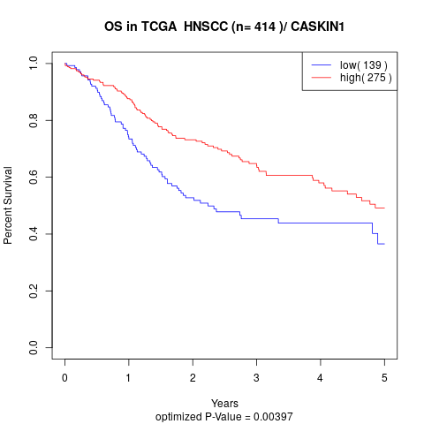

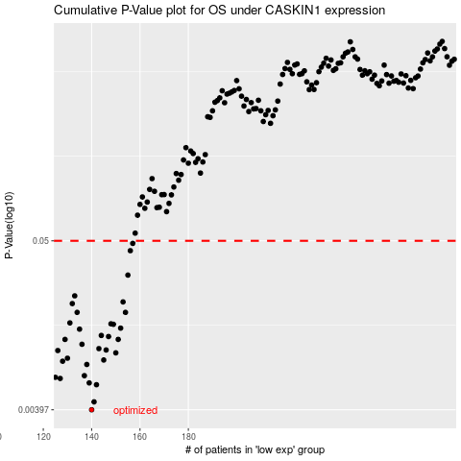

 |  |  |  |  |  | cases_OS | p_OS | rank | exp
 |  |  |  |  |  | 140 | 0.00397 | 380 | -0.50692891688
 |  |  |  |  |  | 141 | 0.00447 | 136 | -0.50345780461
 |  |  |  |  |  | 142 | 0.00578 | 272 | -0.49887889055
 |  |  |  |  |  | 139 | 0.00594 | 133 | -0.50772079001
 |  |  |  |  |  | 127 | 0.00635 | 334 | -0.52459220096
 |  |  |  |  |  | 125 | 0.00646 | 122 | -0.52694320253
 |  |  |  |  |  | 137 | 0.00662 | 312 | -0.50859472254
 |  |  |  |  |  | 138 | 0.00783 | 375 | -0.50809005728
 |  |  |  |  |  | 128 | 0.00822 | 112 | -0.52446090593
 |  |  |  |  |  | 145 | 0.00837 | 388 | -0.49139507402
 |  |  |  |  |  | 130 | 0.0086 | 188 | -0.51970556418
 |  |  |  |  |  | 150 | 0.00932 | 171 | -0.48592171259
 |  |  |  |  |  | 126 | 0.00965 | 379 | -0.52611850564
 |  |  |  |  |  | 146 | 0.00973 | 156 | -0.49093143846
 |  |  |  |  |  | 143 | 0.00993 | 295 | -0.49483746551
 |  |  |  |  |  | 136 | 0.0106 | 297 | -0.50877935617
 |  |  |  |  |  | 129 | 0.0114 | 206 | -0.52063283531
 |  |  |  |  |  | 151 | 0.0114 | 354 | -0.48539653249
 |  |  |  |  |  | 147 | 0.0119 | 252 | -0.48879789427
 |  |  |  |  |  | 144 | 0.0121 | 66 | -0.49351220633
 |  |  |  |  |  | 135 | 0.0133 | 56 | -0.51233252783
 |  |  |  |  |  | 152 | 0.0135 | 120 | -0.48518317807
 |  |  |  |  |  | 149 | 0.0143 | 108 | -0.48613506701
 |  |  |  |  |  | 148 | 0.0144 | 10 | -0.48842042107
 |  |  |  |  |  | 131 | 0.0146 | 169 | -0.51859365942
 |  |  |  |  |  | 154 | 0.0171 | 26 | -0.48224955481
 |  |  |  |  |  | 134 | 0.0171 | 202 | -0.51314491581
 |  |  |  |  |  | 132 | 0.0195 | 415 | -0.51641498257
 |  |  |  |  |  | 153 | 0.02 | 322 | -0.48431334852
 |  |  |  |  |  | 133 | 0.0219 | 107 | -0.51350187416
 |  |  |  |  |  | 155 | 0.0299 | 35 | -0.481954141
 |  |  |  |  |  | 156 | 0.0431 | 346 | -0.47869228018
 |  |  |  |  |  | 157 | 0.0481 | 341 | -0.47641923503
 |  |  |  |  |  |  | cases_RFS | p_RFS | rank | exp
 |  |  |  |  |  |  | 139 | 0.00397 | 133 | -0.50772079001
 |  |  |  |  |  |  | 140 | 0.00447 | 380 | -0.50692891688
 |  |  |  |  |  |  | 141 | 0.00578 | 136 | -0.50345780461
 |  |  |  |  |  |  | 138 | 0.00594 | 375 | -0.50809005728
 |  |  |  |  |  |  | 126 | 0.00635 | 379 | -0.52611850564
 |  |  |  |  |  |  |  | 0.00646 | 339 | -0.52867875867
 |  |  |  |  |  |  | 136 | 0.00662 | 297 | -0.50877935617
 |  |  |  |  |  |  | 137 | 0.00783 | 312 | -0.50859472254
 |  |  |  |  |  |  | 127 | 0.00822 | 334 | -0.52459220096
 |  |  |  |  |  |  | 144 | 0.00837 | 66 | -0.49351220633
 |  |  |  |  |  |  | 129 | 0.0086 | 206 | -0.52063283531
 |  |  |  |  |  |  | 149 | 0.00932 | 108 | -0.48613506701
 |  |  |  |  |  |  | 125 | 0.00965 | 122 | -0.52694320253
 |  |  |  |  |  |  | 145 | 0.00973 | 388 | -0.49139507402
 |  |  |  |  |  |  | 142 | 0.00993 | 272 | -0.49887889055
 |  |  |  |  |  |  | 135 | 0.0106 | 56 | -0.51233252783
 |  |  |  |  |  |  | 128 | 0.0114 | 112 | -0.52446090593
 |  |  |  |  |  |  | 150 | 0.0114 | 171 | -0.48592171259
 |  |  |  |  |  |  | 146 | 0.0119 | 156 | -0.49093143846
 |  |  |  |  |  |  | 143 | 0.0121 | 295 | -0.49483746551
 |  |  |  |  |  |  | 134 | 0.0133 | 202 | -0.51314491581
 |  |  |  |  |  |  | 151 | 0.0135 | 354 | -0.48539653249
 |  |  |  |  |  |  | 148 | 0.0143 | 10 | -0.48842042107
 |  |  |  |  |  |  | 147 | 0.0144 | 252 | -0.48879789427
 |  |  |  |  |  |  | 130 | 0.0146 | 188 | -0.51970556418
 |  |  |  |  |  |  | 133 | 0.0171 | 107 | -0.51350187416
 |  |  |  |  |  |  | 153 | 0.0171 | 322 | -0.48431334852
 |  |  |  |  |  |  | 131 | 0.0195 | 169 | -0.51859365942
 |  |  |  |  |  |  | 152 | 0.02 | 120 | -0.48518317807
 |  |  |  |  |  |  | 132 | 0.0219 | 415 | -0.51641498257
 |  |  |  |  |  |  | 154 | 0.0299 | 26 | -0.48224955481
 |  |  |  |  |  |  | 155 | 0.0431 | 35 | -0.481954141
 |  |  |  |  |  |  | 156 | 0.0481 | 346 | -0.47869228018

