CASKIN2 _multivariate
Reported by Tex Li-Hsing Chi. tex@gate.sinica.edu.tw 2019-08-21

Table 2. The clinicopathological features of HNSCC cohort and CASKIN2 expression. (Chi square test)
Cutoff at -0.112 (49.8%)
 |  | CASKIN2 expression |  | CASKIN2 expression |  | (Optimised)
 | Features | Low | (%) | High | (%) | Case no | P-value | Remark | Matthews
Gender | Female | 155 | 37.3 | 151 | 36.4 | 415 | 0.6768 | 0 | 0
2 | Male | 52 | 12.5 | 57 | 13.7
Age at diagnosis | <=65y | 130 | 31.3 | 144 | 34.7 | 415 | 0.2009 | 0 | 0
4 | >65y | 77 | 18.6 | 64 | 15.4
Clinical T Status | T1+T2 | 68 | 16.4 | 81 | 19.5 | 415 | 0.2336 | 0 | 0
6 | T3+T4 | 139 | 33.5 | 127 | 30.6
Clinical N Status | N0 | 100 | 24.1 | 116 | 28 | 415 | 0.1548 | 0 | 0
8 | N1-3 | 107 | 25.8 | 92 | 22.2
Clinical M Status | M0 | 205 | 49.4 | 207 | 49.9 | 415 | 0.6232 | 0 | 0
10 | M1 | 2 | 0.5 | 1 | 0.2
Clinical Stage | Stage I+II | 48 | 11.6 | 54 | 13 | 415 | 0.5878 | 0 | 0
12 | Stage III+IV | 159 | 38.3 | 154 | 37.1
Surgical Margin status | Negative | 153 | 36.9 | 165 | 39.8 | 415 | 0.2036 | 0 | 0
14 | Positive | 54 | 13 | 43 | 10.4
Tobacco Exposure | Low | 84 | 20.2 | 77 | 18.6 | 415 | 0.4816 | 0 | 0
16 | High | 123 | 29.6 | 131 | 31.6

Table 3. Univariate/Multivariate Cox's proportional hazards regression analyses on OS time of CASKIN2 gene expression in HNSCC

 |  | Univariate |  |  |  | Multivariate
 | Features | HR | CI95%(L) | CI95%(H) | P-value | HR | CI95%(L) | CI95%(H) | P-value
1 | Female | 1 |  |  |  | 1
Gender | Male | 1.157 | 0.843 | 1.587 | 0.367 | 1.202 | 0.86 | 1.68 | 0.281
11 | <=65y | 1 |  |  |  | 1
Age at diagnosis | >65y | 1.329 | 0.99 | 1.784 | 0.058 | 1.401 | 1.028 | 1.908 | 0.033
12 | T1+T2 | 1 |  |  |  | 1
Clinical T Status | T3+T4 | 1.409 | 1.028 | 1.931 | 0.033 | 2.222 | 1.173 | 4.209 | 0.014
13 | N0 | 1 |  |  |  | 1
Clinical N Status | N1-3 | 1.185 | 0.89 | 1.577 | 0.246 | 1.247 | 0.873 | 1.782 | 0.224
14 | M0 | 1 |  |  |  | 1
Clinical M Status | M1 | 4.097 | 1.009 | 16.644 | 0.049 | 9.532 | 2.076 | 43.766 | 0.004
15 | Stage I+II | 1 |  |  |  | 1
Clinical Stage | Stage III+IV | 1.245 | 0.882 | 1.759 | 0.213 | 0.499 | 0.232 | 1.074 | 0.076
16 | Negative | 1 |  |  |  | 1
Surgical Margin status | Positive | 1.591 | 1.155 | 2.191 | 0.004 | 1.683 | 1.215 | 2.33 | 0.002
17 | Low | 1 |  |  |  | 1
Tobacco Exposure | High | 1.364 | 1.008 | 1.844 | 0.044 | 1.451 | 1.053 | 2 | 0.023
18 | Low | 1 |  |  |  | 1
RNAseq(z-score) | High | 0.948 | 0.712 | 1.262 | 0.712 | 1.056 | 0.789 | 1.414 | 0.714

Table 4. Univariate/Multivariate Cox's proportional hazards regression analyses on RFS time of CASKIN2 gene expression in HNSCC

 |  | Univariate |  |  |  | Multivariate
 | Features | HR | CI95%(L) | CI95%(H) | P-value | HR | CI95%(L) | CI95%(H) | P-value
1 | Female | 1 |  |  |  | 1
Gender | Male | 1.157 | 0.843 | 1.587 | 0.367 | 1.202 | 0.86 | 1.68 | 0.281
11 | <=65y | 1 |  |  |  | 1
Age at diagnosis | >65y | 1.329 | 0.99 | 1.784 | 0.058 | 1.401 | 1.028 | 1.908 | 0.033
12 | T1+T2 | 1 |  |  |  | 1
Clinical T Status | T3+T4 | 1.409 | 1.028 | 1.931 | 0.033 | 2.222 | 1.173 | 4.209 | 0.014
13 | N0 | 1 |  |  |  | 1
Clinical N Status | N1-3 | 1.185 | 0.89 | 1.577 | 0.246 | 1.247 | 0.873 | 1.782 | 0.224
14 | M0 | 1 |  |  |  | 1
Clinical M Status | M1 | 4.097 | 1.009 | 16.644 | 0.049 | 9.532 | 2.076 | 43.766 | 0.004
15 | Stage I+II | 1 |  |  |  | 1
Clinical Stage | Stage III+IV | 1.245 | 0.882 | 1.759 | 0.213 | 0.499 | 0.232 | 1.074 | 0.076
16 | Negative | 1 |  |  |  | 1
Surgical Margin status | Positive | 1.591 | 1.155 | 2.191 | 0.004 | 1.683 | 1.215 | 2.33 | 0.002
17 | Low | 1 |  |  |  | 1
Tobacco Exposure | High | 1.364 | 1.008 | 1.844 | 0.044 | 1.451 | 1.053 | 2 | 0.023
18 | Low | 1 |  |  |  | 1
RNAseq(z-score) | High | 0.948 | 0.712 | 1.262 | 0.712 | 1.056 | 0.789 | 1.414 | 0.714

Kaplan-Meier survival estimate: Cutoff at -0.112 (49.8%)



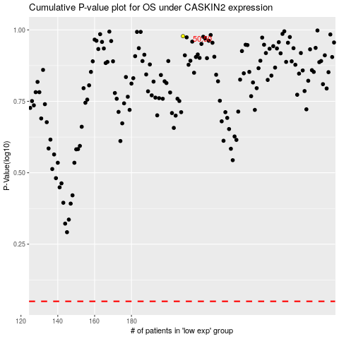

 |  |  |  |  |  | cases_OS | p_OS | rank | exp
 |  |  |  |  |  |  | cases_RFS | p_RFS | rank | exp

