CASP14 _multivariate
Reported by Tex Li-Hsing Chi. tex@gate.sinica.edu.tw 2019-08-21

Table 2. The clinicopathological features of HNSCC cohort and CASP14 expression. (Chi square test)
Cutoff at -0.293 (50.0%)
 |  | CASP14 expression |  | CASP14 expression |  | (Optimised)
 | Features | Low | (%) | High | (%) | Case no | P-value | Remark | Matthews
Gender | Female | 166 | 40 | 140 | 33.7 | 415 | 0.0041 | 1 | 0
2 | Male | 41 | 9.9 | 68 | 16.4
Age at diagnosis | <=65y | 140 | 33.7 | 134 | 32.3 | 415 | 0.5574 | 0 | 0
4 | >65y | 67 | 16.1 | 74 | 17.8
Clinical T Status | T1+T2 | 82 | 19.8 | 67 | 16.1 | 415 | 0.1417 | 0 | 0
6 | T3+T4 | 125 | 30.1 | 141 | 34
Clinical N Status | N0 | 106 | 25.5 | 110 | 26.5 | 415 | 0.8075 | 0 | 0
8 | N1-3 | 101 | 24.3 | 98 | 23.6
Clinical M Status | M0 | 206 | 49.6 | 206 | 49.6 | 415 | 1 | 0 | 0
10 | M1 | 1 | 0.2 | 2 | 0.5
Clinical Stage | Stage I+II | 48 | 11.6 | 54 | 13 | 415 | 0.5878 | 0 | 0
12 | Stage III+IV | 159 | 38.3 | 154 | 37.1
Surgical Margin status | Negative | 159 | 38.3 | 159 | 38.3 | 415 | 1 | 0 | 0
14 | Positive | 48 | 11.6 | 49 | 11.8
Tobacco Exposure | Low | 64 | 15.4 | 97 | 23.4 | 415 | 0.0012 | 1 | 0
16 | High | 143 | 34.5 | 111 | 26.7

Table 3. Univariate/Multivariate Cox's proportional hazards regression analyses on OS time of CASP14 gene expression in HNSCC

 |  | Univariate |  |  |  | Multivariate
 | Features | HR | CI95%(L) | CI95%(H) | P-value | HR | CI95%(L) | CI95%(H) | P-value
1 | Female | 1 |  |  |  | 1
Gender | Male | 1.157 | 0.843 | 1.587 | 0.367 | 1.204 | 0.86 | 1.684 | 0.279
11 | <=65y | 1 |  |  |  | 1
Age at diagnosis | >65y | 1.329 | 0.99 | 1.784 | 0.058 | 1.391 | 1.023 | 1.891 | 0.035
12 | T1+T2 | 1 |  |  |  | 1
Clinical T Status | T3+T4 | 1.409 | 1.028 | 1.931 | 0.033 | 2.212 | 1.164 | 4.204 | 0.015
13 | N0 | 1 |  |  |  | 1
Clinical N Status | N1-3 | 1.185 | 0.89 | 1.577 | 0.246 | 1.24 | 0.869 | 1.77 | 0.236
14 | M0 | 1 |  |  |  | 1
Clinical M Status | M1 | 4.097 | 1.009 | 16.644 | 0.049 | 9.5 | 2.051 | 43.994 | 0.004
15 | Stage I+II | 1 |  |  |  | 1
Clinical Stage | Stage III+IV | 1.245 | 0.882 | 1.759 | 0.213 | 0.502 | 0.232 | 1.084 | 0.079
16 | Negative | 1 |  |  |  | 1
Surgical Margin status | Positive | 1.591 | 1.155 | 2.191 | 0.004 | 1.673 | 1.21 | 2.312 | 0.002
17 | Low | 1 |  |  |  | 1
Tobacco Exposure | High | 1.364 | 1.008 | 1.844 | 0.044 | 1.449 | 1.046 | 2.005 | 0.026
18 | Low | 1 |  |  |  | 1
RNAseq(z-score) | High | 0.998 | 0.75 | 1.329 | 0.99 | 0.983 | 0.729 | 1.326 | 0.913

Table 4. Univariate/Multivariate Cox's proportional hazards regression analyses on RFS time of CASP14 gene expression in HNSCC

 |  | Univariate |  |  |  | Multivariate
 | Features | HR | CI95%(L) | CI95%(H) | P-value | HR | CI95%(L) | CI95%(H) | P-value
1 | Female | 1 |  |  |  | 1
Gender | Male | 1.157 | 0.843 | 1.587 | 0.367 | 1.204 | 0.86 | 1.684 | 0.279
11 | <=65y | 1 |  |  |  | 1
Age at diagnosis | >65y | 1.329 | 0.99 | 1.784 | 0.058 | 1.391 | 1.023 | 1.891 | 0.035
12 | T1+T2 | 1 |  |  |  | 1
Clinical T Status | T3+T4 | 1.409 | 1.028 | 1.931 | 0.033 | 2.212 | 1.164 | 4.204 | 0.015
13 | N0 | 1 |  |  |  | 1
Clinical N Status | N1-3 | 1.185 | 0.89 | 1.577 | 0.246 | 1.24 | 0.869 | 1.77 | 0.236
14 | M0 | 1 |  |  |  | 1
Clinical M Status | M1 | 4.097 | 1.009 | 16.644 | 0.049 | 9.5 | 2.051 | 43.994 | 0.004
15 | Stage I+II | 1 |  |  |  | 1
Clinical Stage | Stage III+IV | 1.245 | 0.882 | 1.759 | 0.213 | 0.502 | 0.232 | 1.084 | 0.079
16 | Negative | 1 |  |  |  | 1
Surgical Margin status | Positive | 1.591 | 1.155 | 2.191 | 0.004 | 1.673 | 1.21 | 2.312 | 0.002
17 | Low | 1 |  |  |  | 1
Tobacco Exposure | High | 1.364 | 1.008 | 1.844 | 0.044 | 1.449 | 1.046 | 2.005 | 0.026
18 | Low | 1 |  |  |  | 1
RNAseq(z-score) | High | 0.998 | 0.75 | 1.329 | 0.99 | 0.983 | 0.729 | 1.326 | 0.913

Kaplan-Meier survival estimate: Cutoff at -0.293 (50.0%)

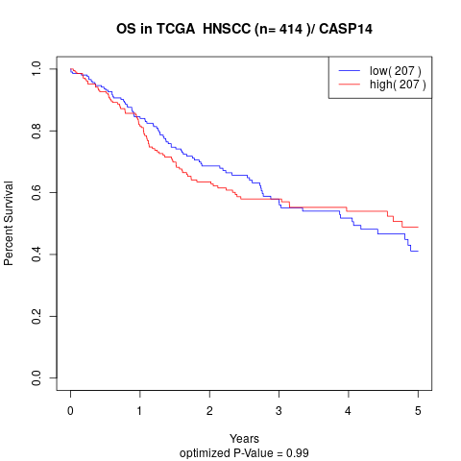

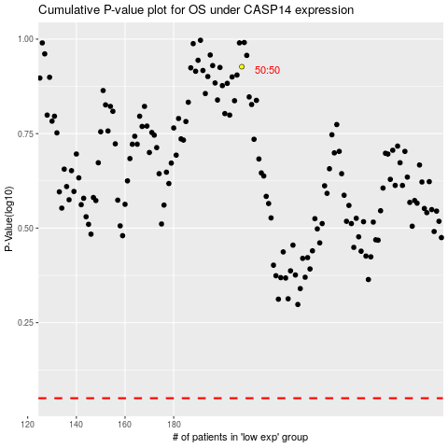

 |  |  |  |  |  | cases_OS | p_OS | rank | exp
 |  |  |  |  |  |  | cases_RFS | p_RFS | rank | exp

