CASP4 _multivariate
Reported by Tex Li-Hsing Chi. tex@gate.sinica.edu.tw 2019-08-21

Table 2. The clinicopathological features of HNSCC cohort and CASP4 expression. (Chi square test)
Cutoff at -0.253 (50.0%)
 |  | CASP4 expression |  | CASP4 expression |  | (Optimised)
 | Features | Low | (%) | High | (%) | Case no | P-value | Remark | Matthews
Gender | Female | 169 | 40.7 | 137 | 33 | 415 | 4e-04 | 1 | 0
2 | Male | 38 | 9.2 | 71 | 17.1
Age at diagnosis | <=65y | 141 | 34 | 133 | 32 | 415 | 0.4272 | 0 | 0
4 | >65y | 66 | 15.9 | 75 | 18.1
Clinical T Status | T1+T2 | 74 | 17.8 | 75 | 18.1 | 415 | 1 | 0 | 0
6 | T3+T4 | 133 | 32 | 133 | 32
Clinical N Status | N0 | 99 | 23.9 | 117 | 28.2 | 415 | 0.1054 | 0 | 0
8 | N1-3 | 108 | 26 | 91 | 21.9
Clinical M Status | M0 | 207 | 49.9 | 205 | 49.4 | 415 | 0.2482 | 0 | 0
10 | M1 | 0 | 0 | 3 | 0.7
Clinical Stage | Stage I+II | 45 | 10.8 | 57 | 13.7 | 415 | 0.2202 | 0 | 0
12 | Stage III+IV | 162 | 39 | 151 | 36.4
Surgical Margin status | Negative | 156 | 37.6 | 162 | 39 | 415 | 0.5636 | 0 | 0
14 | Positive | 51 | 12.3 | 46 | 11.1
Tobacco Exposure | Low | 60 | 14.5 | 101 | 24.3 | 415 | 1e-04 | 1 | 0
16 | High | 147 | 35.4 | 107 | 25.8

Table 3. Univariate/Multivariate Cox's proportional hazards regression analyses on OS time of CASP4 gene expression in HNSCC

 |  | Univariate |  |  |  | Multivariate
 | Features | HR | CI95%(L) | CI95%(H) | P-value | HR | CI95%(L) | CI95%(H) | P-value
1 | Female | 1 |  |  |  | 1
Gender | Male | 1.157 | 0.843 | 1.587 | 0.367 | 1.161 | 0.824 | 1.634 | 0.393
11 | <=65y | 1 |  |  |  | 1
Age at diagnosis | >65y | 1.329 | 0.99 | 1.784 | 0.058 | 1.394 | 1.026 | 1.896 | 0.034
12 | T1+T2 | 1 |  |  |  | 1
Clinical T Status | T3+T4 | 1.409 | 1.028 | 1.931 | 0.033 | 2.165 | 1.144 | 4.096 | 0.018
13 | N0 | 1 |  |  |  | 1
Clinical N Status | N1-3 | 1.185 | 0.89 | 1.577 | 0.246 | 1.251 | 0.877 | 1.785 | 0.216
14 | M0 | 1 |  |  |  | 1
Clinical M Status | M1 | 4.097 | 1.009 | 16.644 | 0.049 | 8.467 | 1.821 | 39.37 | 0.006
15 | Stage I+II | 1 |  |  |  | 1
Clinical Stage | Stage III+IV | 1.245 | 0.882 | 1.759 | 0.213 | 0.523 | 0.243 | 1.125 | 0.097
16 | Negative | 1 |  |  |  | 1
Surgical Margin status | Positive | 1.591 | 1.155 | 2.191 | 0.004 | 1.675 | 1.212 | 2.314 | 0.002
17 | Low | 1 |  |  |  | 1
Tobacco Exposure | High | 1.364 | 1.008 | 1.844 | 0.044 | 1.498 | 1.08 | 2.078 | 0.015
18 | Low | 1 |  |  |  | 1
RNAseq(z-score) | High | 1.108 | 0.832 | 1.477 | 0.483 | 1.164 | 0.853 | 1.588 | 0.339

Table 4. Univariate/Multivariate Cox's proportional hazards regression analyses on RFS time of CASP4 gene expression in HNSCC

 |  | Univariate |  |  |  | Multivariate
 | Features | HR | CI95%(L) | CI95%(H) | P-value | HR | CI95%(L) | CI95%(H) | P-value
1 | Female | 1 |  |  |  | 1
Gender | Male | 1.157 | 0.843 | 1.587 | 0.367 | 1.161 | 0.824 | 1.634 | 0.393
11 | <=65y | 1 |  |  |  | 1
Age at diagnosis | >65y | 1.329 | 0.99 | 1.784 | 0.058 | 1.394 | 1.026 | 1.896 | 0.034
12 | T1+T2 | 1 |  |  |  | 1
Clinical T Status | T3+T4 | 1.409 | 1.028 | 1.931 | 0.033 | 2.165 | 1.144 | 4.096 | 0.018
13 | N0 | 1 |  |  |  | 1
Clinical N Status | N1-3 | 1.185 | 0.89 | 1.577 | 0.246 | 1.251 | 0.877 | 1.785 | 0.216
14 | M0 | 1 |  |  |  | 1
Clinical M Status | M1 | 4.097 | 1.009 | 16.644 | 0.049 | 8.467 | 1.821 | 39.37 | 0.006
15 | Stage I+II | 1 |  |  |  | 1
Clinical Stage | Stage III+IV | 1.245 | 0.882 | 1.759 | 0.213 | 0.523 | 0.243 | 1.125 | 0.097
16 | Negative | 1 |  |  |  | 1
Surgical Margin status | Positive | 1.591 | 1.155 | 2.191 | 0.004 | 1.675 | 1.212 | 2.314 | 0.002
17 | Low | 1 |  |  |  | 1
Tobacco Exposure | High | 1.364 | 1.008 | 1.844 | 0.044 | 1.498 | 1.08 | 2.078 | 0.015
18 | Low | 1 |  |  |  | 1
RNAseq(z-score) | High | 1.108 | 0.832 | 1.477 | 0.483 | 1.164 | 0.853 | 1.588 | 0.339

Kaplan-Meier survival estimate: Cutoff at -0.253 (50.0%)



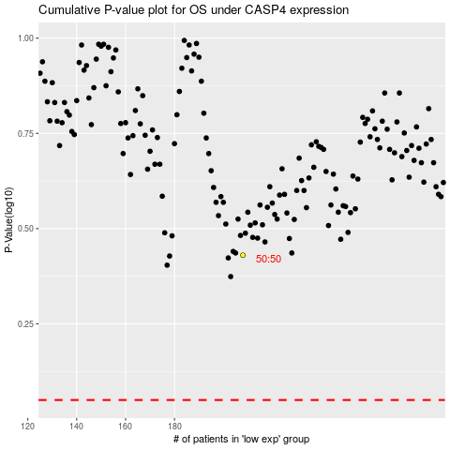

 |  |  |  |  |  | cases_OS | p_OS | rank | exp
 |  |  |  |  |  |  | cases_RFS | p_RFS | rank | exp

