CASP6 _multivariate
Reported by Tex Li-Hsing Chi. tex@gate.sinica.edu.tw 2019-08-21

Table 2. The clinicopathological features of HNSCC cohort and CASP6 expression. (Chi square test)
Cutoff at -0.181 (49.8%)
 |  | CASP6 expression |  | CASP6 expression |  | (Optimised)
 | Features | Low | (%) | High | (%) | Case no | P-value | Remark | Matthews
Gender | Female | 160 | 38.6 | 146 | 35.2 | 415 | 0.1254 | 0 | 0
2 | Male | 47 | 11.3 | 62 | 14.9
Age at diagnosis | <=65y | 137 | 33 | 137 | 33 | 415 | 1 | 0 | 0
4 | >65y | 70 | 16.9 | 71 | 17.1
Clinical T Status | T1+T2 | 69 | 16.6 | 80 | 19.3 | 415 | 0.3239 | 0 | 0
6 | T3+T4 | 138 | 33.3 | 128 | 30.8
Clinical N Status | N0 | 107 | 25.8 | 109 | 26.3 | 415 | 0.9624 | 0 | 0
8 | N1-3 | 100 | 24.1 | 99 | 23.9
Clinical M Status | M0 | 205 | 49.4 | 207 | 49.9 | 415 | 0.6232 | 0 | 0
10 | M1 | 2 | 0.5 | 1 | 0.2
Clinical Stage | Stage I+II | 45 | 10.8 | 57 | 13.7 | 415 | 0.2202 | 0 | 0
12 | Stage III+IV | 162 | 39 | 151 | 36.4
Surgical Margin status | Negative | 170 | 41 | 148 | 35.7 | 415 | 0.0105 | 1 | 0
14 | Positive | 37 | 8.9 | 60 | 14.5
Tobacco Exposure | Low | 75 | 18.1 | 86 | 20.7 | 415 | 0.3141 | 0 | 0
16 | High | 132 | 31.8 | 122 | 29.4

Table 3. Univariate/Multivariate Cox's proportional hazards regression analyses on OS time of CASP6 gene expression in HNSCC

 |  | Univariate |  |  |  | Multivariate
 | Features | HR | CI95%(L) | CI95%(H) | P-value | HR | CI95%(L) | CI95%(H) | P-value
1 | Female | 1 |  |  |  | 1
Gender | Male | 1.157 | 0.843 | 1.587 | 0.367 | 1.199 | 0.858 | 1.676 | 0.287
11 | <=65y | 1 |  |  |  | 1
Age at diagnosis | >65y | 1.329 | 0.99 | 1.784 | 0.058 | 1.392 | 1.024 | 1.893 | 0.035
12 | T1+T2 | 1 |  |  |  | 1
Clinical T Status | T3+T4 | 1.409 | 1.028 | 1.931 | 0.033 | 2.21 | 1.168 | 4.182 | 0.015
13 | N0 | 1 |  |  |  | 1
Clinical N Status | N1-3 | 1.185 | 0.89 | 1.577 | 0.246 | 1.239 | 0.869 | 1.769 | 0.237
14 | M0 | 1 |  |  |  | 1
Clinical M Status | M1 | 4.097 | 1.009 | 16.644 | 0.049 | 9.539 | 2.073 | 43.898 | 0.004
15 | Stage I+II | 1 |  |  |  | 1
Clinical Stage | Stage III+IV | 1.245 | 0.882 | 1.759 | 0.213 | 0.505 | 0.235 | 1.083 | 0.079
16 | Negative | 1 |  |  |  | 1
Surgical Margin status | Positive | 1.591 | 1.155 | 2.191 | 0.004 | 1.663 | 1.201 | 2.304 | 0.002
17 | Low | 1 |  |  |  | 1
Tobacco Exposure | High | 1.364 | 1.008 | 1.844 | 0.044 | 1.454 | 1.055 | 2.004 | 0.022
18 | Low | 1 |  |  |  | 1
RNAseq(z-score) | High | 1.04 | 0.781 | 1.386 | 0.789 | 1.039 | 0.776 | 1.39 | 0.799

Table 4. Univariate/Multivariate Cox's proportional hazards regression analyses on RFS time of CASP6 gene expression in HNSCC

 |  | Univariate |  |  |  | Multivariate
 | Features | HR | CI95%(L) | CI95%(H) | P-value | HR | CI95%(L) | CI95%(H) | P-value
1 | Female | 1 |  |  |  | 1
Gender | Male | 1.157 | 0.843 | 1.587 | 0.367 | 1.199 | 0.858 | 1.676 | 0.287
11 | <=65y | 1 |  |  |  | 1
Age at diagnosis | >65y | 1.329 | 0.99 | 1.784 | 0.058 | 1.392 | 1.024 | 1.893 | 0.035
12 | T1+T2 | 1 |  |  |  | 1
Clinical T Status | T3+T4 | 1.409 | 1.028 | 1.931 | 0.033 | 2.21 | 1.168 | 4.182 | 0.015
13 | N0 | 1 |  |  |  | 1
Clinical N Status | N1-3 | 1.185 | 0.89 | 1.577 | 0.246 | 1.239 | 0.869 | 1.769 | 0.237
14 | M0 | 1 |  |  |  | 1
Clinical M Status | M1 | 4.097 | 1.009 | 16.644 | 0.049 | 9.539 | 2.073 | 43.898 | 0.004
15 | Stage I+II | 1 |  |  |  | 1
Clinical Stage | Stage III+IV | 1.245 | 0.882 | 1.759 | 0.213 | 0.505 | 0.235 | 1.083 | 0.079
16 | Negative | 1 |  |  |  | 1
Surgical Margin status | Positive | 1.591 | 1.155 | 2.191 | 0.004 | 1.663 | 1.201 | 2.304 | 0.002
17 | Low | 1 |  |  |  | 1
Tobacco Exposure | High | 1.364 | 1.008 | 1.844 | 0.044 | 1.454 | 1.055 | 2.004 | 0.022
18 | Low | 1 |  |  |  | 1
RNAseq(z-score) | High | 1.04 | 0.781 | 1.386 | 0.789 | 1.039 | 0.776 | 1.39 | 0.799

Kaplan-Meier survival estimate: Cutoff at -0.181 (49.8%)



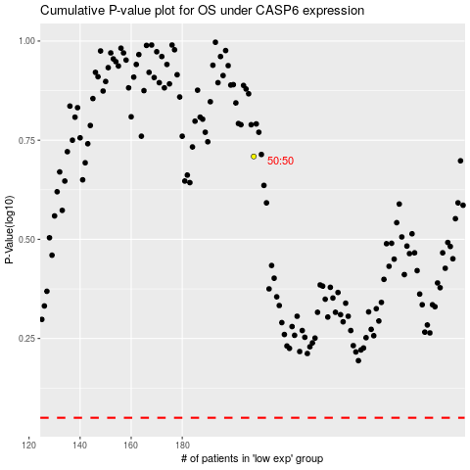

 |  |  |  |  |  | cases_OS | p_OS | rank | exp
 |  |  |  |  |  |  | cases_RFS | p_RFS | rank | exp

