CASP7 _multivariate
Reported by Tex Li-Hsing Chi. tex@gate.sinica.edu.tw 2019-08-21

Table 2. The clinicopathological features of HNSCC cohort and CASP7 expression. (Chi square test)
Cutoff at -0.176 (50.0%)
 |  | CASP7 expression |  | CASP7 expression |  | (Optimised)
 | Features | Low | (%) | High | (%) | Case no | P-value | Remark | Matthews
Gender | Female | 163 | 39.3 | 143 | 34.5 | 415 | 0.0277 | 1 | 0
2 | Male | 44 | 10.6 | 65 | 15.7
Age at diagnosis | <=65y | 142 | 34.2 | 132 | 31.8 | 415 | 0.3167 | 0 | 0
4 | >65y | 65 | 15.7 | 76 | 18.3
Clinical T Status | T1+T2 | 65 | 15.7 | 84 | 20.2 | 415 | 0.0711 | 0 | 0
6 | T3+T4 | 142 | 34.2 | 124 | 29.9
Clinical N Status | N0 | 100 | 24.1 | 116 | 28 | 415 | 0.1548 | 0 | 0
8 | N1-3 | 107 | 25.8 | 92 | 22.2
Clinical M Status | M0 | 205 | 49.4 | 207 | 49.9 | 415 | 0.6232 | 0 | 0
10 | M1 | 2 | 0.5 | 1 | 0.2
Clinical Stage | Stage I+II | 40 | 9.6 | 62 | 14.9 | 415 | 0.018 | 1 | 0
12 | Stage III+IV | 167 | 40.2 | 146 | 35.2
Surgical Margin status | Negative | 158 | 38.1 | 160 | 38.6 | 415 | 0.9081 | 0 | 0
14 | Positive | 49 | 11.8 | 48 | 11.6
Tobacco Exposure | Low | 67 | 16.1 | 94 | 22.7 | 415 | 0.0088 | 1 | 0
16 | High | 140 | 33.7 | 114 | 27.5

Table 3. Univariate/Multivariate Cox's proportional hazards regression analyses on OS time of CASP7 gene expression in HNSCC

 |  | Univariate |  |  |  | Multivariate
 | Features | HR | CI95%(L) | CI95%(H) | P-value | HR | CI95%(L) | CI95%(H) | P-value
1 | Female | 1 |  |  |  | 1
Gender | Male | 1.157 | 0.843 | 1.587 | 0.367 | 1.2 | 0.858 | 1.678 | 0.288
11 | <=65y | 1 |  |  |  | 1
Age at diagnosis | >65y | 1.329 | 0.99 | 1.784 | 0.058 | 1.392 | 1.024 | 1.893 | 0.035
12 | T1+T2 | 1 |  |  |  | 1
Clinical T Status | T3+T4 | 1.409 | 1.028 | 1.931 | 0.033 | 2.202 | 1.164 | 4.163 | 0.015
13 | N0 | 1 |  |  |  | 1
Clinical N Status | N1-3 | 1.185 | 0.89 | 1.577 | 0.246 | 1.24 | 0.869 | 1.77 | 0.235
14 | M0 | 1 |  |  |  | 1
Clinical M Status | M1 | 4.097 | 1.009 | 16.644 | 0.049 | 9.447 | 2.058 | 43.365 | 0.004
15 | Stage I+II | 1 |  |  |  | 1
Clinical Stage | Stage III+IV | 1.245 | 0.882 | 1.759 | 0.213 | 0.507 | 0.235 | 1.091 | 0.082
16 | Negative | 1 |  |  |  | 1
Surgical Margin status | Positive | 1.591 | 1.155 | 2.191 | 0.004 | 1.673 | 1.21 | 2.312 | 0.002
17 | Low | 1 |  |  |  | 1
Tobacco Exposure | High | 1.364 | 1.008 | 1.844 | 0.044 | 1.455 | 1.055 | 2.005 | 0.022
18 | Low | 1 |  |  |  | 1
RNAseq(z-score) | High | 0.948 | 0.712 | 1.263 | 0.717 | 1.019 | 0.759 | 1.367 | 0.9

Table 4. Univariate/Multivariate Cox's proportional hazards regression analyses on RFS time of CASP7 gene expression in HNSCC

 |  | Univariate |  |  |  | Multivariate
 | Features | HR | CI95%(L) | CI95%(H) | P-value | HR | CI95%(L) | CI95%(H) | P-value
1 | Female | 1 |  |  |  | 1
Gender | Male | 1.157 | 0.843 | 1.587 | 0.367 | 1.2 | 0.858 | 1.678 | 0.288
11 | <=65y | 1 |  |  |  | 1
Age at diagnosis | >65y | 1.329 | 0.99 | 1.784 | 0.058 | 1.392 | 1.024 | 1.893 | 0.035
12 | T1+T2 | 1 |  |  |  | 1
Clinical T Status | T3+T4 | 1.409 | 1.028 | 1.931 | 0.033 | 2.202 | 1.164 | 4.163 | 0.015
13 | N0 | 1 |  |  |  | 1
Clinical N Status | N1-3 | 1.185 | 0.89 | 1.577 | 0.246 | 1.24 | 0.869 | 1.77 | 0.235
14 | M0 | 1 |  |  |  | 1
Clinical M Status | M1 | 4.097 | 1.009 | 16.644 | 0.049 | 9.447 | 2.058 | 43.365 | 0.004
15 | Stage I+II | 1 |  |  |  | 1
Clinical Stage | Stage III+IV | 1.245 | 0.882 | 1.759 | 0.213 | 0.507 | 0.235 | 1.091 | 0.082
16 | Negative | 1 |  |  |  | 1
Surgical Margin status | Positive | 1.591 | 1.155 | 2.191 | 0.004 | 1.673 | 1.21 | 2.312 | 0.002
17 | Low | 1 |  |  |  | 1
Tobacco Exposure | High | 1.364 | 1.008 | 1.844 | 0.044 | 1.455 | 1.055 | 2.005 | 0.022
18 | Low | 1 |  |  |  | 1
RNAseq(z-score) | High | 0.948 | 0.712 | 1.263 | 0.717 | 1.019 | 0.759 | 1.367 | 0.9

Kaplan-Meier survival estimate: Cutoff at -0.176 (50.0%)



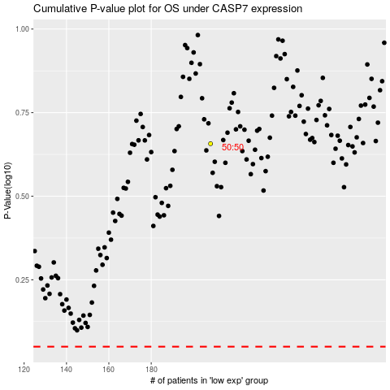

 |  |  |  |  |  | cases_OS | p_OS | rank | exp
 |  |  |  |  |  |  | cases_RFS | p_RFS | rank | exp

