CASP8AP2 _multivariate
Reported by Tex Li-Hsing Chi. tex@gate.sinica.edu.tw 2019-08-21

Table 2. The clinicopathological features of HNSCC cohort and CASP8AP2 expression. (Chi square test)
Cutoff at -0.167 (49.8%)
 |  | CASP8AP2 expression |  | CASP8AP2 expression |  | (Optimised)
 | Features | Low | (%) | High | (%) | Case no | P-value | Remark | Matthews
Gender | Female | 154 | 37.1 | 152 | 36.6 | 415 | 0.8463 | 0 | 0
2 | Male | 53 | 12.8 | 56 | 13.5
Age at diagnosis | <=65y | 136 | 32.8 | 138 | 33.3 | 415 | 0.9719 | 0 | 0
4 | >65y | 71 | 17.1 | 70 | 16.9
Clinical T Status | T1+T2 | 69 | 16.6 | 80 | 19.3 | 415 | 0.3239 | 0 | 0
6 | T3+T4 | 138 | 33.3 | 128 | 30.8
Clinical N Status | N0 | 116 | 28 | 100 | 24.1 | 415 | 0.1273 | 1 | 0
8 | N1-3 | 91 | 21.9 | 108 | 26
Clinical M Status | M0 | 204 | 49.2 | 208 | 50.1 | 415 | 0.1232 | 0 | 0
10 | M1 | 3 | 0.7 | 0 | 0
Clinical Stage | Stage I+II | 51 | 12.3 | 51 | 12.3 | 415 | 1 | 0 | 0
12 | Stage III+IV | 156 | 37.6 | 157 | 37.8
Surgical Margin status | Negative | 166 | 40 | 152 | 36.6 | 415 | 0.1042 | 0 | 0
14 | Positive | 41 | 9.9 | 56 | 13.5
Tobacco Exposure | Low | 79 | 19 | 82 | 19.8 | 415 | 0.8405 | 0 | 0
16 | High | 128 | 30.8 | 126 | 30.4

Table 3. Univariate/Multivariate Cox's proportional hazards regression analyses on OS time of CASP8AP2 gene expression in HNSCC

 |  | Univariate |  |  |  | Multivariate
 | Features | HR | CI95%(L) | CI95%(H) | P-value | HR | CI95%(L) | CI95%(H) | P-value
1 | Female | 1 |  |  |  | 1
Gender | Male | 1.157 | 0.843 | 1.587 | 0.367 | 1.2 | 0.859 | 1.677 | 0.285
11 | <=65y | 1 |  |  |  | 1
Age at diagnosis | >65y | 1.329 | 0.99 | 1.784 | 0.058 | 1.398 | 1.028 | 1.901 | 0.033
12 | T1+T2 | 1 |  |  |  | 1
Clinical T Status | T3+T4 | 1.409 | 1.028 | 1.931 | 0.033 | 2.167 | 1.143 | 4.107 | 0.018
13 | N0 | 1 |  |  |  | 1
Clinical N Status | N1-3 | 1.185 | 0.89 | 1.577 | 0.246 | 1.247 | 0.874 | 1.779 | 0.224
14 | M0 | 1 |  |  |  | 1
Clinical M Status | M1 | 4.097 | 1.009 | 16.644 | 0.049 | 8.874 | 1.912 | 41.192 | 0.005
15 | Stage I+II | 1 |  |  |  | 1
Clinical Stage | Stage III+IV | 1.245 | 0.882 | 1.759 | 0.213 | 0.51 | 0.237 | 1.096 | 0.084
16 | Negative | 1 |  |  |  | 1
Surgical Margin status | Positive | 1.591 | 1.155 | 2.191 | 0.004 | 1.678 | 1.214 | 2.319 | 0.002
17 | Low | 1 |  |  |  | 1
Tobacco Exposure | High | 1.364 | 1.008 | 1.844 | 0.044 | 1.45 | 1.052 | 1.999 | 0.023
18 | Low | 1 |  |  |  | 1
RNAseq(z-score) | High | 0.892 | 0.67 | 1.188 | 0.433 | 0.918 | 0.686 | 1.229 | 0.566

Table 4. Univariate/Multivariate Cox's proportional hazards regression analyses on RFS time of CASP8AP2 gene expression in HNSCC

 |  | Univariate |  |  |  | Multivariate
 | Features | HR | CI95%(L) | CI95%(H) | P-value | HR | CI95%(L) | CI95%(H) | P-value
1 | Female | 1 |  |  |  | 1
Gender | Male | 1.157 | 0.843 | 1.587 | 0.367 | 1.2 | 0.859 | 1.677 | 0.285
11 | <=65y | 1 |  |  |  | 1
Age at diagnosis | >65y | 1.329 | 0.99 | 1.784 | 0.058 | 1.398 | 1.028 | 1.901 | 0.033
12 | T1+T2 | 1 |  |  |  | 1
Clinical T Status | T3+T4 | 1.409 | 1.028 | 1.931 | 0.033 | 2.167 | 1.143 | 4.107 | 0.018
13 | N0 | 1 |  |  |  | 1
Clinical N Status | N1-3 | 1.185 | 0.89 | 1.577 | 0.246 | 1.247 | 0.874 | 1.779 | 0.224
14 | M0 | 1 |  |  |  | 1
Clinical M Status | M1 | 4.097 | 1.009 | 16.644 | 0.049 | 8.874 | 1.912 | 41.192 | 0.005
15 | Stage I+II | 1 |  |  |  | 1
Clinical Stage | Stage III+IV | 1.245 | 0.882 | 1.759 | 0.213 | 0.51 | 0.237 | 1.096 | 0.084
16 | Negative | 1 |  |  |  | 1
Surgical Margin status | Positive | 1.591 | 1.155 | 2.191 | 0.004 | 1.678 | 1.214 | 2.319 | 0.002
17 | Low | 1 |  |  |  | 1
Tobacco Exposure | High | 1.364 | 1.008 | 1.844 | 0.044 | 1.45 | 1.052 | 1.999 | 0.023
18 | Low | 1 |  |  |  | 1
RNAseq(z-score) | High | 0.892 | 0.67 | 1.188 | 0.433 | 0.918 | 0.686 | 1.229 | 0.566

Kaplan-Meier survival estimate: Cutoff at -0.167 (49.8%)



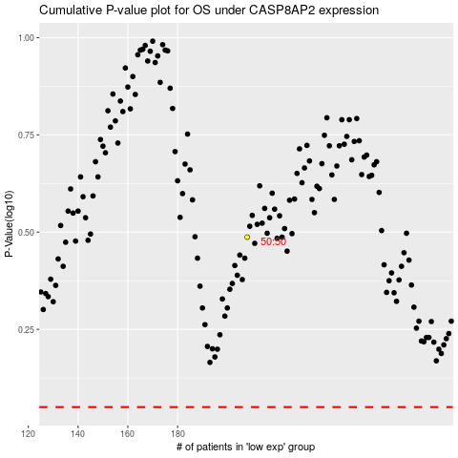

 |  |  |  |  |  | cases_OS | p_OS | rank | exp
 |  |  |  |  |  |  | cases_RFS | p_RFS | rank | exp

