CAST _multivariate
Reported by Tex Li-Hsing Chi. tex@gate.sinica.edu.tw 2019-08-21

Table 2. The clinicopathological features of HNSCC cohort and CAST expression. (Chi square test)
Cutoff at -0.223 (50.0%)
 |  | CAST expression |  | CAST expression |  | (Optimised)
 | Features | Low | (%) | High | (%) | Case no | P-value | Remark | Matthews
Gender | Female | 165 | 39.8 | 141 | 34 | 415 | 0.0081 | 1 | 0
2 | Male | 42 | 10.1 | 67 | 16.1
Age at diagnosis | <=65y | 146 | 35.2 | 128 | 30.8 | 415 | 0.0672 | 0 | 0
4 | >65y | 61 | 14.7 | 80 | 19.3
Clinical T Status | T1+T2 | 71 | 17.1 | 78 | 18.8 | 415 | 0.5638 | 0 | 0
6 | T3+T4 | 136 | 32.8 | 130 | 31.3
Clinical N Status | N0 | 104 | 25.1 | 112 | 27 | 415 | 0.5243 | 0 | 0
8 | N1-3 | 103 | 24.8 | 96 | 23.1
Clinical M Status | M0 | 206 | 49.6 | 206 | 49.6 | 415 | 1 | 0 | 0
10 | M1 | 1 | 0.2 | 2 | 0.5
Clinical Stage | Stage I+II | 48 | 11.6 | 54 | 13 | 415 | 0.5878 | 0 | 0
12 | Stage III+IV | 159 | 38.3 | 154 | 37.1
Surgical Margin status | Negative | 159 | 38.3 | 159 | 38.3 | 415 | 1 | 0 | 0
14 | Positive | 48 | 11.6 | 49 | 11.8
Tobacco Exposure | Low | 71 | 17.1 | 90 | 21.7 | 415 | 0.0698 | 0 | 0
16 | High | 136 | 32.8 | 118 | 28.4

Table 3. Univariate/Multivariate Cox's proportional hazards regression analyses on OS time of CAST gene expression in HNSCC

 |  | Univariate |  |  |  | Multivariate
 | Features | HR | CI95%(L) | CI95%(H) | P-value | HR | CI95%(L) | CI95%(H) | P-value
1 | Female | 1 |  |  |  | 1
Gender | Male | 1.157 | 0.843 | 1.587 | 0.367 | 1.189 | 0.851 | 1.66 | 0.31
11 | <=65y | 1 |  |  |  | 1
Age at diagnosis | >65y | 1.329 | 0.99 | 1.784 | 0.058 | 1.394 | 1.025 | 1.895 | 0.034
12 | T1+T2 | 1 |  |  |  | 1
Clinical T Status | T3+T4 | 1.409 | 1.028 | 1.931 | 0.033 | 2.256 | 1.191 | 4.271 | 0.013
13 | N0 | 1 |  |  |  | 1
Clinical N Status | N1-3 | 1.185 | 0.89 | 1.577 | 0.246 | 1.25 | 0.876 | 1.784 | 0.218
14 | M0 | 1 |  |  |  | 1
Clinical M Status | M1 | 4.097 | 1.009 | 16.644 | 0.049 | 9.432 | 2.057 | 43.248 | 0.004
15 | Stage I+II | 1 |  |  |  | 1
Clinical Stage | Stage III+IV | 1.245 | 0.882 | 1.759 | 0.213 | 0.496 | 0.231 | 1.066 | 0.073
16 | Negative | 1 |  |  |  | 1
Surgical Margin status | Positive | 1.591 | 1.155 | 2.191 | 0.004 | 1.688 | 1.22 | 2.334 | 0.002
17 | Low | 1 |  |  |  | 1
Tobacco Exposure | High | 1.364 | 1.008 | 1.844 | 0.044 | 1.471 | 1.066 | 2.028 | 0.019
18 | Low | 1 |  |  |  | 1
RNAseq(z-score) | High | 1.08 | 0.811 | 1.438 | 0.598 | 1.164 | 0.871 | 1.556 | 0.306

Table 4. Univariate/Multivariate Cox's proportional hazards regression analyses on RFS time of CAST gene expression in HNSCC

 |  | Univariate |  |  |  | Multivariate
 | Features | HR | CI95%(L) | CI95%(H) | P-value | HR | CI95%(L) | CI95%(H) | P-value
1 | Female | 1 |  |  |  | 1
Gender | Male | 1.157 | 0.843 | 1.587 | 0.367 | 1.189 | 0.851 | 1.66 | 0.31
11 | <=65y | 1 |  |  |  | 1
Age at diagnosis | >65y | 1.329 | 0.99 | 1.784 | 0.058 | 1.394 | 1.025 | 1.895 | 0.034
12 | T1+T2 | 1 |  |  |  | 1
Clinical T Status | T3+T4 | 1.409 | 1.028 | 1.931 | 0.033 | 2.256 | 1.191 | 4.271 | 0.013
13 | N0 | 1 |  |  |  | 1
Clinical N Status | N1-3 | 1.185 | 0.89 | 1.577 | 0.246 | 1.25 | 0.876 | 1.784 | 0.218
14 | M0 | 1 |  |  |  | 1
Clinical M Status | M1 | 4.097 | 1.009 | 16.644 | 0.049 | 9.432 | 2.057 | 43.248 | 0.004
15 | Stage I+II | 1 |  |  |  | 1
Clinical Stage | Stage III+IV | 1.245 | 0.882 | 1.759 | 0.213 | 0.496 | 0.231 | 1.066 | 0.073
16 | Negative | 1 |  |  |  | 1
Surgical Margin status | Positive | 1.591 | 1.155 | 2.191 | 0.004 | 1.688 | 1.22 | 2.334 | 0.002
17 | Low | 1 |  |  |  | 1
Tobacco Exposure | High | 1.364 | 1.008 | 1.844 | 0.044 | 1.471 | 1.066 | 2.028 | 0.019
18 | Low | 1 |  |  |  | 1
RNAseq(z-score) | High | 1.08 | 0.811 | 1.438 | 0.598 | 1.164 | 0.871 | 1.556 | 0.306

Kaplan-Meier survival estimate: Cutoff at -0.223 (50.0%)



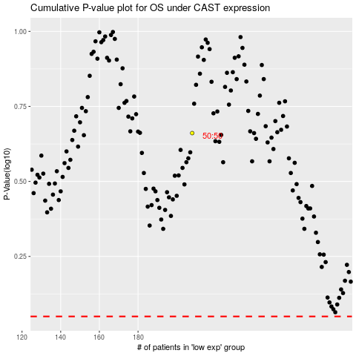

 |  |  |  |  |  | cases_OS | p_OS | rank | exp
 |  |  |  |  |  |  | cases_RFS | p_RFS | rank | exp

