CAT _multivariate
Reported by Tex Li-Hsing Chi. tex@gate.sinica.edu.tw 2019-08-21

Table 2. The clinicopathological features of HNSCC cohort and CAT expression. (Chi square test)
Cutoff at -0.166 (50.0%)
 |  | CAT expression |  | CAT expression |  | (Optimised)
 | Features | Low | (%) | High | (%) | Case no | P-value | Remark | Matthews
Gender | Female | 161 | 38.8 | 145 | 34.9 | 415 | 0.0792 | 0 | 0
2 | Male | 46 | 11.1 | 63 | 15.2
Age at diagnosis | <=65y | 142 | 34.2 | 132 | 31.8 | 415 | 0.3167 | 0 | 0
4 | >65y | 65 | 15.7 | 76 | 18.3
Clinical T Status | T1+T2 | 63 | 15.2 | 86 | 20.7 | 415 | 0.0268 | 1 | 0
6 | T3+T4 | 144 | 34.7 | 122 | 29.4
Clinical N Status | N0 | 102 | 24.6 | 114 | 27.5 | 415 | 0.3031 | 0 | 0
8 | N1-3 | 105 | 25.3 | 94 | 22.7
Clinical M Status | M0 | 204 | 49.2 | 208 | 50.1 | 415 | 0.1232 | 0 | 0
10 | M1 | 3 | 0.7 | 0 | 0
Clinical Stage | Stage I+II | 37 | 8.9 | 65 | 15.7 | 415 | 0.0023 | 1 | 0
12 | Stage III+IV | 170 | 41 | 143 | 34.5
Surgical Margin status | Negative | 160 | 38.6 | 158 | 38.1 | 415 | 0.8167 | 0 | 0
14 | Positive | 47 | 11.3 | 50 | 12
Tobacco Exposure | Low | 71 | 17.1 | 90 | 21.7 | 415 | 0.0698 | 0 | 0
16 | High | 136 | 32.8 | 118 | 28.4

Table 3. Univariate/Multivariate Cox's proportional hazards regression analyses on OS time of CAT gene expression in HNSCC

 |  | Univariate |  |  |  | Multivariate
 | Features | HR | CI95%(L) | CI95%(H) | P-value | HR | CI95%(L) | CI95%(H) | P-value
1 | Female | 1 |  |  |  | 1
Gender | Male | 1.157 | 0.843 | 1.587 | 0.367 | 1.219 | 0.873 | 1.701 | 0.244
11 | <=65y | 1 |  |  |  | 1
Age at diagnosis | >65y | 1.329 | 0.99 | 1.784 | 0.058 | 1.375 | 1.012 | 1.868 | 0.042
12 | T1+T2 | 1 |  |  |  | 1
Clinical T Status | T3+T4 | 1.409 | 1.028 | 1.931 | 0.033 | 2.191 | 1.158 | 4.143 | 0.016
13 | N0 | 1 |  |  |  | 1
Clinical N Status | N1-3 | 1.185 | 0.89 | 1.577 | 0.246 | 1.216 | 0.852 | 1.734 | 0.281
14 | M0 | 1 |  |  |  | 1
Clinical M Status | M1 | 4.097 | 1.009 | 16.644 | 0.049 | 11.027 | 2.386 | 50.952 | 0.002
15 | Stage I+II | 1 |  |  |  | 1
Clinical Stage | Stage III+IV | 1.245 | 0.882 | 1.759 | 0.213 | 0.564 | 0.261 | 1.219 | 0.145
16 | Negative | 1 |  |  |  | 1
Surgical Margin status | Positive | 1.591 | 1.155 | 2.191 | 0.004 | 1.653 | 1.196 | 2.284 | 0.002
17 | Low | 1 |  |  |  | 1
Tobacco Exposure | High | 1.364 | 1.008 | 1.844 | 0.044 | 1.487 | 1.08 | 2.048 | 0.015
18 | Low | 1 |  |  |  | 1
RNAseq(z-score) | High | 1.273 | 0.955 | 1.697 | 0.1 | 1.389 | 1.029 | 1.874 | 0.032

Table 4. Univariate/Multivariate Cox's proportional hazards regression analyses on RFS time of CAT gene expression in HNSCC

 |  | Univariate |  |  |  | Multivariate
 | Features | HR | CI95%(L) | CI95%(H) | P-value | HR | CI95%(L) | CI95%(H) | P-value
1 | Female | 1 |  |  |  | 1
Gender | Male | 1.157 | 0.843 | 1.587 | 0.367 | 1.219 | 0.873 | 1.701 | 0.244
11 | <=65y | 1 |  |  |  | 1
Age at diagnosis | >65y | 1.329 | 0.99 | 1.784 | 0.058 | 1.375 | 1.012 | 1.868 | 0.042
12 | T1+T2 | 1 |  |  |  | 1
Clinical T Status | T3+T4 | 1.409 | 1.028 | 1.931 | 0.033 | 2.191 | 1.158 | 4.143 | 0.016
13 | N0 | 1 |  |  |  | 1
Clinical N Status | N1-3 | 1.185 | 0.89 | 1.577 | 0.246 | 1.216 | 0.852 | 1.734 | 0.281
14 | M0 | 1 |  |  |  | 1
Clinical M Status | M1 | 4.097 | 1.009 | 16.644 | 0.049 | 11.027 | 2.386 | 50.952 | 0.002
15 | Stage I+II | 1 |  |  |  | 1
Clinical Stage | Stage III+IV | 1.245 | 0.882 | 1.759 | 0.213 | 0.564 | 0.261 | 1.219 | 0.145
16 | Negative | 1 |  |  |  | 1
Surgical Margin status | Positive | 1.591 | 1.155 | 2.191 | 0.004 | 1.653 | 1.196 | 2.284 | 0.002
17 | Low | 1 |  |  |  | 1
Tobacco Exposure | High | 1.364 | 1.008 | 1.844 | 0.044 | 1.487 | 1.08 | 2.048 | 0.015
18 | Low | 1 |  |  |  | 1
RNAseq(z-score) | High | 1.273 | 0.955 | 1.697 | 0.1 | 1.389 | 1.029 | 1.874 | 0.032

Kaplan-Meier survival estimate: Cutoff at -0.166 (50.0%)



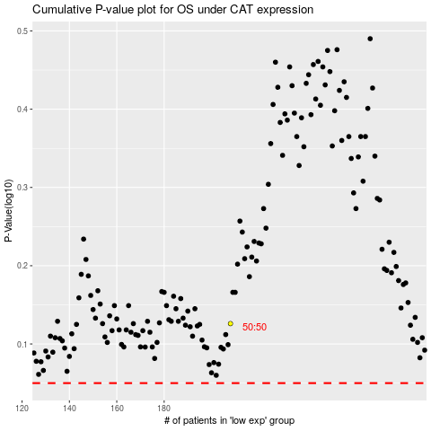

 |  |  |  |  |  | cases_OS | p_OS | rank | exp
 |  |  |  |  |  |  | cases_RFS | p_RFS | rank | exp

