CATSPER1 _multivariate
Reported by Tex Li-Hsing Chi. tex@gate.sinica.edu.tw 2019-08-21

Table 2. The clinicopathological features of HNSCC cohort and CATSPER1 expression. (Chi square test)
Cutoff at -0.179 (50.0%)
 |  | CATSPER1 expression |  | CATSPER1 expression |  | (Optimised)
 | Features | Low | (%) | High | (%) | Case no | P-value | Remark | Matthews
Gender | Female | 165 | 39.8 | 141 | 34 | 415 | 0.0081 | 1 | 0
2 | Male | 42 | 10.1 | 67 | 16.1
Age at diagnosis | <=65y | 143 | 34.5 | 131 | 31.6 | 415 | 0.2269 | 0 | 0
4 | >65y | 64 | 15.4 | 77 | 18.6
Clinical T Status | T1+T2 | 81 | 19.5 | 68 | 16.4 | 415 | 0.206 | 0 | 0
6 | T3+T4 | 126 | 30.4 | 140 | 33.7
Clinical N Status | N0 | 111 | 26.7 | 105 | 25.3 | 415 | 0.5875 | 0 | 0
8 | N1-3 | 96 | 23.1 | 103 | 24.8
Clinical M Status | M0 | 204 | 49.2 | 208 | 50.1 | 415 | 0.1232 | 0 | 0
10 | M1 | 3 | 0.7 | 0 | 0
Clinical Stage | Stage I+II | 52 | 12.5 | 50 | 12 | 415 | 0.8871 | 0 | 0
12 | Stage III+IV | 155 | 37.3 | 158 | 38.1
Surgical Margin status | Negative | 155 | 37.3 | 163 | 39.3 | 415 | 0.4187 | 0 | 0
14 | Positive | 52 | 12.5 | 45 | 10.8
Tobacco Exposure | Low | 70 | 16.9 | 91 | 21.9 | 415 | 0.0439 | 1 | 0
16 | High | 137 | 33 | 117 | 28.2

Table 3. Univariate/Multivariate Cox's proportional hazards regression analyses on OS time of CATSPER1 gene expression in HNSCC

 |  | Univariate |  |  |  | Multivariate
 | Features | HR | CI95%(L) | CI95%(H) | P-value | HR | CI95%(L) | CI95%(H) | P-value
1 | Female | 1 |  |  |  | 1
Gender | Male | 1.157 | 0.843 | 1.587 | 0.367 | 1.2 | 0.857 | 1.678 | 0.288
11 | <=65y | 1 |  |  |  | 1
Age at diagnosis | >65y | 1.329 | 0.99 | 1.784 | 0.058 | 1.393 | 1.024 | 1.895 | 0.035
12 | T1+T2 | 1 |  |  |  | 1
Clinical T Status | T3+T4 | 1.409 | 1.028 | 1.931 | 0.033 | 2.196 | 1.159 | 4.161 | 0.016
13 | N0 | 1 |  |  |  | 1
Clinical N Status | N1-3 | 1.185 | 0.89 | 1.577 | 0.246 | 1.239 | 0.868 | 1.769 | 0.237
14 | M0 | 1 |  |  |  | 1
Clinical M Status | M1 | 4.097 | 1.009 | 16.644 | 0.049 | 9.461 | 2.057 | 43.512 | 0.004
15 | Stage I+II | 1 |  |  |  | 1
Clinical Stage | Stage III+IV | 1.245 | 0.882 | 1.759 | 0.213 | 0.507 | 0.235 | 1.091 | 0.082
16 | Negative | 1 |  |  |  | 1
Surgical Margin status | Positive | 1.591 | 1.155 | 2.191 | 0.004 | 1.67 | 1.208 | 2.308 | 0.002
17 | Low | 1 |  |  |  | 1
Tobacco Exposure | High | 1.364 | 1.008 | 1.844 | 0.044 | 1.455 | 1.055 | 2.008 | 0.022
18 | Low | 1 |  |  |  | 1
RNAseq(z-score) | High | 1.016 | 0.763 | 1.354 | 0.913 | 1.017 | 0.758 | 1.365 | 0.912

Table 4. Univariate/Multivariate Cox's proportional hazards regression analyses on RFS time of CATSPER1 gene expression in HNSCC

 |  | Univariate |  |  |  | Multivariate
 | Features | HR | CI95%(L) | CI95%(H) | P-value | HR | CI95%(L) | CI95%(H) | P-value
1 | Female | 1 |  |  |  | 1
Gender | Male | 1.157 | 0.843 | 1.587 | 0.367 | 1.2 | 0.857 | 1.678 | 0.288
11 | <=65y | 1 |  |  |  | 1
Age at diagnosis | >65y | 1.329 | 0.99 | 1.784 | 0.058 | 1.393 | 1.024 | 1.895 | 0.035
12 | T1+T2 | 1 |  |  |  | 1
Clinical T Status | T3+T4 | 1.409 | 1.028 | 1.931 | 0.033 | 2.196 | 1.159 | 4.161 | 0.016
13 | N0 | 1 |  |  |  | 1
Clinical N Status | N1-3 | 1.185 | 0.89 | 1.577 | 0.246 | 1.239 | 0.868 | 1.769 | 0.237
14 | M0 | 1 |  |  |  | 1
Clinical M Status | M1 | 4.097 | 1.009 | 16.644 | 0.049 | 9.461 | 2.057 | 43.512 | 0.004
15 | Stage I+II | 1 |  |  |  | 1
Clinical Stage | Stage III+IV | 1.245 | 0.882 | 1.759 | 0.213 | 0.507 | 0.235 | 1.091 | 0.082
16 | Negative | 1 |  |  |  | 1
Surgical Margin status | Positive | 1.591 | 1.155 | 2.191 | 0.004 | 1.67 | 1.208 | 2.308 | 0.002
17 | Low | 1 |  |  |  | 1
Tobacco Exposure | High | 1.364 | 1.008 | 1.844 | 0.044 | 1.455 | 1.055 | 2.008 | 0.022
18 | Low | 1 |  |  |  | 1
RNAseq(z-score) | High | 1.016 | 0.763 | 1.354 | 0.913 | 1.017 | 0.758 | 1.365 | 0.912

Kaplan-Meier survival estimate: Cutoff at -0.179 (50.0%)



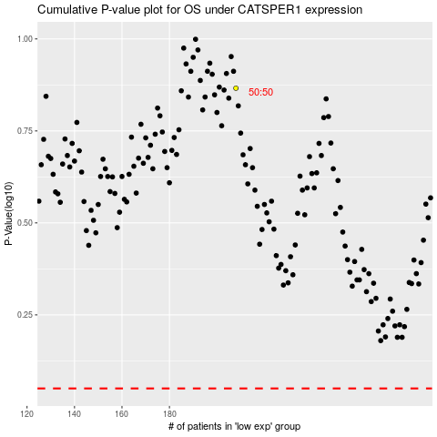

 |  |  |  |  |  | cases_OS | p_OS | rank | exp
 |  |  |  |  |  |  | cases_RFS | p_RFS | rank | exp

