CATSPER2 _multivariate
Reported by Tex Li-Hsing Chi. tex@gate.sinica.edu.tw 2019-08-21

Table 2. The clinicopathological features of HNSCC cohort and CATSPER2 expression. (Chi square test)
Cutoff at -0.297 (49.8%)
 |  | CATSPER2 expression |  | CATSPER2 expression |  | (Optimised)
 | Features | Low | (%) | High | (%) | Case no | P-value | Remark | Matthews
Gender | Female | 143 | 34.5 | 163 | 39.3 | 415 | 0.0416 | 1 | 0
2 | Male | 64 | 15.4 | 45 | 10.8
Age at diagnosis | <=65y | 139 | 33.5 | 135 | 32.5 | 415 | 0.7044 | 0 | 0
4 | >65y | 68 | 16.4 | 73 | 17.6
Clinical T Status | T1+T2 | 66 | 15.9 | 83 | 20 | 415 | 0.1095 | 0 | 0
6 | T3+T4 | 141 | 34 | 125 | 30.1
Clinical N Status | N0 | 100 | 24.1 | 116 | 28 | 415 | 0.1548 | 0 | 0
8 | N1-3 | 107 | 25.8 | 92 | 22.2
Clinical M Status | M0 | 206 | 49.6 | 206 | 49.6 | 415 | 1 | 0 | 0
10 | M1 | 1 | 0.2 | 2 | 0.5
Clinical Stage | Stage I+II | 46 | 11.1 | 56 | 13.5 | 415 | 0.3182 | 0 | 0
12 | Stage III+IV | 161 | 38.8 | 152 | 36.6
Surgical Margin status | Negative | 165 | 39.8 | 153 | 36.9 | 415 | 0.1639 | 0 | 0
14 | Positive | 42 | 10.1 | 55 | 13.3
Tobacco Exposure | Low | 79 | 19 | 82 | 19.8 | 415 | 0.8405 | 0 | 0
16 | High | 128 | 30.8 | 126 | 30.4

Table 3. Univariate/Multivariate Cox's proportional hazards regression analyses on OS time of CATSPER2 gene expression in HNSCC

 |  | Univariate |  |  |  | Multivariate
 | Features | HR | CI95%(L) | CI95%(H) | P-value | HR | CI95%(L) | CI95%(H) | P-value
1 | Female | 1 |  |  |  | 1
Gender | Male | 1.157 | 0.843 | 1.587 | 0.367 | 1.179 | 0.843 | 1.649 | 0.336
11 | <=65y | 1 |  |  |  | 1
Age at diagnosis | >65y | 1.329 | 0.99 | 1.784 | 0.058 | 1.403 | 1.032 | 1.907 | 0.031
12 | T1+T2 | 1 |  |  |  | 1
Clinical T Status | T3+T4 | 1.409 | 1.028 | 1.931 | 0.033 | 2.161 | 1.142 | 4.089 | 0.018
13 | N0 | 1 |  |  |  | 1
Clinical N Status | N1-3 | 1.185 | 0.89 | 1.577 | 0.246 | 1.216 | 0.851 | 1.737 | 0.283
14 | M0 | 1 |  |  |  | 1
Clinical M Status | M1 | 4.097 | 1.009 | 16.644 | 0.049 | 9.998 | 2.176 | 45.937 | 0.003
15 | Stage I+II | 1 |  |  |  | 1
Clinical Stage | Stage III+IV | 1.245 | 0.882 | 1.759 | 0.213 | 0.509 | 0.237 | 1.092 | 0.083
16 | Negative | 1 |  |  |  | 1
Surgical Margin status | Positive | 1.591 | 1.155 | 2.191 | 0.004 | 1.719 | 1.242 | 2.381 | 0.001
17 | Low | 1 |  |  |  | 1
Tobacco Exposure | High | 1.364 | 1.008 | 1.844 | 0.044 | 1.471 | 1.067 | 2.027 | 0.019
18 | Low | 1 |  |  |  | 1
RNAseq(z-score) | High | 0.821 | 0.616 | 1.096 | 0.182 | 0.802 | 0.597 | 1.076 | 0.142

Table 4. Univariate/Multivariate Cox's proportional hazards regression analyses on RFS time of CATSPER2 gene expression in HNSCC

 |  | Univariate |  |  |  | Multivariate
 | Features | HR | CI95%(L) | CI95%(H) | P-value | HR | CI95%(L) | CI95%(H) | P-value
1 | Female | 1 |  |  |  | 1
Gender | Male | 1.157 | 0.843 | 1.587 | 0.367 | 1.179 | 0.843 | 1.649 | 0.336
11 | <=65y | 1 |  |  |  | 1
Age at diagnosis | >65y | 1.329 | 0.99 | 1.784 | 0.058 | 1.403 | 1.032 | 1.907 | 0.031
12 | T1+T2 | 1 |  |  |  | 1
Clinical T Status | T3+T4 | 1.409 | 1.028 | 1.931 | 0.033 | 2.161 | 1.142 | 4.089 | 0.018
13 | N0 | 1 |  |  |  | 1
Clinical N Status | N1-3 | 1.185 | 0.89 | 1.577 | 0.246 | 1.216 | 0.851 | 1.737 | 0.283
14 | M0 | 1 |  |  |  | 1
Clinical M Status | M1 | 4.097 | 1.009 | 16.644 | 0.049 | 9.998 | 2.176 | 45.937 | 0.003
15 | Stage I+II | 1 |  |  |  | 1
Clinical Stage | Stage III+IV | 1.245 | 0.882 | 1.759 | 0.213 | 0.509 | 0.237 | 1.092 | 0.083
16 | Negative | 1 |  |  |  | 1
Surgical Margin status | Positive | 1.591 | 1.155 | 2.191 | 0.004 | 1.719 | 1.242 | 2.381 | 0.001
17 | Low | 1 |  |  |  | 1
Tobacco Exposure | High | 1.364 | 1.008 | 1.844 | 0.044 | 1.471 | 1.067 | 2.027 | 0.019
18 | Low | 1 |  |  |  | 1
RNAseq(z-score) | High | 0.821 | 0.616 | 1.096 | 0.182 | 0.802 | 0.597 | 1.076 | 0.142

Kaplan-Meier survival estimate: Cutoff at -0.297 (49.8%)



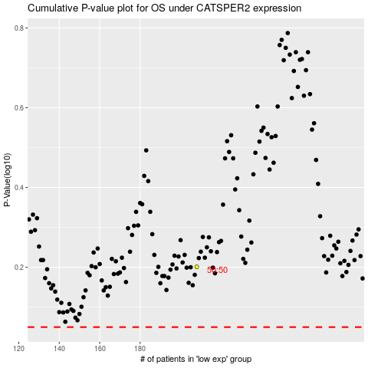

 |  |  |  |  |  | cases_OS | p_OS | rank | exp
 |  |  |  |  |  |  | cases_RFS | p_RFS | rank | exp

