CATSPER2P1 _multivariate
Reported by Tex Li-Hsing Chi. tex@gate.sinica.edu.tw 2019-08-21

Table 2. The clinicopathological features of HNSCC cohort and CATSPER2P1 expression. (Chi square test)
Cutoff at -0.165 (49.8%)
 |  | CATSPER2P1 expression |  | CATSPER2P1 expression |  | (Optimised)
 | Features | Low | (%) | High | (%) | Case no | P-value | Remark | Matthews
Gender | Female | 144 | 34.7 | 162 | 39 | 415 | 0.0697 | 0 | 0
2 | Male | 63 | 15.2 | 46 | 11.1
Age at diagnosis | <=65y | 134 | 32.3 | 140 | 33.7 | 415 | 0.6529 | 0 | 0
4 | >65y | 73 | 17.6 | 68 | 16.4
Clinical T Status | T1+T2 | 89 | 21.4 | 60 | 14.5 | 415 | 0.0037 | 1 | 0
6 | T3+T4 | 118 | 28.4 | 148 | 35.7
Clinical N Status | N0 | 104 | 25.1 | 112 | 27 | 415 | 0.5243 | 0 | 0
8 | N1-3 | 103 | 24.8 | 96 | 23.1
Clinical M Status | M0 | 206 | 49.6 | 206 | 49.6 | 415 | 1 | 0 | 0
10 | M1 | 1 | 0.2 | 2 | 0.5
Clinical Stage | Stage I+II | 59 | 14.2 | 43 | 10.4 | 415 | 0.0822 | 0 | 0
12 | Stage III+IV | 148 | 35.7 | 165 | 39.8
Surgical Margin status | Negative | 158 | 38.1 | 160 | 38.6 | 415 | 0.9081 | 0 | 0
14 | Positive | 49 | 11.8 | 48 | 11.6
Tobacco Exposure | Low | 85 | 20.5 | 76 | 18.3 | 415 | 0.3655 | 0 | 0
16 | High | 122 | 29.4 | 132 | 31.8

Table 3. Univariate/Multivariate Cox's proportional hazards regression analyses on OS time of CATSPER2P1 gene expression in HNSCC

 |  | Univariate |  |  |  | Multivariate
 | Features | HR | CI95%(L) | CI95%(H) | P-value | HR | CI95%(L) | CI95%(H) | P-value
1 | Female | 1 |  |  |  | 1
Gender | Male | 1.157 | 0.843 | 1.587 | 0.367 | 1.216 | 0.869 | 1.701 | 0.255
11 | <=65y | 1 |  |  |  | 1
Age at diagnosis | >65y | 1.329 | 0.99 | 1.784 | 0.058 | 1.403 | 1.032 | 1.908 | 0.031
12 | T1+T2 | 1 |  |  |  | 1
Clinical T Status | T3+T4 | 1.409 | 1.028 | 1.931 | 0.033 | 2.18 | 1.153 | 4.124 | 0.017
13 | N0 | 1 |  |  |  | 1
Clinical N Status | N1-3 | 1.185 | 0.89 | 1.577 | 0.246 | 1.263 | 0.882 | 1.81 | 0.202
14 | M0 | 1 |  |  |  | 1
Clinical M Status | M1 | 4.097 | 1.009 | 16.644 | 0.049 | 9.062 | 1.969 | 41.709 | 0.005
15 | Stage I+II | 1 |  |  |  | 1
Clinical Stage | Stage III+IV | 1.245 | 0.882 | 1.759 | 0.213 | 0.5 | 0.233 | 1.073 | 0.075
16 | Negative | 1 |  |  |  | 1
Surgical Margin status | Positive | 1.591 | 1.155 | 2.191 | 0.004 | 1.685 | 1.218 | 2.331 | 0.002
17 | Low | 1 |  |  |  | 1
Tobacco Exposure | High | 1.364 | 1.008 | 1.844 | 0.044 | 1.454 | 1.055 | 2.004 | 0.022
18 | Low | 1 |  |  |  | 1
RNAseq(z-score) | High | 1.071 | 0.804 | 1.427 | 0.638 | 1.108 | 0.824 | 1.49 | 0.498

Table 4. Univariate/Multivariate Cox's proportional hazards regression analyses on RFS time of CATSPER2P1 gene expression in HNSCC

 |  | Univariate |  |  |  | Multivariate
 | Features | HR | CI95%(L) | CI95%(H) | P-value | HR | CI95%(L) | CI95%(H) | P-value
1 | Female | 1 |  |  |  | 1
Gender | Male | 1.157 | 0.843 | 1.587 | 0.367 | 1.216 | 0.869 | 1.701 | 0.255
11 | <=65y | 1 |  |  |  | 1
Age at diagnosis | >65y | 1.329 | 0.99 | 1.784 | 0.058 | 1.403 | 1.032 | 1.908 | 0.031
12 | T1+T2 | 1 |  |  |  | 1
Clinical T Status | T3+T4 | 1.409 | 1.028 | 1.931 | 0.033 | 2.18 | 1.153 | 4.124 | 0.017
13 | N0 | 1 |  |  |  | 1
Clinical N Status | N1-3 | 1.185 | 0.89 | 1.577 | 0.246 | 1.263 | 0.882 | 1.81 | 0.202
14 | M0 | 1 |  |  |  | 1
Clinical M Status | M1 | 4.097 | 1.009 | 16.644 | 0.049 | 9.062 | 1.969 | 41.709 | 0.005
15 | Stage I+II | 1 |  |  |  | 1
Clinical Stage | Stage III+IV | 1.245 | 0.882 | 1.759 | 0.213 | 0.5 | 0.233 | 1.073 | 0.075
16 | Negative | 1 |  |  |  | 1
Surgical Margin status | Positive | 1.591 | 1.155 | 2.191 | 0.004 | 1.685 | 1.218 | 2.331 | 0.002
17 | Low | 1 |  |  |  | 1
Tobacco Exposure | High | 1.364 | 1.008 | 1.844 | 0.044 | 1.454 | 1.055 | 2.004 | 0.022
18 | Low | 1 |  |  |  | 1
RNAseq(z-score) | High | 1.071 | 0.804 | 1.427 | 0.638 | 1.108 | 0.824 | 1.49 | 0.498

Kaplan-Meier survival estimate: Cutoff at -0.165 (49.8%)

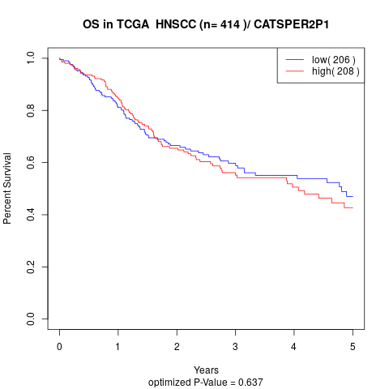

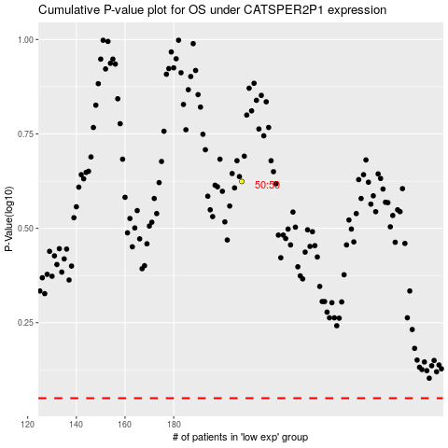

 |  |  |  |  |  | cases_OS | p_OS | rank | exp
 |  |  |  |  |  |  | cases_RFS | p_RFS | rank | exp

