CATSPER3 _multivariate
Reported by Tex Li-Hsing Chi. tex@gate.sinica.edu.tw 2019-08-21

Table 2. The clinicopathological features of HNSCC cohort and CATSPER3 expression. (Chi square test)
Cutoff at -0.096 (49.8%)
 |  | CATSPER3 expression |  | CATSPER3 expression |  | (Optimised)
 | Features | Low | (%) | High | (%) | Case no | P-value | Remark | Matthews
Gender | Female | 147 | 35.4 | 159 | 38.3 | 415 | 0.2523 | 0 | 0
2 | Male | 60 | 14.5 | 49 | 11.8
Age at diagnosis | <=65y | 133 | 32 | 141 | 34 | 415 | 0.5111 | 0 | 0
4 | >65y | 74 | 17.8 | 67 | 16.1
Clinical T Status | T1+T2 | 67 | 16.1 | 82 | 19.8 | 415 | 0.1628 | 0 | 0
6 | T3+T4 | 140 | 33.7 | 126 | 30.4
Clinical N Status | N0 | 105 | 25.3 | 111 | 26.7 | 415 | 0.6598 | 0 | 0
8 | N1-3 | 102 | 24.6 | 97 | 23.4
Clinical M Status | M0 | 207 | 49.9 | 205 | 49.4 | 415 | 0.2482 | 0 | 0
10 | M1 | 0 | 0 | 3 | 0.7
Clinical Stage | Stage I+II | 51 | 12.3 | 51 | 12.3 | 415 | 1 | 0 | 0
12 | Stage III+IV | 156 | 37.6 | 157 | 37.8
Surgical Margin status | Negative | 166 | 40 | 152 | 36.6 | 415 | 0.1042 | 0 | 0
14 | Positive | 41 | 9.9 | 56 | 13.5
Tobacco Exposure | Low | 78 | 18.8 | 83 | 20 | 415 | 0.6873 | 0 | 0
16 | High | 129 | 31.1 | 125 | 30.1

Table 3. Univariate/Multivariate Cox's proportional hazards regression analyses on OS time of CATSPER3 gene expression in HNSCC

 |  | Univariate |  |  |  | Multivariate
 | Features | HR | CI95%(L) | CI95%(H) | P-value | HR | CI95%(L) | CI95%(H) | P-value
1 | Female | 1 |  |  |  | 1
Gender | Male | 1.157 | 0.843 | 1.587 | 0.367 | 1.205 | 0.863 | 1.682 | 0.273
11 | <=65y | 1 |  |  |  | 1
Age at diagnosis | >65y | 1.329 | 0.99 | 1.784 | 0.058 | 1.404 | 1.032 | 1.909 | 0.031
12 | T1+T2 | 1 |  |  |  | 1
Clinical T Status | T3+T4 | 1.409 | 1.028 | 1.931 | 0.033 | 2.125 | 1.121 | 4.03 | 0.021
13 | N0 | 1 |  |  |  | 1
Clinical N Status | N1-3 | 1.185 | 0.89 | 1.577 | 0.246 | 1.234 | 0.865 | 1.76 | 0.247
14 | M0 | 1 |  |  |  | 1
Clinical M Status | M1 | 4.097 | 1.009 | 16.644 | 0.049 | 10.266 | 2.227 | 47.315 | 0.003
15 | Stage I+II | 1 |  |  |  | 1
Clinical Stage | Stage III+IV | 1.245 | 0.882 | 1.759 | 0.213 | 0.527 | 0.245 | 1.134 | 0.101
16 | Negative | 1 |  |  |  | 1
Surgical Margin status | Positive | 1.591 | 1.155 | 2.191 | 0.004 | 1.747 | 1.256 | 2.429 | 0.001
17 | Low | 1 |  |  |  | 1
Tobacco Exposure | High | 1.364 | 1.008 | 1.844 | 0.044 | 1.443 | 1.047 | 1.987 | 0.025
18 | Low | 1 |  |  |  | 1
RNAseq(z-score) | High | 0.866 | 0.65 | 1.154 | 0.327 | 0.808 | 0.601 | 1.086 | 0.158

Table 4. Univariate/Multivariate Cox's proportional hazards regression analyses on RFS time of CATSPER3 gene expression in HNSCC

 |  | Univariate |  |  |  | Multivariate
 | Features | HR | CI95%(L) | CI95%(H) | P-value | HR | CI95%(L) | CI95%(H) | P-value
1 | Female | 1 |  |  |  | 1
Gender | Male | 1.157 | 0.843 | 1.587 | 0.367 | 1.205 | 0.863 | 1.682 | 0.273
11 | <=65y | 1 |  |  |  | 1
Age at diagnosis | >65y | 1.329 | 0.99 | 1.784 | 0.058 | 1.404 | 1.032 | 1.909 | 0.031
12 | T1+T2 | 1 |  |  |  | 1
Clinical T Status | T3+T4 | 1.409 | 1.028 | 1.931 | 0.033 | 2.125 | 1.121 | 4.03 | 0.021
13 | N0 | 1 |  |  |  | 1
Clinical N Status | N1-3 | 1.185 | 0.89 | 1.577 | 0.246 | 1.234 | 0.865 | 1.76 | 0.247
14 | M0 | 1 |  |  |  | 1
Clinical M Status | M1 | 4.097 | 1.009 | 16.644 | 0.049 | 10.266 | 2.227 | 47.315 | 0.003
15 | Stage I+II | 1 |  |  |  | 1
Clinical Stage | Stage III+IV | 1.245 | 0.882 | 1.759 | 0.213 | 0.527 | 0.245 | 1.134 | 0.101
16 | Negative | 1 |  |  |  | 1
Surgical Margin status | Positive | 1.591 | 1.155 | 2.191 | 0.004 | 1.747 | 1.256 | 2.429 | 0.001
17 | Low | 1 |  |  |  | 1
Tobacco Exposure | High | 1.364 | 1.008 | 1.844 | 0.044 | 1.443 | 1.047 | 1.987 | 0.025
18 | Low | 1 |  |  |  | 1
RNAseq(z-score) | High | 0.866 | 0.65 | 1.154 | 0.327 | 0.808 | 0.601 | 1.086 | 0.158

Kaplan-Meier survival estimate: Cutoff at -0.096 (49.8%)



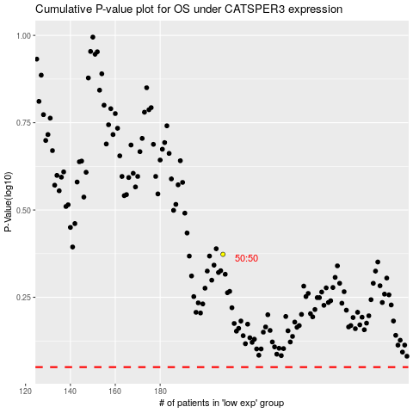

 |  |  |  |  |  | cases_OS | p_OS | rank | exp
 |  |  |  |  |  |  | cases_RFS | p_RFS | rank | exp

