CATSPERG _multivariate
Reported by Tex Li-Hsing Chi. tex@gate.sinica.edu.tw 2019-08-21

Table 2. The clinicopathological features of HNSCC cohort and CATSPERG expression. (Chi square test)
Cutoff at -0.295 (50.0%)
 |  | CATSPERG expression |  | CATSPERG expression |  | (Optimised)
 | Features | Low | (%) | High | (%) | Case no | P-value | Remark | Matthews
Gender | Female | 149 | 35.9 | 157 | 37.8 | 415 | 0.4848 | 0 | 0
2 | Male | 58 | 14 | 51 | 12.3
Age at diagnosis | <=65y | 142 | 34.2 | 132 | 31.8 | 415 | 0.3167 | 0 | 0
4 | >65y | 65 | 15.7 | 76 | 18.3
Clinical T Status | T1+T2 | 76 | 18.3 | 73 | 17.6 | 415 | 0.8092 | 0 | 0
6 | T3+T4 | 131 | 31.6 | 135 | 32.5
Clinical N Status | N0 | 109 | 26.3 | 107 | 25.8 | 415 | 0.8812 | 0 | 0
8 | N1-3 | 98 | 23.6 | 101 | 24.3
Clinical M Status | M0 | 206 | 49.6 | 206 | 49.6 | 415 | 1 | 0 | 0
10 | M1 | 1 | 0.2 | 2 | 0.5
Clinical Stage | Stage I+II | 55 | 13.3 | 47 | 11.3 | 415 | 0.4087 | 0 | 0
12 | Stage III+IV | 152 | 36.6 | 161 | 38.8
Surgical Margin status | Negative | 157 | 37.8 | 161 | 38.8 | 415 | 0.729 | 0 | 0
14 | Positive | 50 | 12 | 47 | 11.3
Tobacco Exposure | Low | 86 | 20.7 | 75 | 18.1 | 415 | 0.2687 | 0 | 0
16 | High | 121 | 29.2 | 133 | 32

Table 3. Univariate/Multivariate Cox's proportional hazards regression analyses on OS time of CATSPERG gene expression in HNSCC

 |  | Univariate |  |  |  | Multivariate
 | Features | HR | CI95%(L) | CI95%(H) | P-value | HR | CI95%(L) | CI95%(H) | P-value
1 | Female | 1 |  |  |  | 1
Gender | Male | 1.157 | 0.843 | 1.587 | 0.367 | 1.206 | 0.864 | 1.685 | 0.271
11 | <=65y | 1 |  |  |  | 1
Age at diagnosis | >65y | 1.329 | 0.99 | 1.784 | 0.058 | 1.384 | 1.018 | 1.883 | 0.038
12 | T1+T2 | 1 |  |  |  | 1
Clinical T Status | T3+T4 | 1.409 | 1.028 | 1.931 | 0.033 | 2.207 | 1.167 | 4.174 | 0.015
13 | N0 | 1 |  |  |  | 1
Clinical N Status | N1-3 | 1.185 | 0.89 | 1.577 | 0.246 | 1.243 | 0.871 | 1.774 | 0.231
14 | M0 | 1 |  |  |  | 1
Clinical M Status | M1 | 4.097 | 1.009 | 16.644 | 0.049 | 9.163 | 1.995 | 42.092 | 0.004
15 | Stage I+II | 1 |  |  |  | 1
Clinical Stage | Stage III+IV | 1.245 | 0.882 | 1.759 | 0.213 | 0.5 | 0.233 | 1.075 | 0.076
16 | Negative | 1 |  |  |  | 1
Surgical Margin status | Positive | 1.591 | 1.155 | 2.191 | 0.004 | 1.665 | 1.205 | 2.301 | 0.002
17 | Low | 1 |  |  |  | 1
Tobacco Exposure | High | 1.364 | 1.008 | 1.844 | 0.044 | 1.442 | 1.046 | 1.987 | 0.025
18 | Low | 1 |  |  |  | 1
RNAseq(z-score) | High | 1.143 | 0.858 | 1.522 | 0.36 | 1.097 | 0.821 | 1.465 | 0.531

Table 4. Univariate/Multivariate Cox's proportional hazards regression analyses on RFS time of CATSPERG gene expression in HNSCC

 |  | Univariate |  |  |  | Multivariate
 | Features | HR | CI95%(L) | CI95%(H) | P-value | HR | CI95%(L) | CI95%(H) | P-value
1 | Female | 1 |  |  |  | 1
Gender | Male | 1.157 | 0.843 | 1.587 | 0.367 | 1.206 | 0.864 | 1.685 | 0.271
11 | <=65y | 1 |  |  |  | 1
Age at diagnosis | >65y | 1.329 | 0.99 | 1.784 | 0.058 | 1.384 | 1.018 | 1.883 | 0.038
12 | T1+T2 | 1 |  |  |  | 1
Clinical T Status | T3+T4 | 1.409 | 1.028 | 1.931 | 0.033 | 2.207 | 1.167 | 4.174 | 0.015
13 | N0 | 1 |  |  |  | 1
Clinical N Status | N1-3 | 1.185 | 0.89 | 1.577 | 0.246 | 1.243 | 0.871 | 1.774 | 0.231
14 | M0 | 1 |  |  |  | 1
Clinical M Status | M1 | 4.097 | 1.009 | 16.644 | 0.049 | 9.163 | 1.995 | 42.092 | 0.004
15 | Stage I+II | 1 |  |  |  | 1
Clinical Stage | Stage III+IV | 1.245 | 0.882 | 1.759 | 0.213 | 0.5 | 0.233 | 1.075 | 0.076
16 | Negative | 1 |  |  |  | 1
Surgical Margin status | Positive | 1.591 | 1.155 | 2.191 | 0.004 | 1.665 | 1.205 | 2.301 | 0.002
17 | Low | 1 |  |  |  | 1
Tobacco Exposure | High | 1.364 | 1.008 | 1.844 | 0.044 | 1.442 | 1.046 | 1.987 | 0.025
18 | Low | 1 |  |  |  | 1
RNAseq(z-score) | High | 1.143 | 0.858 | 1.522 | 0.36 | 1.097 | 0.821 | 1.465 | 0.531

Kaplan-Meier survival estimate: Cutoff at -0.295 (50.0%)



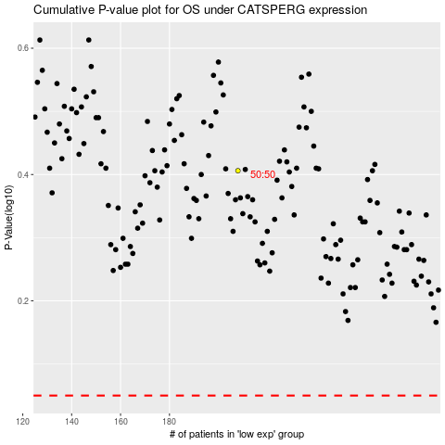

 |  |  |  |  |  | cases_OS | p_OS | rank | exp
 |  |  |  |  |  |  | cases_RFS | p_RFS | rank | exp

