CBARA1 _multivariate
Reported by Tex Li-Hsing Chi. tex@gate.sinica.edu.tw 2019-08-21

Table 2. The clinicopathological features of HNSCC cohort and CBARA1 expression. (Chi square test)
Cutoff at 0.26 (68.1%)
 |  | CBARA1 expression |  | CBARA1 expression |  | (Optimised)
 | Features | Low | (%) | High | (%) | Case no | P-value | Remark | Matthews
Gender | Female | 204 | 49.2 | 102 | 24.6 | 415 | 0.3179 | 0 | 0
2 | Male | 79 | 19 | 30 | 7.2
Age at diagnosis | <=65y | 184 | 44.3 | 90 | 21.7 | 415 | 0.6013 | 0 | 0
4 | >65y | 99 | 23.9 | 42 | 10.1
Clinical T Status | T1+T2 | 108 | 26 | 41 | 9.9 | 415 | 0.1954 | 0 | 0
6 | T3+T4 | 175 | 42.2 | 91 | 21.9
Clinical N Status | N0 | 167 | 40.2 | 49 | 11.8 | 415 | 1e-04 | 1 | 0
8 | N1-3 | 116 | 28 | 83 | 20
Clinical M Status | M0 | 282 | 68 | 130 | 31.3 | 415 | 0.2386 | 0 | 0
10 | M1 | 1 | 0.2 | 2 | 0.5
Clinical Stage | Stage I+II | 82 | 19.8 | 20 | 4.8 | 415 | 0.0035 | 1 | 0
12 | Stage III+IV | 201 | 48.4 | 112 | 27
Surgical Margin status | Negative | 221 | 53.3 | 97 | 23.4 | 415 | 0.3203 | 0 | 0
14 | Positive | 62 | 14.9 | 35 | 8.4
Tobacco Exposure | Low | 119 | 28.7 | 42 | 10.1 | 415 | 0.0517 | 0 | 0
16 | High | 164 | 39.5 | 90 | 21.7

Table 3. Univariate/Multivariate Cox's proportional hazards regression analyses on OS time of CBARA1 gene expression in HNSCC

 |  | Univariate |  |  |  | Multivariate
 | Features | HR | CI95%(L) | CI95%(H) | P-value | HR | CI95%(L) | CI95%(H) | P-value
1 | Female | 1 |  |  |  | 1
Gender | Male | 1.157 | 0.843 | 1.587 | 0.367 | 1.196 | 0.857 | 1.668 | 0.293
11 | <=65y | 1 |  |  |  | 1
Age at diagnosis | >65y | 1.329 | 0.99 | 1.784 | 0.058 | 1.411 | 1.037 | 1.919 | 0.028
12 | T1+T2 | 1 |  |  |  | 1
Clinical T Status | T3+T4 | 1.409 | 1.028 | 1.931 | 0.033 | 2.295 | 1.211 | 4.35 | 0.011
13 | N0 | 1 |  |  |  | 1
Clinical N Status | N1-3 | 1.185 | 0.89 | 1.577 | 0.246 | 1.2 | 0.839 | 1.717 | 0.317
14 | M0 | 1 |  |  |  | 1
Clinical M Status | M1 | 4.097 | 1.009 | 16.644 | 0.049 | 9.013 | 1.965 | 41.353 | 0.005
15 | Stage I+II | 1 |  |  |  | 1
Clinical Stage | Stage III+IV | 1.245 | 0.882 | 1.759 | 0.213 | 0.469 | 0.217 | 1.011 | 0.053
16 | Negative | 1 |  |  |  | 1
Surgical Margin status | Positive | 1.591 | 1.155 | 2.191 | 0.004 | 1.691 | 1.223 | 2.338 | 0.001
17 | Low | 1 |  |  |  | 1
Tobacco Exposure | High | 1.364 | 1.008 | 1.844 | 0.044 | 1.422 | 1.033 | 1.959 | 0.031
18 | Low | 1 |  |  |  | 1
RNAseq(z-score) | High | 1.405 | 1.039 | 1.898 | 0.027 | 1.394 | 1.022 | 1.9 | 0.036

Table 4. Univariate/Multivariate Cox's proportional hazards regression analyses on RFS time of CBARA1 gene expression in HNSCC

 |  | Univariate |  |  |  | Multivariate
 | Features | HR | CI95%(L) | CI95%(H) | P-value | HR | CI95%(L) | CI95%(H) | P-value
1 | Female | 1 |  |  |  | 1
Gender | Male | 1.157 | 0.843 | 1.587 | 0.367 | 1.196 | 0.857 | 1.668 | 0.293
11 | <=65y | 1 |  |  |  | 1
Age at diagnosis | >65y | 1.329 | 0.99 | 1.784 | 0.058 | 1.411 | 1.037 | 1.919 | 0.028
12 | T1+T2 | 1 |  |  |  | 1
Clinical T Status | T3+T4 | 1.409 | 1.028 | 1.931 | 0.033 | 2.295 | 1.211 | 4.35 | 0.011
13 | N0 | 1 |  |  |  | 1
Clinical N Status | N1-3 | 1.185 | 0.89 | 1.577 | 0.246 | 1.2 | 0.839 | 1.717 | 0.317
14 | M0 | 1 |  |  |  | 1
Clinical M Status | M1 | 4.097 | 1.009 | 16.644 | 0.049 | 9.013 | 1.965 | 41.353 | 0.005
15 | Stage I+II | 1 |  |  |  | 1
Clinical Stage | Stage III+IV | 1.245 | 0.882 | 1.759 | 0.213 | 0.469 | 0.217 | 1.011 | 0.053
16 | Negative | 1 |  |  |  | 1
Surgical Margin status | Positive | 1.591 | 1.155 | 2.191 | 0.004 | 1.691 | 1.223 | 2.338 | 0.001
17 | Low | 1 |  |  |  | 1
Tobacco Exposure | High | 1.364 | 1.008 | 1.844 | 0.044 | 1.422 | 1.033 | 1.959 | 0.031
18 | Low | 1 |  |  |  | 1
RNAseq(z-score) | High | 1.405 | 1.039 | 1.898 | 0.027 | 1.394 | 1.022 | 1.9 | 0.036

Kaplan-Meier survival estimate: Cutoff at 0.26 (68.1%)

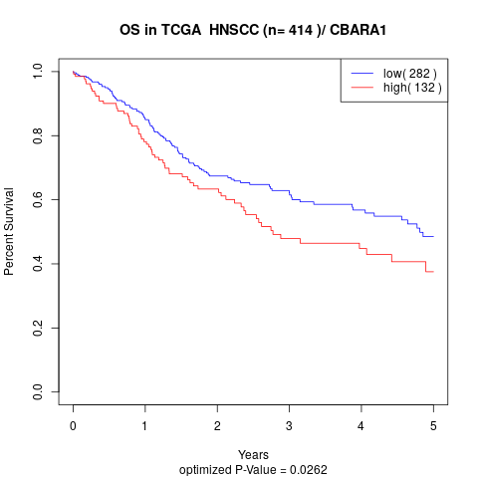

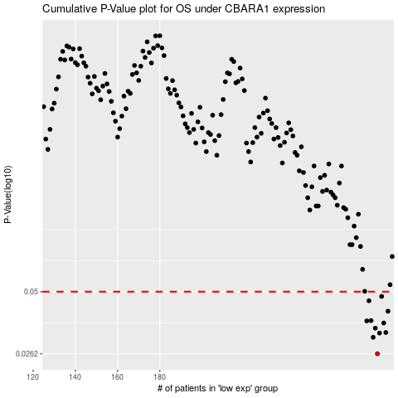

 |  |  |  |  |  | cases_OS | p_OS | rank | exp
 |  |  |  |  |  | 283 | 0.0262 | 4 | 0.2599801634
 |  |  |  |  |  | 281 | 0.0311 | 256 | 0.22332713401
 |  |  |  |  |  | 284 | 0.0325 | 398 | 0.27351853475
 |  |  |  |  |  | 287 | 0.0327 | 74 | 0.28041172289
 |  |  |  |  |  | 282 | 0.0342 | 116 | 0.24975052236
 |  |  |  |  |  | 286 | 0.0361 | 374 | 0.2778829718
 |  |  |  |  |  | 278 | 0.0369 | 90 | 0.21874915798
 |  |  |  |  |  | 280 | 0.037 | 340 | 0.22254453238
 |  |  |  |  |  | 288 | 0.0408 | 208 | 0.28084516955
 |  |  |  |  |  | 279 | 0.0455 | 158 | 0.22200618937
 |  |  |  |  |  | 285 | 0.0476 | 105 | 0.27616154792
 |  |  |  |  |  |  | cases_RFS | p_RFS | rank | exp
 |  |  |  |  |  |  | 282 | 0.0262 | 116 | 0.24975052236
 |  |  |  |  |  |  | 280 | 0.0311 | 340 | 0.22254453238
 |  |  |  |  |  |  | 283 | 0.0325 | 4 | 0.2599801634
 |  |  |  |  |  |  | 286 | 0.0327 | 374 | 0.2778829718
 |  |  |  |  |  |  | 281 | 0.0342 | 256 | 0.22332713401
 |  |  |  |  |  |  | 285 | 0.0361 | 105 | 0.27616154792
 |  |  |  |  |  |  | 277 | 0.0369 | 51 | 0.21200694565
 |  |  |  |  |  |  | 279 | 0.037 | 158 | 0.22200618937
 |  |  |  |  |  |  | 287 | 0.0408 | 74 | 0.28041172289
 |  |  |  |  |  |  | 278 | 0.0455 | 90 | 0.21874915798
 |  |  |  |  |  |  | 284 | 0.0476 | 398 | 0.27351853475

