CBL _multivariate
Reported by Tex Li-Hsing Chi. tex@gate.sinica.edu.tw 2019-08-21

Table 2. The clinicopathological features of HNSCC cohort and CBL expression. (Chi square test)
Cutoff at -0.059 (49.8%)
 |  | CBL expression |  | CBL expression |  | (Optimised)
 | Features | Low | (%) | High | (%) | Case no | P-value | Remark | Matthews
Gender | Female | 155 | 37.3 | 151 | 36.4 | 415 | 0.6768 | 0 | 0
2 | Male | 52 | 12.5 | 57 | 13.7
Age at diagnosis | <=65y | 138 | 33.3 | 136 | 32.8 | 415 | 0.8634 | 0 | 0
4 | >65y | 69 | 16.6 | 72 | 17.3
Clinical T Status | T1+T2 | 85 | 20.5 | 64 | 15.4 | 415 | 0.0372 | 1 | 0
6 | T3+T4 | 122 | 29.4 | 144 | 34.7
Clinical N Status | N0 | 104 | 25.1 | 112 | 27 | 415 | 0.5243 | 0 | 0
8 | N1-3 | 103 | 24.8 | 96 | 23.1
Clinical M Status | M0 | 204 | 49.2 | 208 | 50.1 | 415 | 0.1232 | 0 | 0
10 | M1 | 3 | 0.7 | 0 | 0
Clinical Stage | Stage I+II | 54 | 13 | 48 | 11.6 | 415 | 0.5498 | 0 | 0
12 | Stage III+IV | 153 | 36.9 | 160 | 38.6
Surgical Margin status | Negative | 155 | 37.3 | 163 | 39.3 | 415 | 0.4187 | 0 | 0
14 | Positive | 52 | 12.5 | 45 | 10.8
Tobacco Exposure | Low | 84 | 20.2 | 77 | 18.6 | 415 | 0.4816 | 0 | 0
16 | High | 123 | 29.6 | 131 | 31.6

Table 3. Univariate/Multivariate Cox's proportional hazards regression analyses on OS time of CBL gene expression in HNSCC

 |  | Univariate |  |  |  | Multivariate
 | Features | HR | CI95%(L) | CI95%(H) | P-value | HR | CI95%(L) | CI95%(H) | P-value
1 | Female | 1 |  |  |  | 1
Gender | Male | 1.157 | 0.843 | 1.587 | 0.367 | 1.209 | 0.866 | 1.688 | 0.265
11 | <=65y | 1 |  |  |  | 1
Age at diagnosis | >65y | 1.329 | 0.99 | 1.784 | 0.058 | 1.384 | 1.018 | 1.881 | 0.038
12 | T1+T2 | 1 |  |  |  | 1
Clinical T Status | T3+T4 | 1.409 | 1.028 | 1.931 | 0.033 | 2.183 | 1.154 | 4.129 | 0.016
13 | N0 | 1 |  |  |  | 1
Clinical N Status | N1-3 | 1.185 | 0.89 | 1.577 | 0.246 | 1.259 | 0.882 | 1.798 | 0.204
14 | M0 | 1 |  |  |  | 1
Clinical M Status | M1 | 4.097 | 1.009 | 16.644 | 0.049 | 10.156 | 2.2 | 46.889 | 0.003
15 | Stage I+II | 1 |  |  |  | 1
Clinical Stage | Stage III+IV | 1.245 | 0.882 | 1.759 | 0.213 | 0.5 | 0.233 | 1.073 | 0.075
16 | Negative | 1 |  |  |  | 1
Surgical Margin status | Positive | 1.591 | 1.155 | 2.191 | 0.004 | 1.7 | 1.228 | 2.353 | 0.001
17 | Low | 1 |  |  |  | 1
Tobacco Exposure | High | 1.364 | 1.008 | 1.844 | 0.044 | 1.465 | 1.063 | 2.019 | 0.02
18 | Low | 1 |  |  |  | 1
RNAseq(z-score) | High | 1.112 | 0.835 | 1.481 | 0.467 | 1.175 | 0.876 | 1.575 | 0.281

Table 4. Univariate/Multivariate Cox's proportional hazards regression analyses on RFS time of CBL gene expression in HNSCC

 |  | Univariate |  |  |  | Multivariate
 | Features | HR | CI95%(L) | CI95%(H) | P-value | HR | CI95%(L) | CI95%(H) | P-value
1 | Female | 1 |  |  |  | 1
Gender | Male | 1.157 | 0.843 | 1.587 | 0.367 | 1.209 | 0.866 | 1.688 | 0.265
11 | <=65y | 1 |  |  |  | 1
Age at diagnosis | >65y | 1.329 | 0.99 | 1.784 | 0.058 | 1.384 | 1.018 | 1.881 | 0.038
12 | T1+T2 | 1 |  |  |  | 1
Clinical T Status | T3+T4 | 1.409 | 1.028 | 1.931 | 0.033 | 2.183 | 1.154 | 4.129 | 0.016
13 | N0 | 1 |  |  |  | 1
Clinical N Status | N1-3 | 1.185 | 0.89 | 1.577 | 0.246 | 1.259 | 0.882 | 1.798 | 0.204
14 | M0 | 1 |  |  |  | 1
Clinical M Status | M1 | 4.097 | 1.009 | 16.644 | 0.049 | 10.156 | 2.2 | 46.889 | 0.003
15 | Stage I+II | 1 |  |  |  | 1
Clinical Stage | Stage III+IV | 1.245 | 0.882 | 1.759 | 0.213 | 0.5 | 0.233 | 1.073 | 0.075
16 | Negative | 1 |  |  |  | 1
Surgical Margin status | Positive | 1.591 | 1.155 | 2.191 | 0.004 | 1.7 | 1.228 | 2.353 | 0.001
17 | Low | 1 |  |  |  | 1
Tobacco Exposure | High | 1.364 | 1.008 | 1.844 | 0.044 | 1.465 | 1.063 | 2.019 | 0.02
18 | Low | 1 |  |  |  | 1
RNAseq(z-score) | High | 1.112 | 0.835 | 1.481 | 0.467 | 1.175 | 0.876 | 1.575 | 0.281

Kaplan-Meier survival estimate: Cutoff at -0.059 (49.8%)



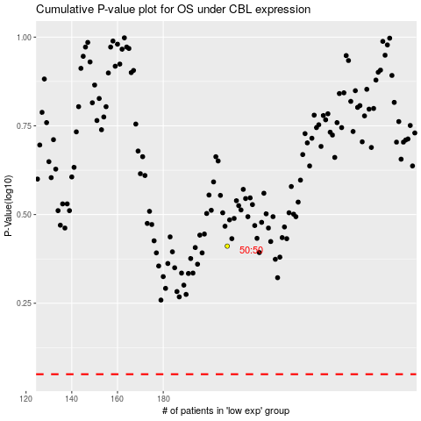

 |  |  |  |  |  | cases_OS | p_OS | rank | exp
 |  |  |  |  |  |  | cases_RFS | p_RFS | rank | exp

