CBLL1 _multivariate
Reported by Tex Li-Hsing Chi. tex@gate.sinica.edu.tw 2019-08-21

Table 2. The clinicopathological features of HNSCC cohort and CBLL1 expression. (Chi square test)
Cutoff at -0.154 (49.8%)
 |  | CBLL1 expression |  | CBLL1 expression |  | (Optimised)
 | Features | Low | (%) | High | (%) | Case no | P-value | Remark | Matthews
Gender | Female | 151 | 36.4 | 155 | 37.3 | 415 | 0.8007 | 0 | 0
2 | Male | 56 | 13.5 | 53 | 12.8
Age at diagnosis | <=65y | 136 | 32.8 | 138 | 33.3 | 415 | 0.9719 | 0 | 0
4 | >65y | 71 | 17.1 | 70 | 16.9
Clinical T Status | T1+T2 | 71 | 17.1 | 78 | 18.8 | 415 | 0.5638 | 0 | 0
6 | T3+T4 | 136 | 32.8 | 130 | 31.3
Clinical N Status | N0 | 108 | 26 | 108 | 26 | 415 | 1 | 0 | 0
8 | N1-3 | 99 | 23.9 | 100 | 24.1
Clinical M Status | M0 | 206 | 49.6 | 206 | 49.6 | 415 | 1 | 0 | 0
10 | M1 | 1 | 0.2 | 2 | 0.5
Clinical Stage | Stage I+II | 46 | 11.1 | 56 | 13.5 | 415 | 0.3182 | 0 | 0
12 | Stage III+IV | 161 | 38.8 | 152 | 36.6
Surgical Margin status | Negative | 151 | 36.4 | 167 | 40.2 | 415 | 0.0828 | 0 | 0
14 | Positive | 56 | 13.5 | 41 | 9.9
Tobacco Exposure | Low | 85 | 20.5 | 76 | 18.3 | 415 | 0.3655 | 0 | 0
16 | High | 122 | 29.4 | 132 | 31.8

Table 3. Univariate/Multivariate Cox's proportional hazards regression analyses on OS time of CBLL1 gene expression in HNSCC

 |  | Univariate |  |  |  | Multivariate
 | Features | HR | CI95%(L) | CI95%(H) | P-value | HR | CI95%(L) | CI95%(H) | P-value
1 | Female | 1 |  |  |  | 1
Gender | Male | 1.157 | 0.843 | 1.587 | 0.367 | 1.205 | 0.863 | 1.683 | 0.274
11 | <=65y | 1 |  |  |  | 1
Age at diagnosis | >65y | 1.329 | 0.99 | 1.784 | 0.058 | 1.396 | 1.027 | 1.897 | 0.033
12 | T1+T2 | 1 |  |  |  | 1
Clinical T Status | T3+T4 | 1.409 | 1.028 | 1.931 | 0.033 | 2.191 | 1.159 | 4.142 | 0.016
13 | N0 | 1 |  |  |  | 1
Clinical N Status | N1-3 | 1.185 | 0.89 | 1.577 | 0.246 | 1.223 | 0.857 | 1.747 | 0.267
14 | M0 | 1 |  |  |  | 1
Clinical M Status | M1 | 4.097 | 1.009 | 16.644 | 0.049 | 9.298 | 2.028 | 42.62 | 0.004
15 | Stage I+II | 1 |  |  |  | 1
Clinical Stage | Stage III+IV | 1.245 | 0.882 | 1.759 | 0.213 | 0.518 | 0.241 | 1.113 | 0.092
16 | Negative | 1 |  |  |  | 1
Surgical Margin status | Positive | 1.591 | 1.155 | 2.191 | 0.004 | 1.703 | 1.231 | 2.357 | 0.001
17 | Low | 1 |  |  |  | 1
Tobacco Exposure | High | 1.364 | 1.008 | 1.844 | 0.044 | 1.456 | 1.056 | 2.007 | 0.022
18 | Low | 1 |  |  |  | 1
RNAseq(z-score) | High | 1.121 | 0.841 | 1.495 | 0.434 | 1.181 | 0.883 | 1.58 | 0.262

Table 4. Univariate/Multivariate Cox's proportional hazards regression analyses on RFS time of CBLL1 gene expression in HNSCC

 |  | Univariate |  |  |  | Multivariate
 | Features | HR | CI95%(L) | CI95%(H) | P-value | HR | CI95%(L) | CI95%(H) | P-value
1 | Female | 1 |  |  |  | 1
Gender | Male | 1.157 | 0.843 | 1.587 | 0.367 | 1.205 | 0.863 | 1.683 | 0.274
11 | <=65y | 1 |  |  |  | 1
Age at diagnosis | >65y | 1.329 | 0.99 | 1.784 | 0.058 | 1.396 | 1.027 | 1.897 | 0.033
12 | T1+T2 | 1 |  |  |  | 1
Clinical T Status | T3+T4 | 1.409 | 1.028 | 1.931 | 0.033 | 2.191 | 1.159 | 4.142 | 0.016
13 | N0 | 1 |  |  |  | 1
Clinical N Status | N1-3 | 1.185 | 0.89 | 1.577 | 0.246 | 1.223 | 0.857 | 1.747 | 0.267
14 | M0 | 1 |  |  |  | 1
Clinical M Status | M1 | 4.097 | 1.009 | 16.644 | 0.049 | 9.298 | 2.028 | 42.62 | 0.004
15 | Stage I+II | 1 |  |  |  | 1
Clinical Stage | Stage III+IV | 1.245 | 0.882 | 1.759 | 0.213 | 0.518 | 0.241 | 1.113 | 0.092
16 | Negative | 1 |  |  |  | 1
Surgical Margin status | Positive | 1.591 | 1.155 | 2.191 | 0.004 | 1.703 | 1.231 | 2.357 | 0.001
17 | Low | 1 |  |  |  | 1
Tobacco Exposure | High | 1.364 | 1.008 | 1.844 | 0.044 | 1.456 | 1.056 | 2.007 | 0.022
18 | Low | 1 |  |  |  | 1
RNAseq(z-score) | High | 1.121 | 0.841 | 1.495 | 0.434 | 1.181 | 0.883 | 1.58 | 0.262

Kaplan-Meier survival estimate: Cutoff at -0.154 (49.8%)



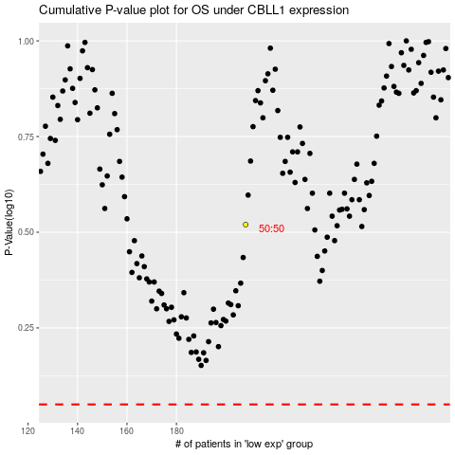

 |  |  |  |  |  | cases_OS | p_OS | rank | exp
 |  |  |  |  |  |  | cases_RFS | p_RFS | rank | exp

