CBLN3 _multivariate
Reported by Tex Li-Hsing Chi. tex@gate.sinica.edu.tw 2019-08-21

Table 2. The clinicopathological features of HNSCC cohort and CBLN3 expression. (Chi square test)
Cutoff at -0.093 (62.3%)
 |  | CBLN3 expression |  | CBLN3 expression |  | (Optimised)
 | Features | Low | (%) | High | (%) | Case no | P-value | Remark | Matthews
Gender | Female | 188 | 45.3 | 118 | 28.4 | 415 | 0.5689 | 0 | 0
2 | Male | 71 | 17.1 | 38 | 9.2
Age at diagnosis | <=65y | 170 | 41 | 104 | 25.1 | 415 | 0.9144 | 0 | 0
4 | >65y | 89 | 21.4 | 52 | 12.5
Clinical T Status | T1+T2 | 91 | 21.9 | 58 | 14 | 415 | 0.7529 | 0 | 0
6 | T3+T4 | 168 | 40.5 | 98 | 23.6
Clinical N Status | N0 | 131 | 31.6 | 85 | 20.5 | 415 | 0.5026 | 0 | 0
8 | N1-3 | 128 | 30.8 | 71 | 17.1
Clinical M Status | M0 | 256 | 61.7 | 156 | 37.6 | 415 | 0.2945 | 0 | 0
10 | M1 | 3 | 0.7 | 0 | 0
Clinical Stage | Stage I+II | 62 | 14.9 | 40 | 9.6 | 415 | 0.7852 | 0 | 0
12 | Stage III+IV | 197 | 47.5 | 116 | 28
Surgical Margin status | Negative | 198 | 47.7 | 120 | 28.9 | 415 | 1 | 0 | 0
14 | Positive | 61 | 14.7 | 36 | 8.7
Tobacco Exposure | Low | 93 | 22.4 | 68 | 16.4 | 415 | 0.1453 | 0 | 0
16 | High | 166 | 40 | 88 | 21.2

Table 3. Univariate/Multivariate Cox's proportional hazards regression analyses on OS time of CBLN3 gene expression in HNSCC

 |  | Univariate |  |  |  | Multivariate
 | Features | HR | CI95%(L) | CI95%(H) | P-value | HR | CI95%(L) | CI95%(H) | P-value
1 | Female | 1 |  |  |  | 1
Gender | Male | 1.157 | 0.843 | 1.587 | 0.367 | 1.176 | 0.839 | 1.647 | 0.346
11 | <=65y | 1 |  |  |  | 1
Age at diagnosis | >65y | 1.329 | 0.99 | 1.784 | 0.058 | 1.371 | 1.008 | 1.865 | 0.044
12 | T1+T2 | 1 |  |  |  | 1
Clinical T Status | T3+T4 | 1.409 | 1.028 | 1.931 | 0.033 | 2.166 | 1.146 | 4.096 | 0.017
13 | N0 | 1 |  |  |  | 1
Clinical N Status | N1-3 | 1.185 | 0.89 | 1.577 | 0.246 | 1.233 | 0.864 | 1.758 | 0.248
14 | M0 | 1 |  |  |  | 1
Clinical M Status | M1 | 4.097 | 1.009 | 16.644 | 0.049 | 8.468 | 1.838 | 39.008 | 0.006
15 | Stage I+II | 1 |  |  |  | 1
Clinical Stage | Stage III+IV | 1.245 | 0.882 | 1.759 | 0.213 | 0.513 | 0.239 | 1.1 | 0.086
16 | Negative | 1 |  |  |  | 1
Surgical Margin status | Positive | 1.591 | 1.155 | 2.191 | 0.004 | 1.665 | 1.205 | 2.301 | 0.002
17 | Low | 1 |  |  |  | 1
Tobacco Exposure | High | 1.364 | 1.008 | 1.844 | 0.044 | 1.436 | 1.04 | 1.982 | 0.028
18 | Low | 1 |  |  |  | 1
RNAseq(z-score) | High | 0.73 | 0.539 | 0.99 | 0.043 | 0.787 | 0.579 | 1.071 | 0.127

Table 4. Univariate/Multivariate Cox's proportional hazards regression analyses on RFS time of CBLN3 gene expression in HNSCC

 |  | Univariate |  |  |  | Multivariate
 | Features | HR | CI95%(L) | CI95%(H) | P-value | HR | CI95%(L) | CI95%(H) | P-value
1 | Female | 1 |  |  |  | 1
Gender | Male | 1.157 | 0.843 | 1.587 | 0.367 | 1.176 | 0.839 | 1.647 | 0.346
11 | <=65y | 1 |  |  |  | 1
Age at diagnosis | >65y | 1.329 | 0.99 | 1.784 | 0.058 | 1.371 | 1.008 | 1.865 | 0.044
12 | T1+T2 | 1 |  |  |  | 1
Clinical T Status | T3+T4 | 1.409 | 1.028 | 1.931 | 0.033 | 2.166 | 1.146 | 4.096 | 0.017
13 | N0 | 1 |  |  |  | 1
Clinical N Status | N1-3 | 1.185 | 0.89 | 1.577 | 0.246 | 1.233 | 0.864 | 1.758 | 0.248
14 | M0 | 1 |  |  |  | 1
Clinical M Status | M1 | 4.097 | 1.009 | 16.644 | 0.049 | 8.468 | 1.838 | 39.008 | 0.006
15 | Stage I+II | 1 |  |  |  | 1
Clinical Stage | Stage III+IV | 1.245 | 0.882 | 1.759 | 0.213 | 0.513 | 0.239 | 1.1 | 0.086
16 | Negative | 1 |  |  |  | 1
Surgical Margin status | Positive | 1.591 | 1.155 | 2.191 | 0.004 | 1.665 | 1.205 | 2.301 | 0.002
17 | Low | 1 |  |  |  | 1
Tobacco Exposure | High | 1.364 | 1.008 | 1.844 | 0.044 | 1.436 | 1.04 | 1.982 | 0.028
18 | Low | 1 |  |  |  | 1
RNAseq(z-score) | High | 0.73 | 0.539 | 0.99 | 0.043 | 0.787 | 0.579 | 1.071 | 0.127

Kaplan-Meier survival estimate: Cutoff at -0.093 (62.3%)



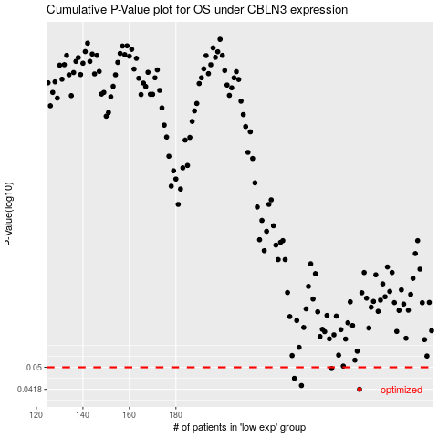

 |  |  |  |  |  | cases_OS | p_OS | rank | exp
 |  |  |  |  |  | 259 | 0.0418 | 271 | -0.093387852928
 |  |  |  |  |  | 234 | 0.0431 | 205 | -0.16152519265
 |  |  |  |  |  | 231 | 0.0457 | 177 | -0.16797231706
 |  |  |  |  |  | 247 | 0.0495 | 111 | -0.12775829854
 |  |  |  |  |  |  | cases_RFS | p_RFS | rank | exp
 |  |  |  |  |  |  | 258 | 0.0418 | 61 | -0.094200408139
 |  |  |  |  |  |  | 233 | 0.0431 | 191 | -0.16419958696
 |  |  |  |  |  |  | 230 | 0.0457 | 56 | -0.16931804498
 |  |  |  |  |  |  | 246 | 0.0495 | 65 | -0.12794384264

