CBS _multivariate
Reported by Tex Li-Hsing Chi. tex@gate.sinica.edu.tw 2019-08-21

Table 2. The clinicopathological features of HNSCC cohort and CBS expression. (Chi square test)
Cutoff at -0.344 (49.8%)
 |  | CBS expression |  | CBS expression |  | (Optimised)
 | Features | Low | (%) | High | (%) | Case no | P-value | Remark | Matthews
Gender | Female | 138 | 33.3 | 168 | 40.5 | 415 | 0.0016 | 1 | 0
2 | Male | 69 | 16.6 | 40 | 9.6
Age at diagnosis | <=65y | 132 | 31.8 | 142 | 34.2 | 415 | 0.3874 | 0 | 0
4 | >65y | 75 | 18.1 | 66 | 15.9
Clinical T Status | T1+T2 | 84 | 20.2 | 65 | 15.7 | 415 | 0.0603 | 0 | 0
6 | T3+T4 | 123 | 29.6 | 143 | 34.5
Clinical N Status | N0 | 114 | 27.5 | 102 | 24.6 | 415 | 0.2576 | 1 | 0
8 | N1-3 | 93 | 22.4 | 106 | 25.5
Clinical M Status | M0 | 206 | 49.6 | 206 | 49.6 | 415 | 1 | 0 | 0
10 | M1 | 1 | 0.2 | 2 | 0.5
Clinical Stage | Stage I+II | 64 | 15.4 | 38 | 9.2 | 415 | 0.004 | 1 | 0
12 | Stage III+IV | 143 | 34.5 | 170 | 41
Surgical Margin status | Negative | 165 | 39.8 | 153 | 36.9 | 415 | 0.1639 | 0 | 0
14 | Positive | 42 | 10.1 | 55 | 13.3
Tobacco Exposure | Low | 104 | 25.1 | 57 | 13.7 | 415 | 0 | 1 | 0
16 | High | 103 | 24.8 | 151 | 36.4

Table 3. Univariate/Multivariate Cox's proportional hazards regression analyses on OS time of CBS gene expression in HNSCC

 |  | Univariate |  |  |  | Multivariate
 | Features | HR | CI95%(L) | CI95%(H) | P-value | HR | CI95%(L) | CI95%(H) | P-value
1 | Female | 1 |  |  |  | 1
Gender | Male | 1.157 | 0.843 | 1.587 | 0.367 | 1.223 | 0.872 | 1.716 | 0.244
11 | <=65y | 1 |  |  |  | 1
Age at diagnosis | >65y | 1.329 | 0.99 | 1.784 | 0.058 | 1.391 | 1.023 | 1.891 | 0.035
12 | T1+T2 | 1 |  |  |  | 1
Clinical T Status | T3+T4 | 1.409 | 1.028 | 1.931 | 0.033 | 2.226 | 1.176 | 4.211 | 0.014
13 | N0 | 1 |  |  |  | 1
Clinical N Status | N1-3 | 1.185 | 0.89 | 1.577 | 0.246 | 1.244 | 0.871 | 1.776 | 0.23
14 | M0 | 1 |  |  |  | 1
Clinical M Status | M1 | 4.097 | 1.009 | 16.644 | 0.049 | 9.429 | 2.057 | 43.224 | 0.004
15 | Stage I+II | 1 |  |  |  | 1
Clinical Stage | Stage III+IV | 1.245 | 0.882 | 1.759 | 0.213 | 0.49 | 0.227 | 1.057 | 0.069
16 | Negative | 1 |  |  |  | 1
Surgical Margin status | Positive | 1.591 | 1.155 | 2.191 | 0.004 | 1.668 | 1.207 | 2.305 | 0.002
17 | Low | 1 |  |  |  | 1
Tobacco Exposure | High | 1.364 | 1.008 | 1.844 | 0.044 | 1.414 | 1.016 | 1.966 | 0.04
18 | Low | 1 |  |  |  | 1
RNAseq(z-score) | High | 1.176 | 0.88 | 1.57 | 0.273 | 1.115 | 0.817 | 1.521 | 0.494

Table 4. Univariate/Multivariate Cox's proportional hazards regression analyses on RFS time of CBS gene expression in HNSCC

 |  | Univariate |  |  |  | Multivariate
 | Features | HR | CI95%(L) | CI95%(H) | P-value | HR | CI95%(L) | CI95%(H) | P-value
1 | Female | 1 |  |  |  | 1
Gender | Male | 1.157 | 0.843 | 1.587 | 0.367 | 1.223 | 0.872 | 1.716 | 0.244
11 | <=65y | 1 |  |  |  | 1
Age at diagnosis | >65y | 1.329 | 0.99 | 1.784 | 0.058 | 1.391 | 1.023 | 1.891 | 0.035
12 | T1+T2 | 1 |  |  |  | 1
Clinical T Status | T3+T4 | 1.409 | 1.028 | 1.931 | 0.033 | 2.226 | 1.176 | 4.211 | 0.014
13 | N0 | 1 |  |  |  | 1
Clinical N Status | N1-3 | 1.185 | 0.89 | 1.577 | 0.246 | 1.244 | 0.871 | 1.776 | 0.23
14 | M0 | 1 |  |  |  | 1
Clinical M Status | M1 | 4.097 | 1.009 | 16.644 | 0.049 | 9.429 | 2.057 | 43.224 | 0.004
15 | Stage I+II | 1 |  |  |  | 1
Clinical Stage | Stage III+IV | 1.245 | 0.882 | 1.759 | 0.213 | 0.49 | 0.227 | 1.057 | 0.069
16 | Negative | 1 |  |  |  | 1
Surgical Margin status | Positive | 1.591 | 1.155 | 2.191 | 0.004 | 1.668 | 1.207 | 2.305 | 0.002
17 | Low | 1 |  |  |  | 1
Tobacco Exposure | High | 1.364 | 1.008 | 1.844 | 0.044 | 1.414 | 1.016 | 1.966 | 0.04
18 | Low | 1 |  |  |  | 1
RNAseq(z-score) | High | 1.176 | 0.88 | 1.57 | 0.273 | 1.115 | 0.817 | 1.521 | 0.494

Kaplan-Meier survival estimate: Cutoff at -0.344 (49.8%)



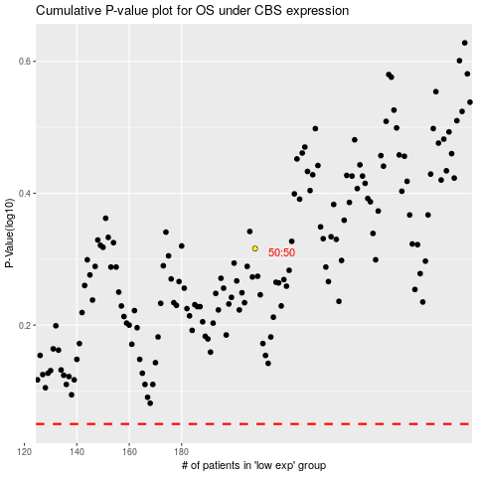

 |  |  |  |  |  | cases_OS | p_OS | rank | exp
 |  |  |  |  |  |  | cases_RFS | p_RFS | rank | exp

