CBX1 _multivariate
Reported by Tex Li-Hsing Chi. tex@gate.sinica.edu.tw 2019-08-21

Table 2. The clinicopathological features of HNSCC cohort and CBX1 expression. (Chi square test)
Cutoff at -0.117 (49.8%)
 |  | CBX1 expression |  | CBX1 expression |  | (Optimised)
 | Features | Low | (%) | High | (%) | Case no | P-value | Remark | Matthews
Gender | Female | 141 | 34 | 165 | 39.8 | 415 | 0.013 | 1 | 0
2 | Male | 66 | 15.9 | 43 | 10.4
Age at diagnosis | <=65y | 126 | 30.4 | 148 | 35.7 | 415 | 0.035 | 1 | 0
4 | >65y | 81 | 19.5 | 60 | 14.5
Clinical T Status | T1+T2 | 80 | 19.3 | 69 | 16.6 | 415 | 0.2891 | 0 | 0
6 | T3+T4 | 127 | 30.6 | 139 | 33.5
Clinical N Status | N0 | 113 | 27.2 | 103 | 24.8 | 415 | 0.3495 | 1 | 0
8 | N1-3 | 94 | 22.7 | 105 | 25.3
Clinical M Status | M0 | 205 | 49.4 | 207 | 49.9 | 415 | 0.6232 | 0 | 0
10 | M1 | 2 | 0.5 | 1 | 0.2
Clinical Stage | Stage I+II | 59 | 14.2 | 43 | 10.4 | 415 | 0.0822 | 0 | 0
12 | Stage III+IV | 148 | 35.7 | 165 | 39.8
Surgical Margin status | Negative | 161 | 38.8 | 157 | 37.8 | 415 | 0.6429 | 0 | 0
14 | Positive | 46 | 11.1 | 51 | 12.3
Tobacco Exposure | Low | 102 | 24.6 | 59 | 14.2 | 415 | 0 | 1 | 0
16 | High | 105 | 25.3 | 149 | 35.9

Table 3. Univariate/Multivariate Cox's proportional hazards regression analyses on OS time of CBX1 gene expression in HNSCC

 |  | Univariate |  |  |  | Multivariate
 | Features | HR | CI95%(L) | CI95%(H) | P-value | HR | CI95%(L) | CI95%(H) | P-value
1 | Female | 1 |  |  |  | 1
Gender | Male | 1.157 | 0.843 | 1.587 | 0.367 | 1.218 | 0.871 | 1.704 | 0.249
11 | <=65y | 1 |  |  |  | 1
Age at diagnosis | >65y | 1.329 | 0.99 | 1.784 | 0.058 | 1.407 | 1.034 | 1.914 | 0.03
12 | T1+T2 | 1 |  |  |  | 1
Clinical T Status | T3+T4 | 1.409 | 1.028 | 1.931 | 0.033 | 2.262 | 1.194 | 4.286 | 0.012
13 | N0 | 1 |  |  |  | 1
Clinical N Status | N1-3 | 1.185 | 0.89 | 1.577 | 0.246 | 1.25 | 0.875 | 1.785 | 0.219
14 | M0 | 1 |  |  |  | 1
Clinical M Status | M1 | 4.097 | 1.009 | 16.644 | 0.049 | 9.932 | 2.16 | 45.679 | 0.003
15 | Stage I+II | 1 |  |  |  | 1
Clinical Stage | Stage III+IV | 1.245 | 0.882 | 1.759 | 0.213 | 0.476 | 0.22 | 1.029 | 0.059
16 | Negative | 1 |  |  |  | 1
Surgical Margin status | Positive | 1.591 | 1.155 | 2.191 | 0.004 | 1.681 | 1.216 | 2.324 | 0.002
17 | Low | 1 |  |  |  | 1
Tobacco Exposure | High | 1.364 | 1.008 | 1.844 | 0.044 | 1.401 | 1.011 | 1.942 | 0.043
18 | Low | 1 |  |  |  | 1
RNAseq(z-score) | High | 1.18 | 0.884 | 1.577 | 0.262 | 1.19 | 0.877 | 1.615 | 0.264

Table 4. Univariate/Multivariate Cox's proportional hazards regression analyses on RFS time of CBX1 gene expression in HNSCC

 |  | Univariate |  |  |  | Multivariate
 | Features | HR | CI95%(L) | CI95%(H) | P-value | HR | CI95%(L) | CI95%(H) | P-value
1 | Female | 1 |  |  |  | 1
Gender | Male | 1.157 | 0.843 | 1.587 | 0.367 | 1.218 | 0.871 | 1.704 | 0.249
11 | <=65y | 1 |  |  |  | 1
Age at diagnosis | >65y | 1.329 | 0.99 | 1.784 | 0.058 | 1.407 | 1.034 | 1.914 | 0.03
12 | T1+T2 | 1 |  |  |  | 1
Clinical T Status | T3+T4 | 1.409 | 1.028 | 1.931 | 0.033 | 2.262 | 1.194 | 4.286 | 0.012
13 | N0 | 1 |  |  |  | 1
Clinical N Status | N1-3 | 1.185 | 0.89 | 1.577 | 0.246 | 1.25 | 0.875 | 1.785 | 0.219
14 | M0 | 1 |  |  |  | 1
Clinical M Status | M1 | 4.097 | 1.009 | 16.644 | 0.049 | 9.932 | 2.16 | 45.679 | 0.003
15 | Stage I+II | 1 |  |  |  | 1
Clinical Stage | Stage III+IV | 1.245 | 0.882 | 1.759 | 0.213 | 0.476 | 0.22 | 1.029 | 0.059
16 | Negative | 1 |  |  |  | 1
Surgical Margin status | Positive | 1.591 | 1.155 | 2.191 | 0.004 | 1.681 | 1.216 | 2.324 | 0.002
17 | Low | 1 |  |  |  | 1
Tobacco Exposure | High | 1.364 | 1.008 | 1.844 | 0.044 | 1.401 | 1.011 | 1.942 | 0.043
18 | Low | 1 |  |  |  | 1
RNAseq(z-score) | High | 1.18 | 0.884 | 1.577 | 0.262 | 1.19 | 0.877 | 1.615 | 0.264

Kaplan-Meier survival estimate: Cutoff at -0.117 (49.8%)



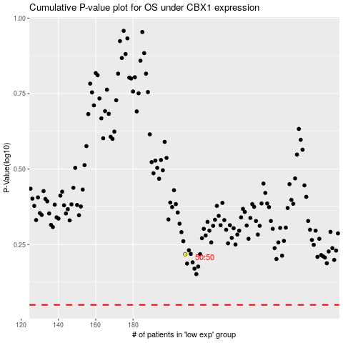

 |  |  |  |  |  | cases_OS | p_OS | rank | exp
 |  |  |  |  |  |  | cases_RFS | p_RFS | rank | exp

