CBX6 _multivariate
Reported by Tex Li-Hsing Chi. tex@gate.sinica.edu.tw 2019-08-21

Table 2. The clinicopathological features of HNSCC cohort and CBX6 expression. (Chi square test)
Cutoff at -0.269 (49.8%)
 |  | CBX6 expression |  | CBX6 expression |  | (Optimised)
 | Features | Low | (%) | High | (%) | Case no | P-value | Remark | Matthews
Gender | Female | 146 | 35.2 | 160 | 38.6 | 415 | 0.1714 | 0 | 0
2 | Male | 61 | 14.7 | 48 | 11.6
Age at diagnosis | <=65y | 137 | 33 | 137 | 33 | 415 | 1 | 0 | 0
4 | >65y | 70 | 16.9 | 71 | 17.1
Clinical T Status | T1+T2 | 63 | 15.2 | 86 | 20.7 | 415 | 0.0268 | 1 | 0
6 | T3+T4 | 144 | 34.7 | 122 | 29.4
Clinical N Status | N0 | 108 | 26 | 108 | 26 | 415 | 1 | 0 | 0
8 | N1-3 | 99 | 23.9 | 100 | 24.1
Clinical M Status | M0 | 206 | 49.6 | 206 | 49.6 | 415 | 1 | 0 | 0
10 | M1 | 1 | 0.2 | 2 | 0.5
Clinical Stage | Stage I+II | 46 | 11.1 | 56 | 13.5 | 415 | 0.3182 | 0 | 0
12 | Stage III+IV | 161 | 38.8 | 152 | 36.6
Surgical Margin status | Negative | 151 | 36.4 | 167 | 40.2 | 415 | 0.0828 | 0 | 0
14 | Positive | 56 | 13.5 | 41 | 9.9
Tobacco Exposure | Low | 96 | 23.1 | 65 | 15.7 | 415 | 0.0018 | 1 | 0
16 | High | 111 | 26.7 | 143 | 34.5

Table 3. Univariate/Multivariate Cox's proportional hazards regression analyses on OS time of CBX6 gene expression in HNSCC

 |  | Univariate |  |  |  | Multivariate
 | Features | HR | CI95%(L) | CI95%(H) | P-value | HR | CI95%(L) | CI95%(H) | P-value
1 | Female | 1 |  |  |  | 1
Gender | Male | 1.157 | 0.843 | 1.587 | 0.367 | 1.208 | 0.863 | 1.689 | 0.271
11 | <=65y | 1 |  |  |  | 1
Age at diagnosis | >65y | 1.329 | 0.99 | 1.784 | 0.058 | 1.388 | 1.021 | 1.888 | 0.037
12 | T1+T2 | 1 |  |  |  | 1
Clinical T Status | T3+T4 | 1.409 | 1.028 | 1.931 | 0.033 | 2.229 | 1.174 | 4.232 | 0.014
13 | N0 | 1 |  |  |  | 1
Clinical N Status | N1-3 | 1.185 | 0.89 | 1.577 | 0.246 | 1.242 | 0.87 | 1.772 | 0.232
14 | M0 | 1 |  |  |  | 1
Clinical M Status | M1 | 4.097 | 1.009 | 16.644 | 0.049 | 9.448 | 2.061 | 43.319 | 0.004
15 | Stage I+II | 1 |  |  |  | 1
Clinical Stage | Stage III+IV | 1.245 | 0.882 | 1.759 | 0.213 | 0.5 | 0.232 | 1.075 | 0.076
16 | Negative | 1 |  |  |  | 1
Surgical Margin status | Positive | 1.591 | 1.155 | 2.191 | 0.004 | 1.682 | 1.215 | 2.329 | 0.002
17 | Low | 1 |  |  |  | 1
Tobacco Exposure | High | 1.364 | 1.008 | 1.844 | 0.044 | 1.44 | 1.041 | 1.993 | 0.028
18 | Low | 1 |  |  |  | 1
RNAseq(z-score) | High | 1.011 | 0.757 | 1.35 | 0.939 | 1.051 | 0.779 | 1.417 | 0.745

Table 4. Univariate/Multivariate Cox's proportional hazards regression analyses on RFS time of CBX6 gene expression in HNSCC

 |  | Univariate |  |  |  | Multivariate
 | Features | HR | CI95%(L) | CI95%(H) | P-value | HR | CI95%(L) | CI95%(H) | P-value
1 | Female | 1 |  |  |  | 1
Gender | Male | 1.157 | 0.843 | 1.587 | 0.367 | 1.208 | 0.863 | 1.689 | 0.271
11 | <=65y | 1 |  |  |  | 1
Age at diagnosis | >65y | 1.329 | 0.99 | 1.784 | 0.058 | 1.388 | 1.021 | 1.888 | 0.037
12 | T1+T2 | 1 |  |  |  | 1
Clinical T Status | T3+T4 | 1.409 | 1.028 | 1.931 | 0.033 | 2.229 | 1.174 | 4.232 | 0.014
13 | N0 | 1 |  |  |  | 1
Clinical N Status | N1-3 | 1.185 | 0.89 | 1.577 | 0.246 | 1.242 | 0.87 | 1.772 | 0.232
14 | M0 | 1 |  |  |  | 1
Clinical M Status | M1 | 4.097 | 1.009 | 16.644 | 0.049 | 9.448 | 2.061 | 43.319 | 0.004
15 | Stage I+II | 1 |  |  |  | 1
Clinical Stage | Stage III+IV | 1.245 | 0.882 | 1.759 | 0.213 | 0.5 | 0.232 | 1.075 | 0.076
16 | Negative | 1 |  |  |  | 1
Surgical Margin status | Positive | 1.591 | 1.155 | 2.191 | 0.004 | 1.682 | 1.215 | 2.329 | 0.002
17 | Low | 1 |  |  |  | 1
Tobacco Exposure | High | 1.364 | 1.008 | 1.844 | 0.044 | 1.44 | 1.041 | 1.993 | 0.028
18 | Low | 1 |  |  |  | 1
RNAseq(z-score) | High | 1.011 | 0.757 | 1.35 | 0.939 | 1.051 | 0.779 | 1.417 | 0.745

Kaplan-Meier survival estimate: Cutoff at -0.269 (49.8%)



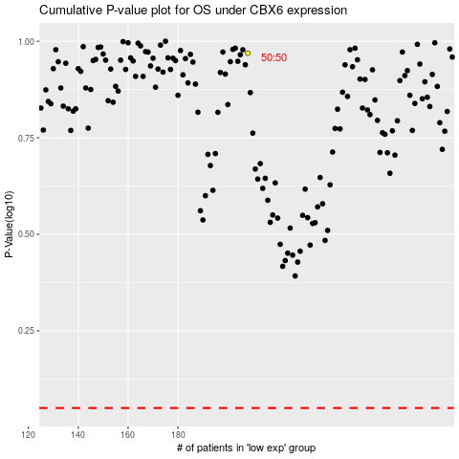

 |  |  |  |  |  | cases_OS | p_OS | rank | exp
 |  |  |  |  |  |  | cases_RFS | p_RFS | rank | exp

