CBX8 _multivariate
Reported by Tex Li-Hsing Chi. tex@gate.sinica.edu.tw 2019-08-21

Table 2. The clinicopathological features of HNSCC cohort and CBX8 expression. (Chi square test)
Cutoff at -0.27 (49.8%)
 |  | CBX8 expression |  | CBX8 expression |  | (Optimised)
 | Features | Low | (%) | High | (%) | Case no | P-value | Remark | Matthews
Gender | Female | 141 | 34 | 165 | 39.8 | 415 | 0.013 | 1 | 0
2 | Male | 66 | 15.9 | 43 | 10.4
Age at diagnosis | <=65y | 134 | 32.3 | 140 | 33.7 | 415 | 0.6529 | 0 | 0
4 | >65y | 73 | 17.6 | 68 | 16.4
Clinical T Status | T1+T2 | 80 | 19.3 | 69 | 16.6 | 415 | 0.2891 | 0 | 0
6 | T3+T4 | 127 | 30.6 | 139 | 33.5
Clinical N Status | N0 | 113 | 27.2 | 103 | 24.8 | 415 | 0.3495 | 1 | 0
8 | N1-3 | 94 | 22.7 | 105 | 25.3
Clinical M Status | M0 | 207 | 49.9 | 205 | 49.4 | 415 | 0.2482 | 0 | 0
10 | M1 | 0 | 0 | 3 | 0.7
Clinical Stage | Stage I+II | 59 | 14.2 | 43 | 10.4 | 415 | 0.0822 | 0 | 0
12 | Stage III+IV | 148 | 35.7 | 165 | 39.8
Surgical Margin status | Negative | 164 | 39.5 | 154 | 37.1 | 415 | 0.2462 | 0 | 0
14 | Positive | 43 | 10.4 | 54 | 13
Tobacco Exposure | Low | 106 | 25.5 | 55 | 13.3 | 415 | 0 | 1 | 0
16 | High | 101 | 24.3 | 153 | 36.9

Table 3. Univariate/Multivariate Cox's proportional hazards regression analyses on OS time of CBX8 gene expression in HNSCC

 |  | Univariate |  |  |  | Multivariate
 | Features | HR | CI95%(L) | CI95%(H) | P-value | HR | CI95%(L) | CI95%(H) | P-value
1 | Female | 1 |  |  |  | 1
Gender | Male | 1.157 | 0.843 | 1.587 | 0.367 | 1.181 | 0.845 | 1.65 | 0.33
11 | <=65y | 1 |  |  |  | 1
Age at diagnosis | >65y | 1.329 | 0.99 | 1.784 | 0.058 | 1.396 | 1.027 | 1.898 | 0.033
12 | T1+T2 | 1 |  |  |  | 1
Clinical T Status | T3+T4 | 1.409 | 1.028 | 1.931 | 0.033 | 2.191 | 1.158 | 4.144 | 0.016
13 | N0 | 1 |  |  |  | 1
Clinical N Status | N1-3 | 1.185 | 0.89 | 1.577 | 0.246 | 1.229 | 0.861 | 1.752 | 0.256
14 | M0 | 1 |  |  |  | 1
Clinical M Status | M1 | 4.097 | 1.009 | 16.644 | 0.049 | 10.608 | 2.293 | 49.074 | 0.003
15 | Stage I+II | 1 |  |  |  | 1
Clinical Stage | Stage III+IV | 1.245 | 0.882 | 1.759 | 0.213 | 0.516 | 0.241 | 1.108 | 0.09
16 | Negative | 1 |  |  |  | 1
Surgical Margin status | Positive | 1.591 | 1.155 | 2.191 | 0.004 | 1.728 | 1.246 | 2.397 | 0.001
17 | Low | 1 |  |  |  | 1
Tobacco Exposure | High | 1.364 | 1.008 | 1.844 | 0.044 | 1.561 | 1.118 | 2.181 | 0.009
18 | Low | 1 |  |  |  | 1
RNAseq(z-score) | High | 0.94 | 0.705 | 1.253 | 0.672 | 0.79 | 0.581 | 1.074 | 0.133

Table 4. Univariate/Multivariate Cox's proportional hazards regression analyses on RFS time of CBX8 gene expression in HNSCC

 |  | Univariate |  |  |  | Multivariate
 | Features | HR | CI95%(L) | CI95%(H) | P-value | HR | CI95%(L) | CI95%(H) | P-value
1 | Female | 1 |  |  |  | 1
Gender | Male | 1.157 | 0.843 | 1.587 | 0.367 | 1.181 | 0.845 | 1.65 | 0.33
11 | <=65y | 1 |  |  |  | 1
Age at diagnosis | >65y | 1.329 | 0.99 | 1.784 | 0.058 | 1.396 | 1.027 | 1.898 | 0.033
12 | T1+T2 | 1 |  |  |  | 1
Clinical T Status | T3+T4 | 1.409 | 1.028 | 1.931 | 0.033 | 2.191 | 1.158 | 4.144 | 0.016
13 | N0 | 1 |  |  |  | 1
Clinical N Status | N1-3 | 1.185 | 0.89 | 1.577 | 0.246 | 1.229 | 0.861 | 1.752 | 0.256
14 | M0 | 1 |  |  |  | 1
Clinical M Status | M1 | 4.097 | 1.009 | 16.644 | 0.049 | 10.608 | 2.293 | 49.074 | 0.003
15 | Stage I+II | 1 |  |  |  | 1
Clinical Stage | Stage III+IV | 1.245 | 0.882 | 1.759 | 0.213 | 0.516 | 0.241 | 1.108 | 0.09
16 | Negative | 1 |  |  |  | 1
Surgical Margin status | Positive | 1.591 | 1.155 | 2.191 | 0.004 | 1.728 | 1.246 | 2.397 | 0.001
17 | Low | 1 |  |  |  | 1
Tobacco Exposure | High | 1.364 | 1.008 | 1.844 | 0.044 | 1.561 | 1.118 | 2.181 | 0.009
18 | Low | 1 |  |  |  | 1
RNAseq(z-score) | High | 0.94 | 0.705 | 1.253 | 0.672 | 0.79 | 0.581 | 1.074 | 0.133

Kaplan-Meier survival estimate: Cutoff at -0.27 (49.8%)



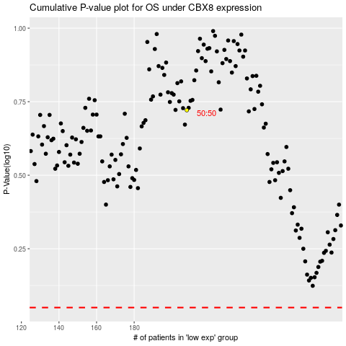

 |  |  |  |  |  | cases_OS | p_OS | rank | exp
 |  |  |  |  |  |  | cases_RFS | p_RFS | rank | exp

