CCDC101 _multivariate
Reported by Tex Li-Hsing Chi. tex@gate.sinica.edu.tw 2019-08-21

Table 2. The clinicopathological features of HNSCC cohort and CCDC101 expression. (Chi square test)
Cutoff at -0.304 (49.8%)
 |  | CCDC101 expression |  | CCDC101 expression |  | (Optimised)
 | Features | Low | (%) | High | (%) | Case no | P-value | Remark | Matthews
Gender | Female | 148 | 35.7 | 158 | 38.1 | 415 | 0.3567 | 0 | 0
2 | Male | 59 | 14.2 | 50 | 12
Age at diagnosis | <=65y | 131 | 31.6 | 143 | 34.5 | 415 | 0.2839 | 0 | 0
4 | >65y | 76 | 18.3 | 65 | 15.7
Clinical T Status | T1+T2 | 67 | 16.1 | 82 | 19.8 | 415 | 0.1628 | 0 | 0
6 | T3+T4 | 140 | 33.7 | 126 | 30.4
Clinical N Status | N0 | 105 | 25.3 | 111 | 26.7 | 415 | 0.6598 | 0 | 0
8 | N1-3 | 102 | 24.6 | 97 | 23.4
Clinical M Status | M0 | 207 | 49.9 | 205 | 49.4 | 415 | 0.2482 | 0 | 0
10 | M1 | 0 | 0 | 3 | 0.7
Clinical Stage | Stage I+II | 49 | 11.8 | 53 | 12.8 | 415 | 0.7535 | 0 | 0
12 | Stage III+IV | 158 | 38.1 | 155 | 37.3
Surgical Margin status | Negative | 163 | 39.3 | 155 | 37.3 | 415 | 0.3537 | 0 | 0
14 | Positive | 44 | 10.6 | 53 | 12.8
Tobacco Exposure | Low | 87 | 21 | 74 | 17.8 | 415 | 0.1911 | 0 | 0
16 | High | 120 | 28.9 | 134 | 32.3

Table 3. Univariate/Multivariate Cox's proportional hazards regression analyses on OS time of CCDC101 gene expression in HNSCC

 |  | Univariate |  |  |  | Multivariate
 | Features | HR | CI95%(L) | CI95%(H) | P-value | HR | CI95%(L) | CI95%(H) | P-value
1 | Female | 1 |  |  |  | 1
Gender | Male | 1.157 | 0.843 | 1.587 | 0.367 | 1.202 | 0.861 | 1.679 | 0.281
11 | <=65y | 1 |  |  |  | 1
Age at diagnosis | >65y | 1.329 | 0.99 | 1.784 | 0.058 | 1.388 | 1.02 | 1.888 | 0.037
12 | T1+T2 | 1 |  |  |  | 1
Clinical T Status | T3+T4 | 1.409 | 1.028 | 1.931 | 0.033 | 2.192 | 1.159 | 4.146 | 0.016
13 | N0 | 1 |  |  |  | 1
Clinical N Status | N1-3 | 1.185 | 0.89 | 1.577 | 0.246 | 1.242 | 0.87 | 1.772 | 0.232
14 | M0 | 1 |  |  |  | 1
Clinical M Status | M1 | 4.097 | 1.009 | 16.644 | 0.049 | 9.605 | 2.085 | 44.251 | 0.004
15 | Stage I+II | 1 |  |  |  | 1
Clinical Stage | Stage III+IV | 1.245 | 0.882 | 1.759 | 0.213 | 0.507 | 0.236 | 1.089 | 0.082
16 | Negative | 1 |  |  |  | 1
Surgical Margin status | Positive | 1.591 | 1.155 | 2.191 | 0.004 | 1.682 | 1.215 | 2.329 | 0.002
17 | Low | 1 |  |  |  | 1
Tobacco Exposure | High | 1.364 | 1.008 | 1.844 | 0.044 | 1.459 | 1.058 | 2.012 | 0.021
18 | Low | 1 |  |  |  | 1
RNAseq(z-score) | High | 0.999 | 0.75 | 1.331 | 0.996 | 0.951 | 0.71 | 1.274 | 0.738

Table 4. Univariate/Multivariate Cox's proportional hazards regression analyses on RFS time of CCDC101 gene expression in HNSCC

 |  | Univariate |  |  |  | Multivariate
 | Features | HR | CI95%(L) | CI95%(H) | P-value | HR | CI95%(L) | CI95%(H) | P-value
1 | Female | 1 |  |  |  | 1
Gender | Male | 1.157 | 0.843 | 1.587 | 0.367 | 1.202 | 0.861 | 1.679 | 0.281
11 | <=65y | 1 |  |  |  | 1
Age at diagnosis | >65y | 1.329 | 0.99 | 1.784 | 0.058 | 1.388 | 1.02 | 1.888 | 0.037
12 | T1+T2 | 1 |  |  |  | 1
Clinical T Status | T3+T4 | 1.409 | 1.028 | 1.931 | 0.033 | 2.192 | 1.159 | 4.146 | 0.016
13 | N0 | 1 |  |  |  | 1
Clinical N Status | N1-3 | 1.185 | 0.89 | 1.577 | 0.246 | 1.242 | 0.87 | 1.772 | 0.232
14 | M0 | 1 |  |  |  | 1
Clinical M Status | M1 | 4.097 | 1.009 | 16.644 | 0.049 | 9.605 | 2.085 | 44.251 | 0.004
15 | Stage I+II | 1 |  |  |  | 1
Clinical Stage | Stage III+IV | 1.245 | 0.882 | 1.759 | 0.213 | 0.507 | 0.236 | 1.089 | 0.082
16 | Negative | 1 |  |  |  | 1
Surgical Margin status | Positive | 1.591 | 1.155 | 2.191 | 0.004 | 1.682 | 1.215 | 2.329 | 0.002
17 | Low | 1 |  |  |  | 1
Tobacco Exposure | High | 1.364 | 1.008 | 1.844 | 0.044 | 1.459 | 1.058 | 2.012 | 0.021
18 | Low | 1 |  |  |  | 1
RNAseq(z-score) | High | 0.999 | 0.75 | 1.331 | 0.996 | 0.951 | 0.71 | 1.274 | 0.738

Kaplan-Meier survival estimate: Cutoff at -0.304 (49.8%)



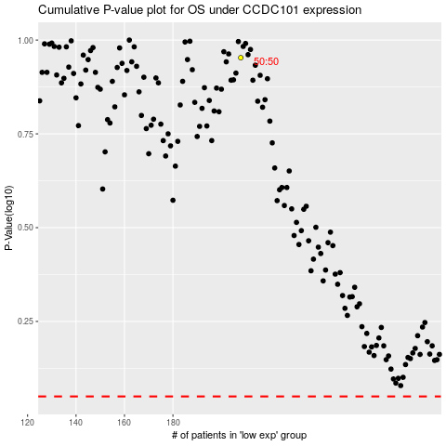

 |  |  |  |  |  | cases_OS | p_OS | rank | exp
 |  |  |  |  |  |  | cases_RFS | p_RFS | rank | exp

