CCDC102B _multivariate
Reported by Tex Li-Hsing Chi. tex@gate.sinica.edu.tw 2019-08-21

Table 2. The clinicopathological features of HNSCC cohort and CCDC102B expression. (Chi square test)
Cutoff at -0.232 (49.8%)
 |  | CCDC102B expression |  | CCDC102B expression |  | (Optimised)
 | Features | Low | (%) | High | (%) | Case no | P-value | Remark | Matthews
Gender | Female | 152 | 36.6 | 154 | 37.1 | 415 | 0.9766 | 0 | 0
2 | Male | 55 | 13.3 | 54 | 13
Age at diagnosis | <=65y | 136 | 32.8 | 138 | 33.3 | 415 | 0.9719 | 0 | 0
4 | >65y | 71 | 17.1 | 70 | 16.9
Clinical T Status | T1+T2 | 80 | 19.3 | 69 | 16.6 | 415 | 0.2891 | 0 | 0
6 | T3+T4 | 127 | 30.6 | 139 | 33.5
Clinical N Status | N0 | 104 | 25.1 | 112 | 27 | 415 | 0.5243 | 0 | 0
8 | N1-3 | 103 | 24.8 | 96 | 23.1
Clinical M Status | M0 | 204 | 49.2 | 208 | 50.1 | 415 | 0.1232 | 0 | 0
10 | M1 | 3 | 0.7 | 0 | 0
Clinical Stage | Stage I+II | 53 | 12.8 | 49 | 11.8 | 415 | 0.7113 | 0 | 0
12 | Stage III+IV | 154 | 37.1 | 159 | 38.3
Surgical Margin status | Negative | 160 | 38.6 | 158 | 38.1 | 415 | 0.8167 | 0 | 0
14 | Positive | 47 | 11.3 | 50 | 12
Tobacco Exposure | Low | 83 | 20 | 78 | 18.8 | 415 | 0.6152 | 0 | 0
16 | High | 124 | 29.9 | 130 | 31.3

Table 3. Univariate/Multivariate Cox's proportional hazards regression analyses on OS time of CCDC102B gene expression in HNSCC

 |  | Univariate |  |  |  | Multivariate
 | Features | HR | CI95%(L) | CI95%(H) | P-value | HR | CI95%(L) | CI95%(H) | P-value
1 | Female | 1 |  |  |  | 1
Gender | Male | 1.157 | 0.843 | 1.587 | 0.367 | 1.207 | 0.864 | 1.687 | 0.27
11 | <=65y | 1 |  |  |  | 1
Age at diagnosis | >65y | 1.329 | 0.99 | 1.784 | 0.058 | 1.385 | 1.019 | 1.883 | 0.037
12 | T1+T2 | 1 |  |  |  | 1
Clinical T Status | T3+T4 | 1.409 | 1.028 | 1.931 | 0.033 | 2.224 | 1.176 | 4.209 | 0.014
13 | N0 | 1 |  |  |  | 1
Clinical N Status | N1-3 | 1.185 | 0.89 | 1.577 | 0.246 | 1.234 | 0.865 | 1.76 | 0.246
14 | M0 | 1 |  |  |  | 1
Clinical M Status | M1 | 4.097 | 1.009 | 16.644 | 0.049 | 8.88 | 1.929 | 40.882 | 0.005
15 | Stage I+II | 1 |  |  |  | 1
Clinical Stage | Stage III+IV | 1.245 | 0.882 | 1.759 | 0.213 | 0.501 | 0.234 | 1.075 | 0.076
16 | Negative | 1 |  |  |  | 1
Surgical Margin status | Positive | 1.591 | 1.155 | 2.191 | 0.004 | 1.665 | 1.205 | 2.301 | 0.002
17 | Low | 1 |  |  |  | 1
Tobacco Exposure | High | 1.364 | 1.008 | 1.844 | 0.044 | 1.458 | 1.058 | 2.009 | 0.021
18 | Low | 1 |  |  |  | 1
RNAseq(z-score) | High | 0.849 | 0.637 | 1.131 | 0.263 | 0.868 | 0.65 | 1.159 | 0.336

Table 4. Univariate/Multivariate Cox's proportional hazards regression analyses on RFS time of CCDC102B gene expression in HNSCC

 |  | Univariate |  |  |  | Multivariate
 | Features | HR | CI95%(L) | CI95%(H) | P-value | HR | CI95%(L) | CI95%(H) | P-value
1 | Female | 1 |  |  |  | 1
Gender | Male | 1.157 | 0.843 | 1.587 | 0.367 | 1.207 | 0.864 | 1.687 | 0.27
11 | <=65y | 1 |  |  |  | 1
Age at diagnosis | >65y | 1.329 | 0.99 | 1.784 | 0.058 | 1.385 | 1.019 | 1.883 | 0.037
12 | T1+T2 | 1 |  |  |  | 1
Clinical T Status | T3+T4 | 1.409 | 1.028 | 1.931 | 0.033 | 2.224 | 1.176 | 4.209 | 0.014
13 | N0 | 1 |  |  |  | 1
Clinical N Status | N1-3 | 1.185 | 0.89 | 1.577 | 0.246 | 1.234 | 0.865 | 1.76 | 0.246
14 | M0 | 1 |  |  |  | 1
Clinical M Status | M1 | 4.097 | 1.009 | 16.644 | 0.049 | 8.88 | 1.929 | 40.882 | 0.005
15 | Stage I+II | 1 |  |  |  | 1
Clinical Stage | Stage III+IV | 1.245 | 0.882 | 1.759 | 0.213 | 0.501 | 0.234 | 1.075 | 0.076
16 | Negative | 1 |  |  |  | 1
Surgical Margin status | Positive | 1.591 | 1.155 | 2.191 | 0.004 | 1.665 | 1.205 | 2.301 | 0.002
17 | Low | 1 |  |  |  | 1
Tobacco Exposure | High | 1.364 | 1.008 | 1.844 | 0.044 | 1.458 | 1.058 | 2.009 | 0.021
18 | Low | 1 |  |  |  | 1
RNAseq(z-score) | High | 0.849 | 0.637 | 1.131 | 0.263 | 0.868 | 0.65 | 1.159 | 0.336

Kaplan-Meier survival estimate: Cutoff at -0.232 (49.8%)



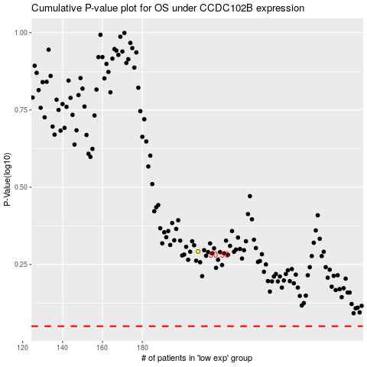

 |  |  |  |  |  | cases_OS | p_OS | rank | exp
 |  |  |  |  |  |  | cases_RFS | p_RFS | rank | exp

