CCDC109B _multivariate
Reported by Tex Li-Hsing Chi. tex@gate.sinica.edu.tw 2019-08-21

Table 2. The clinicopathological features of HNSCC cohort and CCDC109B expression. (Chi square test)
Cutoff at -0.089 (50.0%)
 |  | CCDC109B expression |  | CCDC109B expression |  | (Optimised)
 | Features | Low | (%) | High | (%) | Case no | P-value | Remark | Matthews
Gender | Female | 168 | 40.5 | 138 | 33.3 | 415 | 9e-04 | 1 | 0
2 | Male | 39 | 9.4 | 70 | 16.9
Age at diagnosis | <=65y | 141 | 34 | 133 | 32 | 415 | 0.4272 | 0 | 0
4 | >65y | 66 | 15.9 | 75 | 18.1
Clinical T Status | T1+T2 | 71 | 17.1 | 78 | 18.8 | 415 | 0.5638 | 0 | 0
6 | T3+T4 | 136 | 32.8 | 130 | 31.3
Clinical N Status | N0 | 106 | 25.5 | 110 | 26.5 | 415 | 0.8075 | 0 | 0
8 | N1-3 | 101 | 24.3 | 98 | 23.6
Clinical M Status | M0 | 206 | 49.6 | 206 | 49.6 | 415 | 1 | 0 | 0
10 | M1 | 1 | 0.2 | 2 | 0.5
Clinical Stage | Stage I+II | 44 | 10.6 | 58 | 14 | 415 | 0.1459 | 0 | 0
12 | Stage III+IV | 163 | 39.3 | 150 | 36.1
Surgical Margin status | Negative | 166 | 40 | 152 | 36.6 | 415 | 0.1042 | 0 | 0
14 | Positive | 41 | 9.9 | 56 | 13.5
Tobacco Exposure | Low | 73 | 17.6 | 88 | 21.2 | 415 | 0.1587 | 0 | 0
16 | High | 134 | 32.3 | 120 | 28.9

Table 3. Univariate/Multivariate Cox's proportional hazards regression analyses on OS time of CCDC109B gene expression in HNSCC

 |  | Univariate |  |  |  | Multivariate
 | Features | HR | CI95%(L) | CI95%(H) | P-value | HR | CI95%(L) | CI95%(H) | P-value
1 | Female | 1 |  |  |  | 1
Gender | Male | 1.157 | 0.843 | 1.587 | 0.367 | 1.176 | 0.836 | 1.654 | 0.352
11 | <=65y | 1 |  |  |  | 1
Age at diagnosis | >65y | 1.329 | 0.99 | 1.784 | 0.058 | 1.392 | 1.023 | 1.892 | 0.035
12 | T1+T2 | 1 |  |  |  | 1
Clinical T Status | T3+T4 | 1.409 | 1.028 | 1.931 | 0.033 | 2.199 | 1.163 | 4.157 | 0.015
13 | N0 | 1 |  |  |  | 1
Clinical N Status | N1-3 | 1.185 | 0.89 | 1.577 | 0.246 | 1.249 | 0.875 | 1.784 | 0.22
14 | M0 | 1 |  |  |  | 1
Clinical M Status | M1 | 4.097 | 1.009 | 16.644 | 0.049 | 9.008 | 1.953 | 41.55 | 0.005
15 | Stage I+II | 1 |  |  |  | 1
Clinical Stage | Stage III+IV | 1.245 | 0.882 | 1.759 | 0.213 | 0.513 | 0.239 | 1.103 | 0.087
16 | Negative | 1 |  |  |  | 1
Surgical Margin status | Positive | 1.591 | 1.155 | 2.191 | 0.004 | 1.647 | 1.188 | 2.283 | 0.003
17 | Low | 1 |  |  |  | 1
Tobacco Exposure | High | 1.364 | 1.008 | 1.844 | 0.044 | 1.462 | 1.06 | 2.016 | 0.021
18 | Low | 1 |  |  |  | 1
RNAseq(z-score) | High | 1.157 | 0.868 | 1.543 | 0.319 | 1.101 | 0.812 | 1.495 | 0.535

Table 4. Univariate/Multivariate Cox's proportional hazards regression analyses on RFS time of CCDC109B gene expression in HNSCC

 |  | Univariate |  |  |  | Multivariate
 | Features | HR | CI95%(L) | CI95%(H) | P-value | HR | CI95%(L) | CI95%(H) | P-value
1 | Female | 1 |  |  |  | 1
Gender | Male | 1.157 | 0.843 | 1.587 | 0.367 | 1.176 | 0.836 | 1.654 | 0.352
11 | <=65y | 1 |  |  |  | 1
Age at diagnosis | >65y | 1.329 | 0.99 | 1.784 | 0.058 | 1.392 | 1.023 | 1.892 | 0.035
12 | T1+T2 | 1 |  |  |  | 1
Clinical T Status | T3+T4 | 1.409 | 1.028 | 1.931 | 0.033 | 2.199 | 1.163 | 4.157 | 0.015
13 | N0 | 1 |  |  |  | 1
Clinical N Status | N1-3 | 1.185 | 0.89 | 1.577 | 0.246 | 1.249 | 0.875 | 1.784 | 0.22
14 | M0 | 1 |  |  |  | 1
Clinical M Status | M1 | 4.097 | 1.009 | 16.644 | 0.049 | 9.008 | 1.953 | 41.55 | 0.005
15 | Stage I+II | 1 |  |  |  | 1
Clinical Stage | Stage III+IV | 1.245 | 0.882 | 1.759 | 0.213 | 0.513 | 0.239 | 1.103 | 0.087
16 | Negative | 1 |  |  |  | 1
Surgical Margin status | Positive | 1.591 | 1.155 | 2.191 | 0.004 | 1.647 | 1.188 | 2.283 | 0.003
17 | Low | 1 |  |  |  | 1
Tobacco Exposure | High | 1.364 | 1.008 | 1.844 | 0.044 | 1.462 | 1.06 | 2.016 | 0.021
18 | Low | 1 |  |  |  | 1
RNAseq(z-score) | High | 1.157 | 0.868 | 1.543 | 0.319 | 1.101 | 0.812 | 1.495 | 0.535

Kaplan-Meier survival estimate: Cutoff at -0.089 (50.0%)



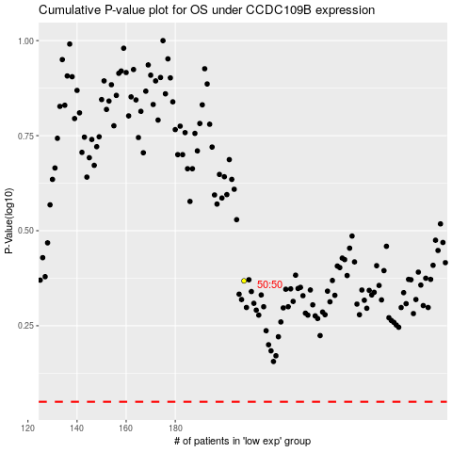

 |  |  |  |  |  | cases_OS | p_OS | rank | exp
 |  |  |  |  |  |  | cases_RFS | p_RFS | rank | exp

