CCDC116 _multivariate
Reported by Tex Li-Hsing Chi. tex@gate.sinica.edu.tw 2019-08-21

Table 2. The clinicopathological features of HNSCC cohort and CCDC116 expression. (Chi square test)
Cutoff at -0.247 (49.8%)
 |  | CCDC116 expression |  | CCDC116 expression |  | (Optimised)
 | Features | Low | (%) | High | (%) | Case no | P-value | Remark | Matthews
Gender | Female | 145 | 34.9 | 161 | 38.8 | 415 | 0.1116 | 0 | 0
2 | Male | 62 | 14.9 | 47 | 11.3
Age at diagnosis | <=65y | 137 | 33 | 137 | 33 | 415 | 1 | 0 | 0
4 | >65y | 70 | 16.9 | 71 | 17.1
Clinical T Status | T1+T2 | 78 | 18.8 | 71 | 17.1 | 415 | 0.5152 | 0 | 0
6 | T3+T4 | 129 | 31.1 | 137 | 33
Clinical N Status | N0 | 112 | 27 | 104 | 25.1 | 415 | 0.4599 | 0 | 0
8 | N1-3 | 95 | 22.9 | 104 | 25.1
Clinical M Status | M0 | 207 | 49.9 | 205 | 49.4 | 415 | 0.2482 | 0 | 0
10 | M1 | 0 | 0 | 3 | 0.7
Clinical Stage | Stage I+II | 54 | 13 | 48 | 11.6 | 415 | 0.5498 | 0 | 0
12 | Stage III+IV | 153 | 36.9 | 160 | 38.6
Surgical Margin status | Negative | 162 | 39 | 156 | 37.6 | 415 | 0.4867 | 0 | 0
14 | Positive | 45 | 10.8 | 52 | 12.5
Tobacco Exposure | Low | 86 | 20.7 | 75 | 18.1 | 415 | 0.2687 | 0 | 0
16 | High | 121 | 29.2 | 133 | 32

Table 3. Univariate/Multivariate Cox's proportional hazards regression analyses on OS time of CCDC116 gene expression in HNSCC

 |  | Univariate |  |  |  | Multivariate
 | Features | HR | CI95%(L) | CI95%(H) | P-value | HR | CI95%(L) | CI95%(H) | P-value
1 | Female | 1 |  |  |  | 1
Gender | Male | 1.157 | 0.843 | 1.587 | 0.367 | 1.228 | 0.878 | 1.719 | 0.23
11 | <=65y | 1 |  |  |  | 1
Age at diagnosis | >65y | 1.329 | 0.99 | 1.784 | 0.058 | 1.389 | 1.022 | 1.887 | 0.036
12 | T1+T2 | 1 |  |  |  | 1
Clinical T Status | T3+T4 | 1.409 | 1.028 | 1.931 | 0.033 | 2.152 | 1.137 | 4.071 | 0.018
13 | N0 | 1 |  |  |  | 1
Clinical N Status | N1-3 | 1.185 | 0.89 | 1.577 | 0.246 | 1.237 | 0.867 | 1.764 | 0.241
14 | M0 | 1 |  |  |  | 1
Clinical M Status | M1 | 4.097 | 1.009 | 16.644 | 0.049 | 8.334 | 1.805 | 38.48 | 0.007
15 | Stage I+II | 1 |  |  |  | 1
Clinical Stage | Stage III+IV | 1.245 | 0.882 | 1.759 | 0.213 | 0.514 | 0.239 | 1.103 | 0.087
16 | Negative | 1 |  |  |  | 1
Surgical Margin status | Positive | 1.591 | 1.155 | 2.191 | 0.004 | 1.659 | 1.2 | 2.293 | 0.002
17 | Low | 1 |  |  |  | 1
Tobacco Exposure | High | 1.364 | 1.008 | 1.844 | 0.044 | 1.438 | 1.043 | 1.983 | 0.027
18 | Low | 1 |  |  |  | 1
RNAseq(z-score) | High | 1.302 | 0.976 | 1.737 | 0.072 | 1.257 | 0.938 | 1.685 | 0.125

Table 4. Univariate/Multivariate Cox's proportional hazards regression analyses on RFS time of CCDC116 gene expression in HNSCC

 |  | Univariate |  |  |  | Multivariate
 | Features | HR | CI95%(L) | CI95%(H) | P-value | HR | CI95%(L) | CI95%(H) | P-value
1 | Female | 1 |  |  |  | 1
Gender | Male | 1.157 | 0.843 | 1.587 | 0.367 | 1.228 | 0.878 | 1.719 | 0.23
11 | <=65y | 1 |  |  |  | 1
Age at diagnosis | >65y | 1.329 | 0.99 | 1.784 | 0.058 | 1.389 | 1.022 | 1.887 | 0.036
12 | T1+T2 | 1 |  |  |  | 1
Clinical T Status | T3+T4 | 1.409 | 1.028 | 1.931 | 0.033 | 2.152 | 1.137 | 4.071 | 0.018
13 | N0 | 1 |  |  |  | 1
Clinical N Status | N1-3 | 1.185 | 0.89 | 1.577 | 0.246 | 1.237 | 0.867 | 1.764 | 0.241
14 | M0 | 1 |  |  |  | 1
Clinical M Status | M1 | 4.097 | 1.009 | 16.644 | 0.049 | 8.334 | 1.805 | 38.48 | 0.007
15 | Stage I+II | 1 |  |  |  | 1
Clinical Stage | Stage III+IV | 1.245 | 0.882 | 1.759 | 0.213 | 0.514 | 0.239 | 1.103 | 0.087
16 | Negative | 1 |  |  |  | 1
Surgical Margin status | Positive | 1.591 | 1.155 | 2.191 | 0.004 | 1.659 | 1.2 | 2.293 | 0.002
17 | Low | 1 |  |  |  | 1
Tobacco Exposure | High | 1.364 | 1.008 | 1.844 | 0.044 | 1.438 | 1.043 | 1.983 | 0.027
18 | Low | 1 |  |  |  | 1
RNAseq(z-score) | High | 1.302 | 0.976 | 1.737 | 0.072 | 1.257 | 0.938 | 1.685 | 0.125

Kaplan-Meier survival estimate: Cutoff at -0.247 (49.8%)



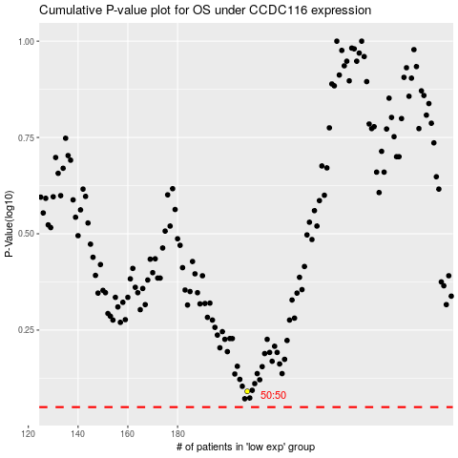

 |  |  |  |  |  | cases_OS | p_OS | rank | exp
 |  |  |  |  |  |  | cases_RFS | p_RFS | rank | exp

