CCDC117 _multivariate
Reported by Tex Li-Hsing Chi. tex@gate.sinica.edu.tw 2019-08-21

Table 2. The clinicopathological features of HNSCC cohort and CCDC117 expression. (Chi square test)
Cutoff at -0.198 (49.8%)
 |  | CCDC117 expression |  | CCDC117 expression |  | (Optimised)
 | Features | Low | (%) | High | (%) | Case no | P-value | Remark | Matthews
Gender | Female | 142 | 34.2 | 164 | 39.5 | 415 | 0.0238 | 1 | 0
2 | Male | 65 | 15.7 | 44 | 10.6
Age at diagnosis | <=65y | 131 | 31.6 | 143 | 34.5 | 415 | 0.2839 | 0 | 0
4 | >65y | 76 | 18.3 | 65 | 15.7
Clinical T Status | T1+T2 | 70 | 16.9 | 79 | 19 | 415 | 0.4343 | 0 | 0
6 | T3+T4 | 137 | 33 | 129 | 31.1
Clinical N Status | N0 | 116 | 28 | 100 | 24.1 | 415 | 0.1273 | 1 | 0
8 | N1-3 | 91 | 21.9 | 108 | 26
Clinical M Status | M0 | 206 | 49.6 | 206 | 49.6 | 415 | 1 | 0 | 0
10 | M1 | 1 | 0.2 | 2 | 0.5
Clinical Stage | Stage I+II | 53 | 12.8 | 49 | 11.8 | 415 | 0.7113 | 0 | 0
12 | Stage III+IV | 154 | 37.1 | 159 | 38.3
Surgical Margin status | Negative | 167 | 40.2 | 151 | 36.4 | 415 | 0.0632 | 0 | 0
14 | Positive | 40 | 9.6 | 57 | 13.7
Tobacco Exposure | Low | 100 | 24.1 | 61 | 14.7 | 415 | 1e-04 | 1 | 0
16 | High | 107 | 25.8 | 147 | 35.4

Table 3. Univariate/Multivariate Cox's proportional hazards regression analyses on OS time of CCDC117 gene expression in HNSCC

 |  | Univariate |  |  |  | Multivariate
 | Features | HR | CI95%(L) | CI95%(H) | P-value | HR | CI95%(L) | CI95%(H) | P-value
1 | Female | 1 |  |  |  | 1
Gender | Male | 1.157 | 0.843 | 1.587 | 0.367 | 1.219 | 0.871 | 1.705 | 0.248
11 | <=65y | 1 |  |  |  | 1
Age at diagnosis | >65y | 1.329 | 0.99 | 1.784 | 0.058 | 1.392 | 1.024 | 1.892 | 0.035
12 | T1+T2 | 1 |  |  |  | 1
Clinical T Status | T3+T4 | 1.409 | 1.028 | 1.931 | 0.033 | 2.243 | 1.184 | 4.248 | 0.013
13 | N0 | 1 |  |  |  | 1
Clinical N Status | N1-3 | 1.185 | 0.89 | 1.577 | 0.246 | 1.238 | 0.867 | 1.767 | 0.239
14 | M0 | 1 |  |  |  | 1
Clinical M Status | M1 | 4.097 | 1.009 | 16.644 | 0.049 | 9.293 | 2.026 | 42.625 | 0.004
15 | Stage I+II | 1 |  |  |  | 1
Clinical Stage | Stage III+IV | 1.245 | 0.882 | 1.759 | 0.213 | 0.495 | 0.23 | 1.064 | 0.072
16 | Negative | 1 |  |  |  | 1
Surgical Margin status | Positive | 1.591 | 1.155 | 2.191 | 0.004 | 1.668 | 1.207 | 2.305 | 0.002
17 | Low | 1 |  |  |  | 1
Tobacco Exposure | High | 1.364 | 1.008 | 1.844 | 0.044 | 1.424 | 1.029 | 1.969 | 0.033
18 | Low | 1 |  |  |  | 1
RNAseq(z-score) | High | 1.146 | 0.858 | 1.531 | 0.357 | 1.122 | 0.831 | 1.514 | 0.454

Table 4. Univariate/Multivariate Cox's proportional hazards regression analyses on RFS time of CCDC117 gene expression in HNSCC

 |  | Univariate |  |  |  | Multivariate
 | Features | HR | CI95%(L) | CI95%(H) | P-value | HR | CI95%(L) | CI95%(H) | P-value
1 | Female | 1 |  |  |  | 1
Gender | Male | 1.157 | 0.843 | 1.587 | 0.367 | 1.219 | 0.871 | 1.705 | 0.248
11 | <=65y | 1 |  |  |  | 1
Age at diagnosis | >65y | 1.329 | 0.99 | 1.784 | 0.058 | 1.392 | 1.024 | 1.892 | 0.035
12 | T1+T2 | 1 |  |  |  | 1
Clinical T Status | T3+T4 | 1.409 | 1.028 | 1.931 | 0.033 | 2.243 | 1.184 | 4.248 | 0.013
13 | N0 | 1 |  |  |  | 1
Clinical N Status | N1-3 | 1.185 | 0.89 | 1.577 | 0.246 | 1.238 | 0.867 | 1.767 | 0.239
14 | M0 | 1 |  |  |  | 1
Clinical M Status | M1 | 4.097 | 1.009 | 16.644 | 0.049 | 9.293 | 2.026 | 42.625 | 0.004
15 | Stage I+II | 1 |  |  |  | 1
Clinical Stage | Stage III+IV | 1.245 | 0.882 | 1.759 | 0.213 | 0.495 | 0.23 | 1.064 | 0.072
16 | Negative | 1 |  |  |  | 1
Surgical Margin status | Positive | 1.591 | 1.155 | 2.191 | 0.004 | 1.668 | 1.207 | 2.305 | 0.002
17 | Low | 1 |  |  |  | 1
Tobacco Exposure | High | 1.364 | 1.008 | 1.844 | 0.044 | 1.424 | 1.029 | 1.969 | 0.033
18 | Low | 1 |  |  |  | 1
RNAseq(z-score) | High | 1.146 | 0.858 | 1.531 | 0.357 | 1.122 | 0.831 | 1.514 | 0.454

Kaplan-Meier survival estimate: Cutoff at -0.198 (49.8%)



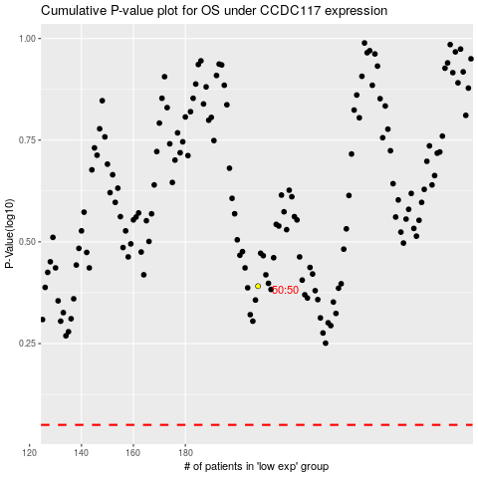

 |  |  |  |  |  | cases_OS | p_OS | rank | exp
 |  |  |  |  |  |  | cases_RFS | p_RFS | rank | exp

