CCDC121 _multivariate
Reported by Tex Li-Hsing Chi. tex@gate.sinica.edu.tw 2019-08-21

Table 2. The clinicopathological features of HNSCC cohort and CCDC121 expression. (Chi square test)
Cutoff at -0.3 (49.8%)
 |  | CCDC121 expression |  | CCDC121 expression |  | (Optimised)
 | Features | Low | (%) | High | (%) | Case no | P-value | Remark | Matthews
Gender | Female | 148 | 35.7 | 158 | 38.1 | 415 | 0.3567 | 0 | 0
2 | Male | 59 | 14.2 | 50 | 12
Age at diagnosis | <=65y | 133 | 32 | 141 | 34 | 415 | 0.5111 | 0 | 0
4 | >65y | 74 | 17.8 | 67 | 16.1
Clinical T Status | T1+T2 | 68 | 16.4 | 81 | 19.5 | 415 | 0.2336 | 0 | 0
6 | T3+T4 | 139 | 33.5 | 127 | 30.6
Clinical N Status | N0 | 111 | 26.7 | 105 | 25.3 | 415 | 0.5875 | 0 | 0
8 | N1-3 | 96 | 23.1 | 103 | 24.8
Clinical M Status | M0 | 206 | 49.6 | 206 | 49.6 | 415 | 1 | 0 | 0
10 | M1 | 1 | 0.2 | 2 | 0.5
Clinical Stage | Stage I+II | 50 | 12 | 52 | 12.5 | 415 | 0.9315 | 0 | 0
12 | Stage III+IV | 157 | 37.8 | 156 | 37.6
Surgical Margin status | Negative | 155 | 37.3 | 163 | 39.3 | 415 | 0.4187 | 0 | 0
14 | Positive | 52 | 12.5 | 45 | 10.8
Tobacco Exposure | Low | 85 | 20.5 | 76 | 18.3 | 415 | 0.3655 | 0 | 0
16 | High | 122 | 29.4 | 132 | 31.8

Table 3. Univariate/Multivariate Cox's proportional hazards regression analyses on OS time of CCDC121 gene expression in HNSCC

 |  | Univariate |  |  |  | Multivariate
 | Features | HR | CI95%(L) | CI95%(H) | P-value | HR | CI95%(L) | CI95%(H) | P-value
1 | Female | 1 |  |  |  | 1
Gender | Male | 1.157 | 0.843 | 1.587 | 0.367 | 1.204 | 0.862 | 1.681 | 0.276
11 | <=65y | 1 |  |  |  | 1
Age at diagnosis | >65y | 1.329 | 0.99 | 1.784 | 0.058 | 1.396 | 1.027 | 1.899 | 0.033
12 | T1+T2 | 1 |  |  |  | 1
Clinical T Status | T3+T4 | 1.409 | 1.028 | 1.931 | 0.033 | 2.228 | 1.175 | 4.227 | 0.014
13 | N0 | 1 |  |  |  | 1
Clinical N Status | N1-3 | 1.185 | 0.89 | 1.577 | 0.246 | 1.241 | 0.87 | 1.771 | 0.233
14 | M0 | 1 |  |  |  | 1
Clinical M Status | M1 | 4.097 | 1.009 | 16.644 | 0.049 | 9.367 | 2.043 | 42.949 | 0.004
15 | Stage I+II | 1 |  |  |  | 1
Clinical Stage | Stage III+IV | 1.245 | 0.882 | 1.759 | 0.213 | 0.499 | 0.232 | 1.073 | 0.075
16 | Negative | 1 |  |  |  | 1
Surgical Margin status | Positive | 1.591 | 1.155 | 2.191 | 0.004 | 1.681 | 1.215 | 2.326 | 0.002
17 | Low | 1 |  |  |  | 1
Tobacco Exposure | High | 1.364 | 1.008 | 1.844 | 0.044 | 1.451 | 1.053 | 1.999 | 0.023
18 | Low | 1 |  |  |  | 1
RNAseq(z-score) | High | 0.976 | 0.733 | 1.301 | 0.869 | 1.056 | 0.789 | 1.414 | 0.714

Table 4. Univariate/Multivariate Cox's proportional hazards regression analyses on RFS time of CCDC121 gene expression in HNSCC

 |  | Univariate |  |  |  | Multivariate
 | Features | HR | CI95%(L) | CI95%(H) | P-value | HR | CI95%(L) | CI95%(H) | P-value
1 | Female | 1 |  |  |  | 1
Gender | Male | 1.157 | 0.843 | 1.587 | 0.367 | 1.204 | 0.862 | 1.681 | 0.276
11 | <=65y | 1 |  |  |  | 1
Age at diagnosis | >65y | 1.329 | 0.99 | 1.784 | 0.058 | 1.396 | 1.027 | 1.899 | 0.033
12 | T1+T2 | 1 |  |  |  | 1
Clinical T Status | T3+T4 | 1.409 | 1.028 | 1.931 | 0.033 | 2.228 | 1.175 | 4.227 | 0.014
13 | N0 | 1 |  |  |  | 1
Clinical N Status | N1-3 | 1.185 | 0.89 | 1.577 | 0.246 | 1.241 | 0.87 | 1.771 | 0.233
14 | M0 | 1 |  |  |  | 1
Clinical M Status | M1 | 4.097 | 1.009 | 16.644 | 0.049 | 9.367 | 2.043 | 42.949 | 0.004
15 | Stage I+II | 1 |  |  |  | 1
Clinical Stage | Stage III+IV | 1.245 | 0.882 | 1.759 | 0.213 | 0.499 | 0.232 | 1.073 | 0.075
16 | Negative | 1 |  |  |  | 1
Surgical Margin status | Positive | 1.591 | 1.155 | 2.191 | 0.004 | 1.681 | 1.215 | 2.326 | 0.002
17 | Low | 1 |  |  |  | 1
Tobacco Exposure | High | 1.364 | 1.008 | 1.844 | 0.044 | 1.451 | 1.053 | 1.999 | 0.023
18 | Low | 1 |  |  |  | 1
RNAseq(z-score) | High | 0.976 | 0.733 | 1.301 | 0.869 | 1.056 | 0.789 | 1.414 | 0.714

Kaplan-Meier survival estimate: Cutoff at -0.3 (49.8%)



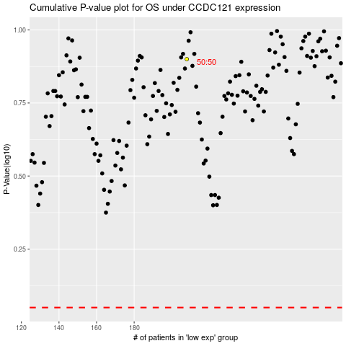

 |  |  |  |  |  | cases_OS | p_OS | rank | exp
 |  |  |  |  |  |  | cases_RFS | p_RFS | rank | exp

