CCDC123 _multivariate
Reported by Tex Li-Hsing Chi. tex@gate.sinica.edu.tw 2019-08-21

Table 2. The clinicopathological features of HNSCC cohort and CCDC123 expression. (Chi square test)
Cutoff at -0.139 (49.8%)
 |  | CCDC123 expression |  | CCDC123 expression |  | (Optimised)
 | Features | Low | (%) | High | (%) | Case no | P-value | Remark | Matthews
Gender | Female | 144 | 34.7 | 162 | 39 | 415 | 0.0697 | 0 | 0
2 | Male | 63 | 15.2 | 46 | 11.1
Age at diagnosis | <=65y | 138 | 33.3 | 136 | 32.8 | 415 | 0.8634 | 0 | 0
4 | >65y | 69 | 16.6 | 72 | 17.3
Clinical T Status | T1+T2 | 79 | 19 | 70 | 16.9 | 415 | 0.3924 | 0 | 0
6 | T3+T4 | 128 | 30.8 | 138 | 33.3
Clinical N Status | N0 | 119 | 28.7 | 97 | 23.4 | 415 | 0.0345 | 1 | 0
8 | N1-3 | 88 | 21.2 | 111 | 26.7
Clinical M Status | M0 | 206 | 49.6 | 206 | 49.6 | 415 | 1 | 0 | 0
10 | M1 | 1 | 0.2 | 2 | 0.5
Clinical Stage | Stage I+II | 57 | 13.7 | 45 | 10.8 | 415 | 0.1998 | 0 | 0
12 | Stage III+IV | 150 | 36.1 | 163 | 39.3
Surgical Margin status | Negative | 161 | 38.8 | 157 | 37.8 | 415 | 0.6429 | 0 | 0
14 | Positive | 46 | 11.1 | 51 | 12.3
Tobacco Exposure | Low | 78 | 18.8 | 83 | 20 | 415 | 0.6873 | 0 | 0
16 | High | 129 | 31.1 | 125 | 30.1

Table 3. Univariate/Multivariate Cox's proportional hazards regression analyses on OS time of CCDC123 gene expression in HNSCC

 |  | Univariate |  |  |  | Multivariate
 | Features | HR | CI95%(L) | CI95%(H) | P-value | HR | CI95%(L) | CI95%(H) | P-value
1 | Female | 1 |  |  |  | 1
Gender | Male | 1.157 | 0.843 | 1.587 | 0.367 | 1.209 | 0.865 | 1.689 | 0.267
11 | <=65y | 1 |  |  |  | 1
Age at diagnosis | >65y | 1.329 | 0.99 | 1.784 | 0.058 | 1.382 | 1.016 | 1.88 | 0.039
12 | T1+T2 | 1 |  |  |  | 1
Clinical T Status | T3+T4 | 1.409 | 1.028 | 1.931 | 0.033 | 2.191 | 1.158 | 4.144 | 0.016
13 | N0 | 1 |  |  |  | 1
Clinical N Status | N1-3 | 1.185 | 0.89 | 1.577 | 0.246 | 1.225 | 0.857 | 1.752 | 0.265
14 | M0 | 1 |  |  |  | 1
Clinical M Status | M1 | 4.097 | 1.009 | 16.644 | 0.049 | 9.348 | 2.039 | 42.854 | 0.004
15 | Stage I+II | 1 |  |  |  | 1
Clinical Stage | Stage III+IV | 1.245 | 0.882 | 1.759 | 0.213 | 0.507 | 0.236 | 1.088 | 0.081
16 | Negative | 1 |  |  |  | 1
Surgical Margin status | Positive | 1.591 | 1.155 | 2.191 | 0.004 | 1.665 | 1.205 | 2.3 | 0.002
17 | Low | 1 |  |  |  | 1
Tobacco Exposure | High | 1.364 | 1.008 | 1.844 | 0.044 | 1.456 | 1.057 | 2.005 | 0.022
18 | Low | 1 |  |  |  | 1
RNAseq(z-score) | High | 1.151 | 0.863 | 1.536 | 0.337 | 1.099 | 0.821 | 1.47 | 0.526

Table 4. Univariate/Multivariate Cox's proportional hazards regression analyses on RFS time of CCDC123 gene expression in HNSCC

 |  | Univariate |  |  |  | Multivariate
 | Features | HR | CI95%(L) | CI95%(H) | P-value | HR | CI95%(L) | CI95%(H) | P-value
1 | Female | 1 |  |  |  | 1
Gender | Male | 1.157 | 0.843 | 1.587 | 0.367 | 1.209 | 0.865 | 1.689 | 0.267
11 | <=65y | 1 |  |  |  | 1
Age at diagnosis | >65y | 1.329 | 0.99 | 1.784 | 0.058 | 1.382 | 1.016 | 1.88 | 0.039
12 | T1+T2 | 1 |  |  |  | 1
Clinical T Status | T3+T4 | 1.409 | 1.028 | 1.931 | 0.033 | 2.191 | 1.158 | 4.144 | 0.016
13 | N0 | 1 |  |  |  | 1
Clinical N Status | N1-3 | 1.185 | 0.89 | 1.577 | 0.246 | 1.225 | 0.857 | 1.752 | 0.265
14 | M0 | 1 |  |  |  | 1
Clinical M Status | M1 | 4.097 | 1.009 | 16.644 | 0.049 | 9.348 | 2.039 | 42.854 | 0.004
15 | Stage I+II | 1 |  |  |  | 1
Clinical Stage | Stage III+IV | 1.245 | 0.882 | 1.759 | 0.213 | 0.507 | 0.236 | 1.088 | 0.081
16 | Negative | 1 |  |  |  | 1
Surgical Margin status | Positive | 1.591 | 1.155 | 2.191 | 0.004 | 1.665 | 1.205 | 2.3 | 0.002
17 | Low | 1 |  |  |  | 1
Tobacco Exposure | High | 1.364 | 1.008 | 1.844 | 0.044 | 1.456 | 1.057 | 2.005 | 0.022
18 | Low | 1 |  |  |  | 1
RNAseq(z-score) | High | 1.151 | 0.863 | 1.536 | 0.337 | 1.099 | 0.821 | 1.47 | 0.526

Kaplan-Meier survival estimate: Cutoff at -0.139 (49.8%)

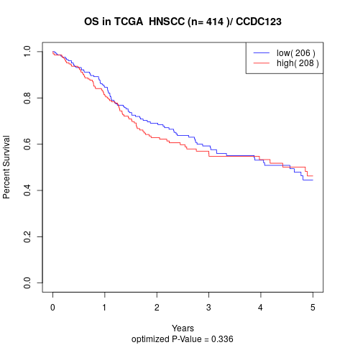

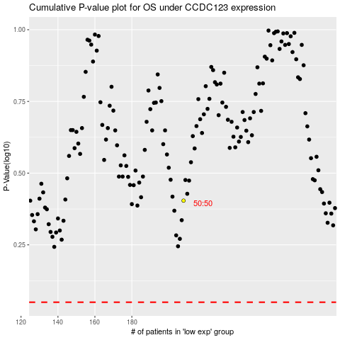

 |  |  |  |  |  | cases_OS | p_OS | rank | exp
 |  |  |  |  |  |  | cases_RFS | p_RFS | rank | exp

