CCDC126 _multivariate
Reported by Tex Li-Hsing Chi. tex@gate.sinica.edu.tw 2019-08-21

Table 2. The clinicopathological features of HNSCC cohort and CCDC126 expression. (Chi square test)
Cutoff at -0.284 (49.8%)
 |  | CCDC126 expression |  | CCDC126 expression |  | (Optimised)
 | Features | Low | (%) | High | (%) | Case no | P-value | Remark | Matthews
Gender | Female | 153 | 36.9 | 153 | 36.9 | 415 | 1 | 0 | 0
2 | Male | 54 | 13 | 55 | 13.3
Age at diagnosis | <=65y | 136 | 32.8 | 138 | 33.3 | 415 | 0.9719 | 0 | 0
4 | >65y | 71 | 17.1 | 70 | 16.9
Clinical T Status | T1+T2 | 84 | 20.2 | 65 | 15.7 | 415 | 0.0603 | 0 | 0
6 | T3+T4 | 123 | 29.6 | 143 | 34.5
Clinical N Status | N0 | 101 | 24.3 | 115 | 27.7 | 415 | 0.2201 | 0 | 0
8 | N1-3 | 106 | 25.5 | 93 | 22.4
Clinical M Status | M0 | 204 | 49.2 | 208 | 50.1 | 415 | 0.1232 | 0 | 0
10 | M1 | 3 | 0.7 | 0 | 0
Clinical Stage | Stage I+II | 53 | 12.8 | 49 | 11.8 | 415 | 0.7113 | 0 | 0
12 | Stage III+IV | 154 | 37.1 | 159 | 38.3
Surgical Margin status | Negative | 163 | 39.3 | 155 | 37.3 | 415 | 0.3537 | 0 | 0
14 | Positive | 44 | 10.6 | 53 | 12.8
Tobacco Exposure | Low | 75 | 18.1 | 86 | 20.7 | 415 | 0.3141 | 0 | 0
16 | High | 132 | 31.8 | 122 | 29.4

Table 3. Univariate/Multivariate Cox's proportional hazards regression analyses on OS time of CCDC126 gene expression in HNSCC

 |  | Univariate |  |  |  | Multivariate
 | Features | HR | CI95%(L) | CI95%(H) | P-value | HR | CI95%(L) | CI95%(H) | P-value
1 | Female | 1 |  |  |  | 1
Gender | Male | 1.157 | 0.843 | 1.587 | 0.367 | 1.203 | 0.861 | 1.681 | 0.28
11 | <=65y | 1 |  |  |  | 1
Age at diagnosis | >65y | 1.329 | 0.99 | 1.784 | 0.058 | 1.385 | 1.018 | 1.884 | 0.038
12 | T1+T2 | 1 |  |  |  | 1
Clinical T Status | T3+T4 | 1.409 | 1.028 | 1.931 | 0.033 | 2.233 | 1.179 | 4.228 | 0.014
13 | N0 | 1 |  |  |  | 1
Clinical N Status | N1-3 | 1.185 | 0.89 | 1.577 | 0.246 | 1.234 | 0.865 | 1.762 | 0.247
14 | M0 | 1 |  |  |  | 1
Clinical M Status | M1 | 4.097 | 1.009 | 16.644 | 0.049 | 9.149 | 1.99 | 42.069 | 0.004
15 | Stage I+II | 1 |  |  |  | 1
Clinical Stage | Stage III+IV | 1.245 | 0.882 | 1.759 | 0.213 | 0.502 | 0.234 | 1.078 | 0.077
16 | Negative | 1 |  |  |  | 1
Surgical Margin status | Positive | 1.591 | 1.155 | 2.191 | 0.004 | 1.674 | 1.211 | 2.312 | 0.002
17 | Low | 1 |  |  |  | 1
Tobacco Exposure | High | 1.364 | 1.008 | 1.844 | 0.044 | 1.445 | 1.047 | 1.992 | 0.025
18 | Low | 1 |  |  |  | 1
RNAseq(z-score) | High | 0.899 | 0.675 | 1.198 | 0.467 | 0.922 | 0.69 | 1.233 | 0.585

Table 4. Univariate/Multivariate Cox's proportional hazards regression analyses on RFS time of CCDC126 gene expression in HNSCC

 |  | Univariate |  |  |  | Multivariate
 | Features | HR | CI95%(L) | CI95%(H) | P-value | HR | CI95%(L) | CI95%(H) | P-value
1 | Female | 1 |  |  |  | 1
Gender | Male | 1.157 | 0.843 | 1.587 | 0.367 | 1.203 | 0.861 | 1.681 | 0.28
11 | <=65y | 1 |  |  |  | 1
Age at diagnosis | >65y | 1.329 | 0.99 | 1.784 | 0.058 | 1.385 | 1.018 | 1.884 | 0.038
12 | T1+T2 | 1 |  |  |  | 1
Clinical T Status | T3+T4 | 1.409 | 1.028 | 1.931 | 0.033 | 2.233 | 1.179 | 4.228 | 0.014
13 | N0 | 1 |  |  |  | 1
Clinical N Status | N1-3 | 1.185 | 0.89 | 1.577 | 0.246 | 1.234 | 0.865 | 1.762 | 0.247
14 | M0 | 1 |  |  |  | 1
Clinical M Status | M1 | 4.097 | 1.009 | 16.644 | 0.049 | 9.149 | 1.99 | 42.069 | 0.004
15 | Stage I+II | 1 |  |  |  | 1
Clinical Stage | Stage III+IV | 1.245 | 0.882 | 1.759 | 0.213 | 0.502 | 0.234 | 1.078 | 0.077
16 | Negative | 1 |  |  |  | 1
Surgical Margin status | Positive | 1.591 | 1.155 | 2.191 | 0.004 | 1.674 | 1.211 | 2.312 | 0.002
17 | Low | 1 |  |  |  | 1
Tobacco Exposure | High | 1.364 | 1.008 | 1.844 | 0.044 | 1.445 | 1.047 | 1.992 | 0.025
18 | Low | 1 |  |  |  | 1
RNAseq(z-score) | High | 0.899 | 0.675 | 1.198 | 0.467 | 0.922 | 0.69 | 1.233 | 0.585

Kaplan-Meier survival estimate: Cutoff at -0.284 (49.8%)



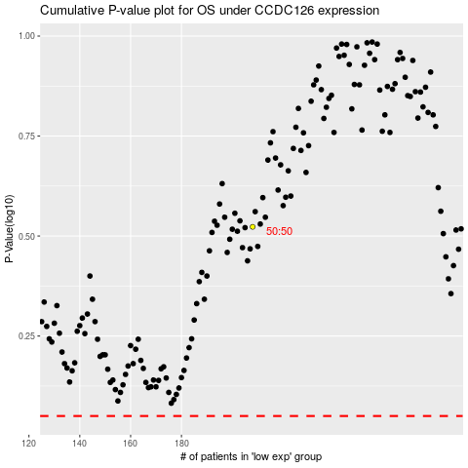

 |  |  |  |  |  | cases_OS | p_OS | rank | exp
 |  |  |  |  |  |  | cases_RFS | p_RFS | rank | exp

