CCDC127 _multivariate
Reported by Tex Li-Hsing Chi. tex@gate.sinica.edu.tw 2019-08-21

Table 2. The clinicopathological features of HNSCC cohort and CCDC127 expression. (Chi square test)
Cutoff at -0.494 (32.1%)
 |  | CCDC127 expression |  | CCDC127 expression |  | (Optimised)
 | Features | Low | (%) | High | (%) | Case no | P-value | Remark | Matthews
Gender | Female | 92 | 22.2 | 214 | 51.6 | 415 | 0.1326 | 0 | 0
2 | Male | 42 | 10.1 | 67 | 16.1
Age at diagnosis | <=65y | 80 | 19.3 | 194 | 46.7 | 415 | 0.0772 | 0 | 0
4 | >65y | 54 | 13 | 87 | 21
Clinical T Status | T1+T2 | 48 | 11.6 | 101 | 24.3 | 415 | 1 | 0 | 0
6 | T3+T4 | 86 | 20.7 | 180 | 43.4
Clinical N Status | N0 | 69 | 16.6 | 147 | 35.4 | 415 | 0.959 | 0 | 0
8 | N1-3 | 65 | 15.7 | 134 | 32.3
Clinical M Status | M0 | 134 | 32.3 | 278 | 67 | 415 | 0.5542 | 0 | 0
10 | M1 | 0 | 0 | 3 | 0.7
Clinical Stage | Stage I+II | 27 | 6.5 | 75 | 18.1 | 415 | 0.1851 | 0 | 0
12 | Stage III+IV | 107 | 25.8 | 206 | 49.6
Surgical Margin status | Negative | 101 | 24.3 | 217 | 52.3 | 415 | 0.7104 | 0 | 0
14 | Positive | 33 | 8 | 64 | 15.4
Tobacco Exposure | Low | 61 | 14.7 | 100 | 24.1 | 415 | 0.0536 | 0 | 0
16 | High | 73 | 17.6 | 181 | 43.6

Table 3. Univariate/Multivariate Cox's proportional hazards regression analyses on OS time of CCDC127 gene expression in HNSCC

 |  | Univariate |  |  |  | Multivariate
 | Features | HR | CI95%(L) | CI95%(H) | P-value | HR | CI95%(L) | CI95%(H) | P-value
1 | Female | 1 |  |  |  | 1
Gender | Male | 1.157 | 0.843 | 1.587 | 0.367 | 1.222 | 0.872 | 1.712 | 0.243
11 | <=65y | 1 |  |  |  | 1
Age at diagnosis | >65y | 1.329 | 0.99 | 1.784 | 0.058 | 1.43 | 1.051 | 1.946 | 0.023
12 | T1+T2 | 1 |  |  |  | 1
Clinical T Status | T3+T4 | 1.409 | 1.028 | 1.931 | 0.033 | 1.971 | 1.036 | 3.751 | 0.039
13 | N0 | 1 |  |  |  | 1
Clinical N Status | N1-3 | 1.185 | 0.89 | 1.577 | 0.246 | 1.19 | 0.833 | 1.701 | 0.339
14 | M0 | 1 |  |  |  | 1
Clinical M Status | M1 | 4.097 | 1.009 | 16.644 | 0.049 | 7.718 | 1.67 | 35.668 | 0.009
15 | Stage I+II | 1 |  |  |  | 1
Clinical Stage | Stage III+IV | 1.245 | 0.882 | 1.759 | 0.213 | 0.599 | 0.275 | 1.303 | 0.196
16 | Negative | 1 |  |  |  | 1
Surgical Margin status | Positive | 1.591 | 1.155 | 2.191 | 0.004 | 1.654 | 1.198 | 2.283 | 0.002
17 | Low | 1 |  |  |  | 1
Tobacco Exposure | High | 1.364 | 1.008 | 1.844 | 0.044 | 1.411 | 1.022 | 1.948 | 0.036
18 | Low | 1 |  |  |  | 1
RNAseq(z-score) | High | 1.495 | 1.082 | 2.067 | 0.015 | 1.441 | 1.032 | 2.012 | 0.032

Table 4. Univariate/Multivariate Cox's proportional hazards regression analyses on RFS time of CCDC127 gene expression in HNSCC

 |  | Univariate |  |  |  | Multivariate
 | Features | HR | CI95%(L) | CI95%(H) | P-value | HR | CI95%(L) | CI95%(H) | P-value
1 | Female | 1 |  |  |  | 1
Gender | Male | 1.157 | 0.843 | 1.587 | 0.367 | 1.222 | 0.872 | 1.712 | 0.243
11 | <=65y | 1 |  |  |  | 1
Age at diagnosis | >65y | 1.329 | 0.99 | 1.784 | 0.058 | 1.43 | 1.051 | 1.946 | 0.023
12 | T1+T2 | 1 |  |  |  | 1
Clinical T Status | T3+T4 | 1.409 | 1.028 | 1.931 | 0.033 | 1.971 | 1.036 | 3.751 | 0.039
13 | N0 | 1 |  |  |  | 1
Clinical N Status | N1-3 | 1.185 | 0.89 | 1.577 | 0.246 | 1.19 | 0.833 | 1.701 | 0.339
14 | M0 | 1 |  |  |  | 1
Clinical M Status | M1 | 4.097 | 1.009 | 16.644 | 0.049 | 7.718 | 1.67 | 35.668 | 0.009
15 | Stage I+II | 1 |  |  |  | 1
Clinical Stage | Stage III+IV | 1.245 | 0.882 | 1.759 | 0.213 | 0.599 | 0.275 | 1.303 | 0.196
16 | Negative | 1 |  |  |  | 1
Surgical Margin status | Positive | 1.591 | 1.155 | 2.191 | 0.004 | 1.654 | 1.198 | 2.283 | 0.002
17 | Low | 1 |  |  |  | 1
Tobacco Exposure | High | 1.364 | 1.008 | 1.844 | 0.044 | 1.411 | 1.022 | 1.948 | 0.036
18 | Low | 1 |  |  |  | 1
RNAseq(z-score) | High | 1.495 | 1.082 | 2.067 | 0.015 | 1.441 | 1.032 | 2.012 | 0.032

Kaplan-Meier survival estimate: Cutoff at -0.494 (32.1%)

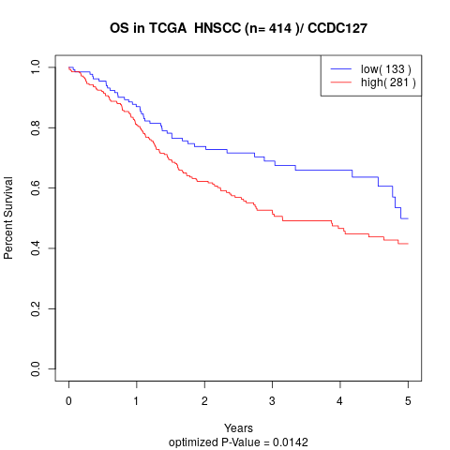

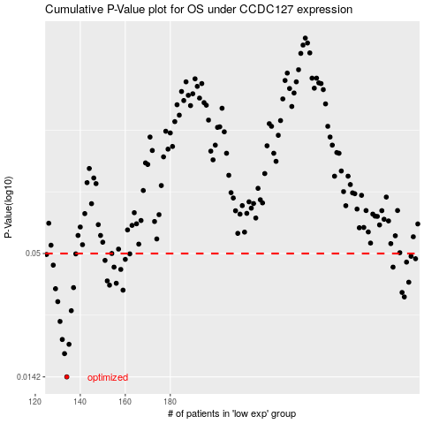

 |  |  |  |  |  | cases_OS | p_OS | rank | exp
 |  |  |  |  |  | 134 | 0.0142 | 387 | -0.49418401207
 |  |  |  |  |  | 133 | 0.018 | 126 | -0.49464518079
 |  |  |  |  |  | 135 | 0.0198 | 38 | -0.49245854148
 |  |  |  |  |  | 132 | 0.0208 | 16 | -0.4986249472
 |  |  |  |  |  | 131 | 0.025 | 407 | -0.49871791734
 |  |  |  |  |  | 136 | 0.0279 | 265 | -0.4918956579
 |  |  |  |  |  | 130 | 0.0306 | 300 | -0.50229542679
 |  |  |  |  |  | 284 | 0.0321 | 377 | 0.24183896577
 |  |  |  |  |  | 283 | 0.0336 | 356 | 0.2402501889
 |  |  |  |  |  | 159 | 0.0344 | 79 | -0.41161225881
 |  |  |  |  |  | 129 | 0.0349 | 104 | -0.51108386664
 |  |  |  |  |  | 137 | 0.0353 | 43 | -0.48886538359
 |  |  |  |  |  | 153 | 0.0362 | 191 | -0.42860324252
 |  |  |  |  |  | 156 | 0.0369 | 370 | -0.41743808084
 |  |  |  |  |  | 286 | 0.0373 | 163 | 0.25013309903
 |  |  |  |  |  | 152 | 0.0378 | 27 | -0.43342710417
 |  |  |  |  |  | 158 | 0.0425 | 6 | -0.41300220845
 |  |  |  |  |  | 155 | 0.0435 | 314 | -0.42106161511
 |  |  |  |  |  | 279 | 0.0435 | 379 | 0.20882766185
 |  |  |  |  |  | 128 | 0.0444 | 363 | -0.51362995982
 |  |  |  |  |  | 285 | 0.0458 | 288 | 0.24466765136
 |  |  |  |  |  | 151 | 0.0466 | 128 | -0.43985401038
 |  |  |  |  |  | 160 | 0.0471 | 159 | -0.40460267835
 |  |  |  |  |  | 289 | 0.0474 | 239 | 0.25403002075
 |  |  |  |  |  | 287 | 0.0486 | 4 | 0.25153547537
 |  |  |  |  |  | 125 | 0.0495 | 261 | -0.51926661983
 |  |  |  |  |  | 162 | 0.0498 | 113 | -0.40027634503
 |  |  |  |  |  | 138 | 0.0498 | 209 | -0.47896774551
 |  |  |  |  |  | 154 | 0.05 | 96 | -0.42464971027
 |  |  |  |  |  |  | cases_RFS | p_RFS | rank | exp
 |  |  |  |  |  |  | 133 | 0.0142 | 126 | -0.49464518079
 |  |  |  |  |  |  | 132 | 0.018 | 16 | -0.4986249472
 |  |  |  |  |  |  | 134 | 0.0198 | 387 | -0.49418401207
 |  |  |  |  |  |  | 131 | 0.0208 | 407 | -0.49871791734
 |  |  |  |  |  |  | 130 | 0.025 | 300 | -0.50229542679
 |  |  |  |  |  |  | 135 | 0.0279 | 38 | -0.49245854148
 |  |  |  |  |  |  | 129 | 0.0306 | 104 | -0.51108386664
 |  |  |  |  |  |  | 283 | 0.0321 | 356 | 0.2402501889
 |  |  |  |  |  |  | 282 | 0.0336 | 368 | 0.22863260321
 |  |  |  |  |  |  | 158 | 0.0344 | 6 | -0.41300220845
 |  |  |  |  |  |  | 128 | 0.0349 | 363 | -0.51362995982
 |  |  |  |  |  |  | 136 | 0.0353 | 265 | -0.4918956579
 |  |  |  |  |  |  | 152 | 0.0362 | 27 | -0.43342710417
 |  |  |  |  |  |  | 155 | 0.0369 | 314 | -0.42106161511
 |  |  |  |  |  |  | 285 | 0.0373 | 288 | 0.24466765136
 |  |  |  |  |  |  | 151 | 0.0378 | 128 | -0.43985401038
 |  |  |  |  |  |  | 157 | 0.0425 | 402 | -0.41525834525
 |  |  |  |  |  |  | 154 | 0.0435 | 96 | -0.42464971027
 |  |  |  |  |  |  | 278 | 0.0435 | 152 | 0.19262002061
 |  |  |  |  |  |  | 127 | 0.0444 | 347 | -0.51553354648
 |  |  |  |  |  |  | 284 | 0.0458 | 377 | 0.24183896577
 |  |  |  |  |  |  | 150 | 0.0466 | 262 | -0.44432578213
 |  |  |  |  |  |  | 159 | 0.0471 | 79 | -0.41161225881
 |  |  |  |  |  |  | 288 | 0.0474 | 83 | 0.25376767926
 |  |  |  |  |  |  | 286 | 0.0486 | 163 | 0.25013309903
 |  |  |  |  |  |  |  | 0.0495 | 118 | -0.52167509879
 |  |  |  |  |  |  | 137 | 0.0498 | 43 | -0.48886538359
 |  |  |  |  |  |  | 161 | 0.0498 | 45 | -0.4018020679
 |  |  |  |  |  |  | 153 | 0.05 | 191 | -0.42860324252

