CCDC132 _multivariate
Reported by Tex Li-Hsing Chi. tex@gate.sinica.edu.tw 2019-08-21

Table 2. The clinicopathological features of HNSCC cohort and CCDC132 expression. (Chi square test)
Cutoff at -0.138 (50.0%)
 |  | CCDC132 expression |  | CCDC132 expression |  | (Optimised)
 | Features | Low | (%) | High | (%) | Case no | P-value | Remark | Matthews
Gender | Female | 154 | 37.1 | 152 | 36.6 | 415 | 0.8463 | 0 | 0
2 | Male | 53 | 12.8 | 56 | 13.5
Age at diagnosis | <=65y | 137 | 33 | 137 | 33 | 415 | 1 | 0 | 0
4 | >65y | 70 | 16.9 | 71 | 17.1
Clinical T Status | T1+T2 | 69 | 16.6 | 80 | 19.3 | 415 | 0.3239 | 0 | 0
6 | T3+T4 | 138 | 33.3 | 128 | 30.8
Clinical N Status | N0 | 104 | 25.1 | 112 | 27 | 415 | 0.5243 | 0 | 0
8 | N1-3 | 103 | 24.8 | 96 | 23.1
Clinical M Status | M0 | 206 | 49.6 | 206 | 49.6 | 415 | 1 | 0 | 0
10 | M1 | 1 | 0.2 | 2 | 0.5
Clinical Stage | Stage I+II | 49 | 11.8 | 53 | 12.8 | 415 | 0.7535 | 0 | 0
12 | Stage III+IV | 158 | 38.1 | 155 | 37.3
Surgical Margin status | Negative | 154 | 37.1 | 164 | 39.5 | 415 | 0.2984 | 0 | 0
14 | Positive | 53 | 12.8 | 44 | 10.6
Tobacco Exposure | Low | 77 | 18.6 | 84 | 20.2 | 415 | 0.5459 | 0 | 0
16 | High | 130 | 31.3 | 124 | 29.9

Table 3. Univariate/Multivariate Cox's proportional hazards regression analyses on OS time of CCDC132 gene expression in HNSCC

 |  | Univariate |  |  |  | Multivariate
 | Features | HR | CI95%(L) | CI95%(H) | P-value | HR | CI95%(L) | CI95%(H) | P-value
1 | Female | 1 |  |  |  | 1
Gender | Male | 1.157 | 0.843 | 1.587 | 0.367 | 1.203 | 0.861 | 1.682 | 0.279
11 | <=65y | 1 |  |  |  | 1
Age at diagnosis | >65y | 1.329 | 0.99 | 1.784 | 0.058 | 1.41 | 1.036 | 1.92 | 0.029
12 | T1+T2 | 1 |  |  |  | 1
Clinical T Status | T3+T4 | 1.409 | 1.028 | 1.931 | 0.033 | 2.151 | 1.136 | 4.075 | 0.019
13 | N0 | 1 |  |  |  | 1
Clinical N Status | N1-3 | 1.185 | 0.89 | 1.577 | 0.246 | 1.229 | 0.861 | 1.754 | 0.257
14 | M0 | 1 |  |  |  | 1
Clinical M Status | M1 | 4.097 | 1.009 | 16.644 | 0.049 | 9.382 | 2.047 | 43.006 | 0.004
15 | Stage I+II | 1 |  |  |  | 1
Clinical Stage | Stage III+IV | 1.245 | 0.882 | 1.759 | 0.213 | 0.516 | 0.24 | 1.11 | 0.091
16 | Negative | 1 |  |  |  | 1
Surgical Margin status | Positive | 1.591 | 1.155 | 2.191 | 0.004 | 1.657 | 1.199 | 2.29 | 0.002
17 | Low | 1 |  |  |  | 1
Tobacco Exposure | High | 1.364 | 1.008 | 1.844 | 0.044 | 1.44 | 1.044 | 1.987 | 0.026
18 | Low | 1 |  |  |  | 1
RNAseq(z-score) | High | 0.828 | 0.621 | 1.104 | 0.199 | 0.872 | 0.651 | 1.169 | 0.36

Table 4. Univariate/Multivariate Cox's proportional hazards regression analyses on RFS time of CCDC132 gene expression in HNSCC

 |  | Univariate |  |  |  | Multivariate
 | Features | HR | CI95%(L) | CI95%(H) | P-value | HR | CI95%(L) | CI95%(H) | P-value
1 | Female | 1 |  |  |  | 1
Gender | Male | 1.157 | 0.843 | 1.587 | 0.367 | 1.203 | 0.861 | 1.682 | 0.279
11 | <=65y | 1 |  |  |  | 1
Age at diagnosis | >65y | 1.329 | 0.99 | 1.784 | 0.058 | 1.41 | 1.036 | 1.92 | 0.029
12 | T1+T2 | 1 |  |  |  | 1
Clinical T Status | T3+T4 | 1.409 | 1.028 | 1.931 | 0.033 | 2.151 | 1.136 | 4.075 | 0.019
13 | N0 | 1 |  |  |  | 1
Clinical N Status | N1-3 | 1.185 | 0.89 | 1.577 | 0.246 | 1.229 | 0.861 | 1.754 | 0.257
14 | M0 | 1 |  |  |  | 1
Clinical M Status | M1 | 4.097 | 1.009 | 16.644 | 0.049 | 9.382 | 2.047 | 43.006 | 0.004
15 | Stage I+II | 1 |  |  |  | 1
Clinical Stage | Stage III+IV | 1.245 | 0.882 | 1.759 | 0.213 | 0.516 | 0.24 | 1.11 | 0.091
16 | Negative | 1 |  |  |  | 1
Surgical Margin status | Positive | 1.591 | 1.155 | 2.191 | 0.004 | 1.657 | 1.199 | 2.29 | 0.002
17 | Low | 1 |  |  |  | 1
Tobacco Exposure | High | 1.364 | 1.008 | 1.844 | 0.044 | 1.44 | 1.044 | 1.987 | 0.026
18 | Low | 1 |  |  |  | 1
RNAseq(z-score) | High | 0.828 | 0.621 | 1.104 | 0.199 | 0.872 | 0.651 | 1.169 | 0.36

Kaplan-Meier survival estimate: Cutoff at -0.138 (50.0%)



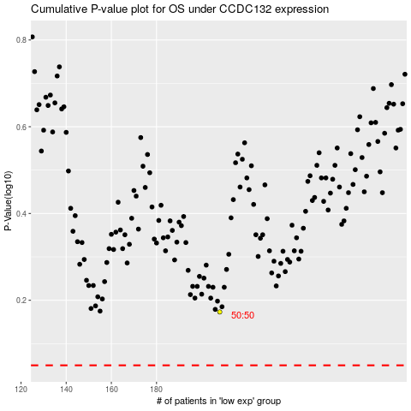

 |  |  |  |  |  | cases_OS | p_OS | rank | exp
 |  |  |  |  |  |  | cases_RFS | p_RFS | rank | exp

