CCDC141 _multivariate
Reported by Tex Li-Hsing Chi. tex@gate.sinica.edu.tw 2019-08-21

Table 2. The clinicopathological features of HNSCC cohort and CCDC141 expression. (Chi square test)
Cutoff at -0.287 (50.0%)
 |  | CCDC141 expression |  | CCDC141 expression |  | (Optimised)
 | Features | Low | (%) | High | (%) | Case no | P-value | Remark | Matthews
Gender | Female | 159 | 38.3 | 147 | 35.4 | 415 | 0.1905 | 0 | 0
2 | Male | 48 | 11.6 | 61 | 14.7
Age at diagnosis | <=65y | 136 | 32.8 | 138 | 33.3 | 415 | 0.9719 | 0 | 0
4 | >65y | 71 | 17.1 | 70 | 16.9
Clinical T Status | T1+T2 | 60 | 14.5 | 89 | 21.4 | 415 | 0.0047 | 1 | 0
6 | T3+T4 | 147 | 35.4 | 119 | 28.7
Clinical N Status | N0 | 115 | 27.7 | 101 | 24.3 | 415 | 0.184 | 1 | 0
8 | N1-3 | 92 | 22.2 | 107 | 25.8
Clinical M Status | M0 | 204 | 49.2 | 208 | 50.1 | 415 | 0.1232 | 0 | 0
10 | M1 | 3 | 0.7 | 0 | 0
Clinical Stage | Stage I+II | 42 | 10.1 | 60 | 14.5 | 415 | 0.0561 | 0 | 0
12 | Stage III+IV | 165 | 39.8 | 148 | 35.7
Surgical Margin status | Negative | 154 | 37.1 | 164 | 39.5 | 415 | 0.2984 | 0 | 0
14 | Positive | 53 | 12.8 | 44 | 10.6
Tobacco Exposure | Low | 71 | 17.1 | 90 | 21.7 | 415 | 0.0698 | 0 | 0
16 | High | 136 | 32.8 | 118 | 28.4

Table 3. Univariate/Multivariate Cox's proportional hazards regression analyses on OS time of CCDC141 gene expression in HNSCC

 |  | Univariate |  |  |  | Multivariate
 | Features | HR | CI95%(L) | CI95%(H) | P-value | HR | CI95%(L) | CI95%(H) | P-value
1 | Female | 1 |  |  |  | 1
Gender | Male | 1.157 | 0.843 | 1.587 | 0.367 | 1.199 | 0.859 | 1.676 | 0.286
11 | <=65y | 1 |  |  |  | 1
Age at diagnosis | >65y | 1.329 | 0.99 | 1.784 | 0.058 | 1.395 | 1.026 | 1.897 | 0.034
12 | T1+T2 | 1 |  |  |  | 1
Clinical T Status | T3+T4 | 1.409 | 1.028 | 1.931 | 0.033 | 2.217 | 1.171 | 4.198 | 0.015
13 | N0 | 1 |  |  |  | 1
Clinical N Status | N1-3 | 1.185 | 0.89 | 1.577 | 0.246 | 1.235 | 0.864 | 1.764 | 0.246
14 | M0 | 1 |  |  |  | 1
Clinical M Status | M1 | 4.097 | 1.009 | 16.644 | 0.049 | 9.702 | 2.092 | 44.997 | 0.004
15 | Stage I+II | 1 |  |  |  | 1
Clinical Stage | Stage III+IV | 1.245 | 0.882 | 1.759 | 0.213 | 0.505 | 0.235 | 1.085 | 0.08
16 | Negative | 1 |  |  |  | 1
Surgical Margin status | Positive | 1.591 | 1.155 | 2.191 | 0.004 | 1.675 | 1.212 | 2.315 | 0.002
17 | Low | 1 |  |  |  | 1
Tobacco Exposure | High | 1.364 | 1.008 | 1.844 | 0.044 | 1.46 | 1.059 | 2.014 | 0.021
18 | Low | 1 |  |  |  | 1
RNAseq(z-score) | High | 0.948 | 0.711 | 1.264 | 0.715 | 1.05 | 0.782 | 1.41 | 0.746

Table 4. Univariate/Multivariate Cox's proportional hazards regression analyses on RFS time of CCDC141 gene expression in HNSCC

 |  | Univariate |  |  |  | Multivariate
 | Features | HR | CI95%(L) | CI95%(H) | P-value | HR | CI95%(L) | CI95%(H) | P-value
1 | Female | 1 |  |  |  | 1
Gender | Male | 1.157 | 0.843 | 1.587 | 0.367 | 1.199 | 0.859 | 1.676 | 0.286
11 | <=65y | 1 |  |  |  | 1
Age at diagnosis | >65y | 1.329 | 0.99 | 1.784 | 0.058 | 1.395 | 1.026 | 1.897 | 0.034
12 | T1+T2 | 1 |  |  |  | 1
Clinical T Status | T3+T4 | 1.409 | 1.028 | 1.931 | 0.033 | 2.217 | 1.171 | 4.198 | 0.015
13 | N0 | 1 |  |  |  | 1
Clinical N Status | N1-3 | 1.185 | 0.89 | 1.577 | 0.246 | 1.235 | 0.864 | 1.764 | 0.246
14 | M0 | 1 |  |  |  | 1
Clinical M Status | M1 | 4.097 | 1.009 | 16.644 | 0.049 | 9.702 | 2.092 | 44.997 | 0.004
15 | Stage I+II | 1 |  |  |  | 1
Clinical Stage | Stage III+IV | 1.245 | 0.882 | 1.759 | 0.213 | 0.505 | 0.235 | 1.085 | 0.08
16 | Negative | 1 |  |  |  | 1
Surgical Margin status | Positive | 1.591 | 1.155 | 2.191 | 0.004 | 1.675 | 1.212 | 2.315 | 0.002
17 | Low | 1 |  |  |  | 1
Tobacco Exposure | High | 1.364 | 1.008 | 1.844 | 0.044 | 1.46 | 1.059 | 2.014 | 0.021
18 | Low | 1 |  |  |  | 1
RNAseq(z-score) | High | 0.948 | 0.711 | 1.264 | 0.715 | 1.05 | 0.782 | 1.41 | 0.746

Kaplan-Meier survival estimate: Cutoff at -0.287 (50.0%)



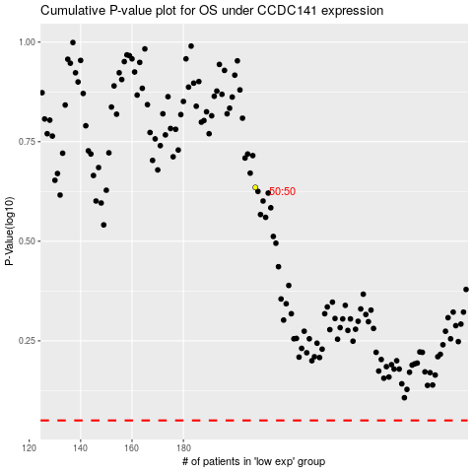

 |  |  |  |  |  | cases_OS | p_OS | rank | exp
 |  |  |  |  |  |  | cases_RFS | p_RFS | rank | exp

