CCDC150 _multivariate
Reported by Tex Li-Hsing Chi. tex@gate.sinica.edu.tw 2019-08-21

Table 2. The clinicopathological features of HNSCC cohort and CCDC150 expression. (Chi square test)
Cutoff at -0.002 (67.4%)
 |  | CCDC150 expression |  | CCDC150 expression |  | (Optimised)
 | Features | Low | (%) | High | (%) | Case no | P-value | Remark | Matthews
Gender | Female | 200 | 48.2 | 106 | 25.5 | 415 | 0.156 | 0 | 0
2 | Male | 80 | 19.3 | 29 | 7
Age at diagnosis | <=65y | 187 | 45.1 | 87 | 21 | 415 | 0.718 | 0 | 0
4 | >65y | 93 | 22.4 | 48 | 11.6
Clinical T Status | T1+T2 | 99 | 23.9 | 50 | 12 | 415 | 0.822 | 0 | 0
6 | T3+T4 | 181 | 43.6 | 85 | 20.5
Clinical N Status | N0 | 145 | 34.9 | 71 | 17.1 | 415 | 0.9607 | 0 | 0
8 | N1-3 | 135 | 32.5 | 64 | 15.4
Clinical M Status | M0 | 277 | 66.7 | 135 | 32.5 | 415 | 0.5541 | 0 | 0
10 | M1 | 3 | 0.7 | 0 | 0
Clinical Stage | Stage I+II | 70 | 16.9 | 32 | 7.7 | 415 | 0.8684 | 0 | 0
12 | Stage III+IV | 210 | 50.6 | 103 | 24.8
Surgical Margin status | Negative | 222 | 53.5 | 96 | 23.1 | 415 | 0.0826 | 0 | 0
14 | Positive | 58 | 14 | 39 | 9.4
Tobacco Exposure | Low | 112 | 27 | 49 | 11.8 | 415 | 0.5192 | 0 | 0
16 | High | 168 | 40.5 | 86 | 20.7

Table 3. Univariate/Multivariate Cox's proportional hazards regression analyses on OS time of CCDC150 gene expression in HNSCC

 |  | Univariate |  |  |  | Multivariate
 | Features | HR | CI95%(L) | CI95%(H) | P-value | HR | CI95%(L) | CI95%(H) | P-value
1 | Female | 1 |  |  |  | 1
Gender | Male | 1.157 | 0.843 | 1.587 | 0.367 | 1.17 | 0.836 | 1.636 | 0.359
11 | <=65y | 1 |  |  |  | 1
Age at diagnosis | >65y | 1.329 | 0.99 | 1.784 | 0.058 | 1.456 | 1.069 | 1.981 | 0.017
12 | T1+T2 | 1 |  |  |  | 1
Clinical T Status | T3+T4 | 1.409 | 1.028 | 1.931 | 0.033 | 2.159 | 1.143 | 4.08 | 0.018
13 | N0 | 1 |  |  |  | 1
Clinical N Status | N1-3 | 1.185 | 0.89 | 1.577 | 0.246 | 1.253 | 0.879 | 1.787 | 0.212
14 | M0 | 1 |  |  |  | 1
Clinical M Status | M1 | 4.097 | 1.009 | 16.644 | 0.049 | 8.107 | 1.764 | 37.263 | 0.007
15 | Stage I+II | 1 |  |  |  | 1
Clinical Stage | Stage III+IV | 1.245 | 0.882 | 1.759 | 0.213 | 0.519 | 0.242 | 1.116 | 0.093
16 | Negative | 1 |  |  |  | 1
Surgical Margin status | Positive | 1.591 | 1.155 | 2.191 | 0.004 | 1.737 | 1.257 | 2.4 | 0.001
17 | Low | 1 |  |  |  | 1
Tobacco Exposure | High | 1.364 | 1.008 | 1.844 | 0.044 | 1.505 | 1.09 | 2.077 | 0.013
18 | Low | 1 |  |  |  | 1
RNAseq(z-score) | High | 0.701 | 0.504 | 0.975 | 0.035 | 0.651 | 0.466 | 0.911 | 0.012

Table 4. Univariate/Multivariate Cox's proportional hazards regression analyses on RFS time of CCDC150 gene expression in HNSCC

 |  | Univariate |  |  |  | Multivariate
 | Features | HR | CI95%(L) | CI95%(H) | P-value | HR | CI95%(L) | CI95%(H) | P-value
1 | Female | 1 |  |  |  | 1
Gender | Male | 1.157 | 0.843 | 1.587 | 0.367 | 1.17 | 0.836 | 1.636 | 0.359
11 | <=65y | 1 |  |  |  | 1
Age at diagnosis | >65y | 1.329 | 0.99 | 1.784 | 0.058 | 1.456 | 1.069 | 1.981 | 0.017
12 | T1+T2 | 1 |  |  |  | 1
Clinical T Status | T3+T4 | 1.409 | 1.028 | 1.931 | 0.033 | 2.159 | 1.143 | 4.08 | 0.018
13 | N0 | 1 |  |  |  | 1
Clinical N Status | N1-3 | 1.185 | 0.89 | 1.577 | 0.246 | 1.253 | 0.879 | 1.787 | 0.212
14 | M0 | 1 |  |  |  | 1
Clinical M Status | M1 | 4.097 | 1.009 | 16.644 | 0.049 | 8.107 | 1.764 | 37.263 | 0.007
15 | Stage I+II | 1 |  |  |  | 1
Clinical Stage | Stage III+IV | 1.245 | 0.882 | 1.759 | 0.213 | 0.519 | 0.242 | 1.116 | 0.093
16 | Negative | 1 |  |  |  | 1
Surgical Margin status | Positive | 1.591 | 1.155 | 2.191 | 0.004 | 1.737 | 1.257 | 2.4 | 0.001
17 | Low | 1 |  |  |  | 1
Tobacco Exposure | High | 1.364 | 1.008 | 1.844 | 0.044 | 1.505 | 1.09 | 2.077 | 0.013
18 | Low | 1 |  |  |  | 1
RNAseq(z-score) | High | 0.701 | 0.504 | 0.975 | 0.035 | 0.651 | 0.466 | 0.911 | 0.012

Kaplan-Meier survival estimate: Cutoff at -0.002 (67.4%)

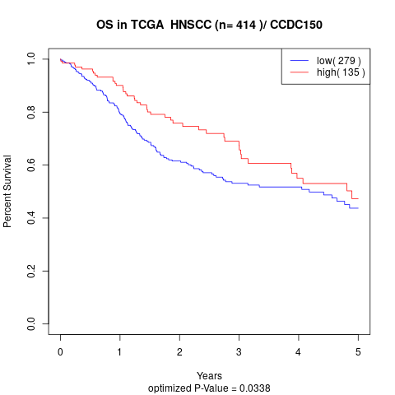

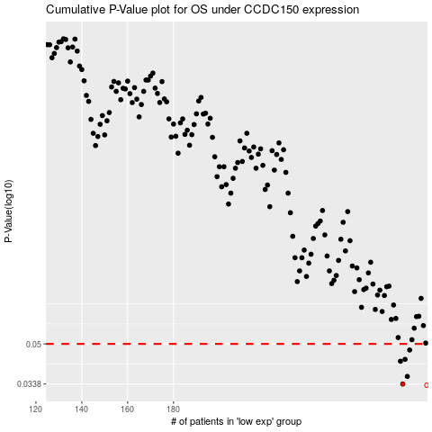

 |  |  |  |  |  | cases_OS | p_OS | rank | exp
 |  |  |  |  |  | 280 | 0.0338 | 242 | -0.0018503159971
 |  |  |  |  |  | 282 | 0.0364 | 406 | 0.011111742721
 |  |  |  |  |  | 279 | 0.0422 | 249 | -0.0032214065805
 |  |  |  |  |  | 281 | 0.043 | 3 | 0.0051936955467
 |  |  |  |  |  | 283 | 0.0471 | 346 | 0.017393438676
 |  |  |  |  |  |  | cases_RFS | p_RFS | rank | exp
 |  |  |  |  |  |  | 279 | 0.0338 | 249 | -0.0032214065805
 |  |  |  |  |  |  | 281 | 0.0364 | 3 | 0.0051936955467
 |  |  |  |  |  |  | 278 | 0.0422 | 414 | -0.0078868857369
 |  |  |  |  |  |  | 280 | 0.043 | 242 | -0.0018503159971
 |  |  |  |  |  |  | 282 | 0.0471 | 406 | 0.011111742721

