CCDC151 _multivariate
Reported by Tex Li-Hsing Chi. tex@gate.sinica.edu.tw 2019-08-21

Table 2. The clinicopathological features of HNSCC cohort and CCDC151 expression. (Chi square test)
Cutoff at -0.143 (49.8%)
 |  | CCDC151 expression |  | CCDC151 expression |  | (Optimised)
 | Features | Low | (%) | High | (%) | Case no | P-value | Remark | Matthews
Gender | Female | 134 | 32.3 | 172 | 41.4 | 415 | 1e-04 | 1 | 0
2 | Male | 73 | 17.6 | 36 | 8.7
Age at diagnosis | <=65y | 134 | 32.3 | 140 | 33.7 | 415 | 0.6529 | 0 | 0
4 | >65y | 73 | 17.6 | 68 | 16.4
Clinical T Status | T1+T2 | 91 | 21.9 | 58 | 14 | 415 | 9e-04 | 1 | 0
6 | T3+T4 | 116 | 28 | 150 | 36.1
Clinical N Status | N0 | 108 | 26 | 108 | 26 | 415 | 1 | 0 | 0
8 | N1-3 | 99 | 23.9 | 100 | 24.1
Clinical M Status | M0 | 204 | 49.2 | 208 | 50.1 | 415 | 0.1232 | 0 | 0
10 | M1 | 3 | 0.7 | 0 | 0
Clinical Stage | Stage I+II | 64 | 15.4 | 38 | 9.2 | 415 | 0.004 | 1 | 0
12 | Stage III+IV | 143 | 34.5 | 170 | 41
Surgical Margin status | Negative | 157 | 37.8 | 161 | 38.8 | 415 | 0.729 | 0 | 0
14 | Positive | 50 | 12 | 47 | 11.3
Tobacco Exposure | Low | 95 | 22.9 | 66 | 15.9 | 415 | 0.0035 | 1 | 0
16 | High | 112 | 27 | 142 | 34.2

Table 3. Univariate/Multivariate Cox's proportional hazards regression analyses on OS time of CCDC151 gene expression in HNSCC

 |  | Univariate |  |  |  | Multivariate
 | Features | HR | CI95%(L) | CI95%(H) | P-value | HR | CI95%(L) | CI95%(H) | P-value
1 | Female | 1 |  |  |  | 1
Gender | Male | 1.157 | 0.843 | 1.587 | 0.367 | 1.155 | 0.822 | 1.624 | 0.406
11 | <=65y | 1 |  |  |  | 1
Age at diagnosis | >65y | 1.329 | 0.99 | 1.784 | 0.058 | 1.401 | 1.03 | 1.905 | 0.032
12 | T1+T2 | 1 |  |  |  | 1
Clinical T Status | T3+T4 | 1.409 | 1.028 | 1.931 | 0.033 | 2.247 | 1.187 | 4.252 | 0.013
13 | N0 | 1 |  |  |  | 1
Clinical N Status | N1-3 | 1.185 | 0.89 | 1.577 | 0.246 | 1.228 | 0.86 | 1.751 | 0.258
14 | M0 | 1 |  |  |  | 1
Clinical M Status | M1 | 4.097 | 1.009 | 16.644 | 0.049 | 8.657 | 1.877 | 39.927 | 0.006
15 | Stage I+II | 1 |  |  |  | 1
Clinical Stage | Stage III+IV | 1.245 | 0.882 | 1.759 | 0.213 | 0.516 | 0.24 | 1.109 | 0.09
16 | Negative | 1 |  |  |  | 1
Surgical Margin status | Positive | 1.591 | 1.155 | 2.191 | 0.004 | 1.664 | 1.204 | 2.299 | 0.002
17 | Low | 1 |  |  |  | 1
Tobacco Exposure | High | 1.364 | 1.008 | 1.844 | 0.044 | 1.482 | 1.074 | 2.046 | 0.017
18 | Low | 1 |  |  |  | 1
RNAseq(z-score) | High | 0.878 | 0.657 | 1.173 | 0.379 | 0.834 | 0.614 | 1.135 | 0.249

Table 4. Univariate/Multivariate Cox's proportional hazards regression analyses on RFS time of CCDC151 gene expression in HNSCC

 |  | Univariate |  |  |  | Multivariate
 | Features | HR | CI95%(L) | CI95%(H) | P-value | HR | CI95%(L) | CI95%(H) | P-value
1 | Female | 1 |  |  |  | 1
Gender | Male | 1.157 | 0.843 | 1.587 | 0.367 | 1.155 | 0.822 | 1.624 | 0.406
11 | <=65y | 1 |  |  |  | 1
Age at diagnosis | >65y | 1.329 | 0.99 | 1.784 | 0.058 | 1.401 | 1.03 | 1.905 | 0.032
12 | T1+T2 | 1 |  |  |  | 1
Clinical T Status | T3+T4 | 1.409 | 1.028 | 1.931 | 0.033 | 2.247 | 1.187 | 4.252 | 0.013
13 | N0 | 1 |  |  |  | 1
Clinical N Status | N1-3 | 1.185 | 0.89 | 1.577 | 0.246 | 1.228 | 0.86 | 1.751 | 0.258
14 | M0 | 1 |  |  |  | 1
Clinical M Status | M1 | 4.097 | 1.009 | 16.644 | 0.049 | 8.657 | 1.877 | 39.927 | 0.006
15 | Stage I+II | 1 |  |  |  | 1
Clinical Stage | Stage III+IV | 1.245 | 0.882 | 1.759 | 0.213 | 0.516 | 0.24 | 1.109 | 0.09
16 | Negative | 1 |  |  |  | 1
Surgical Margin status | Positive | 1.591 | 1.155 | 2.191 | 0.004 | 1.664 | 1.204 | 2.299 | 0.002
17 | Low | 1 |  |  |  | 1
Tobacco Exposure | High | 1.364 | 1.008 | 1.844 | 0.044 | 1.482 | 1.074 | 2.046 | 0.017
18 | Low | 1 |  |  |  | 1
RNAseq(z-score) | High | 0.878 | 0.657 | 1.173 | 0.379 | 0.834 | 0.614 | 1.135 | 0.249

Kaplan-Meier survival estimate: Cutoff at -0.143 (49.8%)



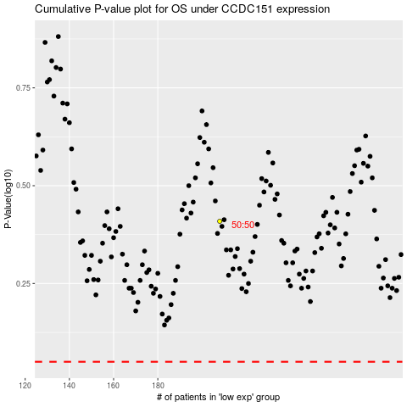

 |  |  |  |  |  | cases_OS | p_OS | rank | exp
 |  |  |  |  |  |  | cases_RFS | p_RFS | rank | exp

