CCDC18 _multivariate
Reported by Tex Li-Hsing Chi. tex@gate.sinica.edu.tw 2019-08-21

Table 2. The clinicopathological features of HNSCC cohort and CCDC18 expression. (Chi square test)
Cutoff at -0.181 (49.8%)
 |  | CCDC18 expression |  | CCDC18 expression |  | (Optimised)
 | Features | Low | (%) | High | (%) | Case no | P-value | Remark | Matthews
Gender | Female | 149 | 35.9 | 157 | 37.8 | 415 | 0.4848 | 0 | 0
2 | Male | 58 | 14 | 51 | 12.3
Age at diagnosis | <=65y | 135 | 32.5 | 139 | 33.5 | 415 | 0.8084 | 0 | 0
4 | >65y | 72 | 17.3 | 69 | 16.6
Clinical T Status | T1+T2 | 68 | 16.4 | 81 | 19.5 | 415 | 0.2336 | 0 | 0
6 | T3+T4 | 139 | 33.5 | 127 | 30.6
Clinical N Status | N0 | 113 | 27.2 | 103 | 24.8 | 415 | 0.3495 | 1 | 0
8 | N1-3 | 94 | 22.7 | 105 | 25.3
Clinical M Status | M0 | 207 | 49.9 | 205 | 49.4 | 415 | 0.2482 | 0 | 0
10 | M1 | 0 | 0 | 3 | 0.7
Clinical Stage | Stage I+II | 51 | 12.3 | 51 | 12.3 | 415 | 1 | 0 | 0
12 | Stage III+IV | 156 | 37.6 | 157 | 37.8
Surgical Margin status | Negative | 167 | 40.2 | 151 | 36.4 | 415 | 0.0632 | 0 | 0
14 | Positive | 40 | 9.6 | 57 | 13.7
Tobacco Exposure | Low | 73 | 17.6 | 88 | 21.2 | 415 | 0.1587 | 0 | 0
16 | High | 134 | 32.3 | 120 | 28.9

Table 3. Univariate/Multivariate Cox's proportional hazards regression analyses on OS time of CCDC18 gene expression in HNSCC

 |  | Univariate |  |  |  | Multivariate
 | Features | HR | CI95%(L) | CI95%(H) | P-value | HR | CI95%(L) | CI95%(H) | P-value
1 | Female | 1 |  |  |  | 1
Gender | Male | 1.157 | 0.843 | 1.587 | 0.367 | 1.199 | 0.858 | 1.675 | 0.287
11 | <=65y | 1 |  |  |  | 1
Age at diagnosis | >65y | 1.329 | 0.99 | 1.784 | 0.058 | 1.391 | 1.024 | 1.891 | 0.035
12 | T1+T2 | 1 |  |  |  | 1
Clinical T Status | T3+T4 | 1.409 | 1.028 | 1.931 | 0.033 | 2.157 | 1.138 | 4.089 | 0.018
13 | N0 | 1 |  |  |  | 1
Clinical N Status | N1-3 | 1.185 | 0.89 | 1.577 | 0.246 | 1.24 | 0.869 | 1.769 | 0.235
14 | M0 | 1 |  |  |  | 1
Clinical M Status | M1 | 4.097 | 1.009 | 16.644 | 0.049 | 9.772 | 2.124 | 44.955 | 0.003
15 | Stage I+II | 1 |  |  |  | 1
Clinical Stage | Stage III+IV | 1.245 | 0.882 | 1.759 | 0.213 | 0.512 | 0.238 | 1.099 | 0.086
16 | Negative | 1 |  |  |  | 1
Surgical Margin status | Positive | 1.591 | 1.155 | 2.191 | 0.004 | 1.688 | 1.221 | 2.336 | 0.002
17 | Low | 1 |  |  |  | 1
Tobacco Exposure | High | 1.364 | 1.008 | 1.844 | 0.044 | 1.444 | 1.047 | 1.99 | 0.025
18 | Low | 1 |  |  |  | 1
RNAseq(z-score) | High | 0.888 | 0.666 | 1.183 | 0.416 | 0.898 | 0.67 | 1.203 | 0.47

Table 4. Univariate/Multivariate Cox's proportional hazards regression analyses on RFS time of CCDC18 gene expression in HNSCC

 |  | Univariate |  |  |  | Multivariate
 | Features | HR | CI95%(L) | CI95%(H) | P-value | HR | CI95%(L) | CI95%(H) | P-value
1 | Female | 1 |  |  |  | 1
Gender | Male | 1.157 | 0.843 | 1.587 | 0.367 | 1.199 | 0.858 | 1.675 | 0.287
11 | <=65y | 1 |  |  |  | 1
Age at diagnosis | >65y | 1.329 | 0.99 | 1.784 | 0.058 | 1.391 | 1.024 | 1.891 | 0.035
12 | T1+T2 | 1 |  |  |  | 1
Clinical T Status | T3+T4 | 1.409 | 1.028 | 1.931 | 0.033 | 2.157 | 1.138 | 4.089 | 0.018
13 | N0 | 1 |  |  |  | 1
Clinical N Status | N1-3 | 1.185 | 0.89 | 1.577 | 0.246 | 1.24 | 0.869 | 1.769 | 0.235
14 | M0 | 1 |  |  |  | 1
Clinical M Status | M1 | 4.097 | 1.009 | 16.644 | 0.049 | 9.772 | 2.124 | 44.955 | 0.003
15 | Stage I+II | 1 |  |  |  | 1
Clinical Stage | Stage III+IV | 1.245 | 0.882 | 1.759 | 0.213 | 0.512 | 0.238 | 1.099 | 0.086
16 | Negative | 1 |  |  |  | 1
Surgical Margin status | Positive | 1.591 | 1.155 | 2.191 | 0.004 | 1.688 | 1.221 | 2.336 | 0.002
17 | Low | 1 |  |  |  | 1
Tobacco Exposure | High | 1.364 | 1.008 | 1.844 | 0.044 | 1.444 | 1.047 | 1.99 | 0.025
18 | Low | 1 |  |  |  | 1
RNAseq(z-score) | High | 0.888 | 0.666 | 1.183 | 0.416 | 0.898 | 0.67 | 1.203 | 0.47

Kaplan-Meier survival estimate: Cutoff at -0.181 (49.8%)



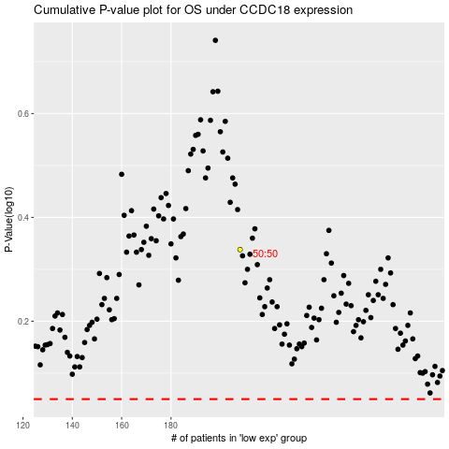

 |  |  |  |  |  | cases_OS | p_OS | rank | exp
 |  |  |  |  |  |  | cases_RFS | p_RFS | rank | exp

