CCDC23 _multivariate
Reported by Tex Li-Hsing Chi. tex@gate.sinica.edu.tw 2019-08-21

Table 2. The clinicopathological features of HNSCC cohort and CCDC23 expression. (Chi square test)
Cutoff at -0.268 (49.8%)
 |  | CCDC23 expression |  | CCDC23 expression |  | (Optimised)
 | Features | Low | (%) | High | (%) | Case no | P-value | Remark | Matthews
Gender | Female | 149 | 35.9 | 157 | 37.8 | 415 | 0.4848 | 0 | 0
2 | Male | 58 | 14 | 51 | 12.3
Age at diagnosis | <=65y | 135 | 32.5 | 139 | 33.5 | 415 | 0.8084 | 0 | 0
4 | >65y | 72 | 17.3 | 69 | 16.6
Clinical T Status | T1+T2 | 67 | 16.1 | 82 | 19.8 | 415 | 0.1628 | 0 | 0
6 | T3+T4 | 140 | 33.7 | 126 | 30.4
Clinical N Status | N0 | 109 | 26.3 | 107 | 25.8 | 415 | 0.8812 | 0 | 0
8 | N1-3 | 98 | 23.6 | 101 | 24.3
Clinical M Status | M0 | 207 | 49.9 | 205 | 49.4 | 415 | 0.2482 | 0 | 0
10 | M1 | 0 | 0 | 3 | 0.7
Clinical Stage | Stage I+II | 48 | 11.6 | 54 | 13 | 415 | 0.5878 | 0 | 0
12 | Stage III+IV | 159 | 38.3 | 154 | 37.1
Surgical Margin status | Negative | 165 | 39.8 | 153 | 36.9 | 415 | 0.1639 | 0 | 0
14 | Positive | 42 | 10.1 | 55 | 13.3
Tobacco Exposure | Low | 81 | 19.5 | 80 | 19.3 | 415 | 0.9199 | 0 | 0
16 | High | 126 | 30.4 | 128 | 30.8

Table 3. Univariate/Multivariate Cox's proportional hazards regression analyses on OS time of CCDC23 gene expression in HNSCC

 |  | Univariate |  |  |  | Multivariate
 | Features | HR | CI95%(L) | CI95%(H) | P-value | HR | CI95%(L) | CI95%(H) | P-value
1 | Female | 1 |  |  |  | 1
Gender | Male | 1.157 | 0.843 | 1.587 | 0.367 | 1.206 | 0.863 | 1.683 | 0.273
11 | <=65y | 1 |  |  |  | 1
Age at diagnosis | >65y | 1.329 | 0.99 | 1.784 | 0.058 | 1.388 | 1.021 | 1.887 | 0.036
12 | T1+T2 | 1 |  |  |  | 1
Clinical T Status | T3+T4 | 1.409 | 1.028 | 1.931 | 0.033 | 2.181 | 1.153 | 4.125 | 0.016
13 | N0 | 1 |  |  |  | 1
Clinical N Status | N1-3 | 1.185 | 0.89 | 1.577 | 0.246 | 1.258 | 0.881 | 1.796 | 0.207
14 | M0 | 1 |  |  |  | 1
Clinical M Status | M1 | 4.097 | 1.009 | 16.644 | 0.049 | 10.213 | 2.214 | 47.117 | 0.003
15 | Stage I+II | 1 |  |  |  | 1
Clinical Stage | Stage III+IV | 1.245 | 0.882 | 1.759 | 0.213 | 0.508 | 0.236 | 1.09 | 0.082
16 | Negative | 1 |  |  |  | 1
Surgical Margin status | Positive | 1.591 | 1.155 | 2.191 | 0.004 | 1.701 | 1.229 | 2.354 | 0.001
17 | Low | 1 |  |  |  | 1
Tobacco Exposure | High | 1.364 | 1.008 | 1.844 | 0.044 | 1.479 | 1.071 | 2.041 | 0.017
18 | Low | 1 |  |  |  | 1
RNAseq(z-score) | High | 0.908 | 0.682 | 1.21 | 0.512 | 0.836 | 0.624 | 1.121 | 0.231

Table 4. Univariate/Multivariate Cox's proportional hazards regression analyses on RFS time of CCDC23 gene expression in HNSCC

 |  | Univariate |  |  |  | Multivariate
 | Features | HR | CI95%(L) | CI95%(H) | P-value | HR | CI95%(L) | CI95%(H) | P-value
1 | Female | 1 |  |  |  | 1
Gender | Male | 1.157 | 0.843 | 1.587 | 0.367 | 1.206 | 0.863 | 1.683 | 0.273
11 | <=65y | 1 |  |  |  | 1
Age at diagnosis | >65y | 1.329 | 0.99 | 1.784 | 0.058 | 1.388 | 1.021 | 1.887 | 0.036
12 | T1+T2 | 1 |  |  |  | 1
Clinical T Status | T3+T4 | 1.409 | 1.028 | 1.931 | 0.033 | 2.181 | 1.153 | 4.125 | 0.016
13 | N0 | 1 |  |  |  | 1
Clinical N Status | N1-3 | 1.185 | 0.89 | 1.577 | 0.246 | 1.258 | 0.881 | 1.796 | 0.207
14 | M0 | 1 |  |  |  | 1
Clinical M Status | M1 | 4.097 | 1.009 | 16.644 | 0.049 | 10.213 | 2.214 | 47.117 | 0.003
15 | Stage I+II | 1 |  |  |  | 1
Clinical Stage | Stage III+IV | 1.245 | 0.882 | 1.759 | 0.213 | 0.508 | 0.236 | 1.09 | 0.082
16 | Negative | 1 |  |  |  | 1
Surgical Margin status | Positive | 1.591 | 1.155 | 2.191 | 0.004 | 1.701 | 1.229 | 2.354 | 0.001
17 | Low | 1 |  |  |  | 1
Tobacco Exposure | High | 1.364 | 1.008 | 1.844 | 0.044 | 1.479 | 1.071 | 2.041 | 0.017
18 | Low | 1 |  |  |  | 1
RNAseq(z-score) | High | 0.908 | 0.682 | 1.21 | 0.512 | 0.836 | 0.624 | 1.121 | 0.231

Kaplan-Meier survival estimate: Cutoff at -0.268 (49.8%)



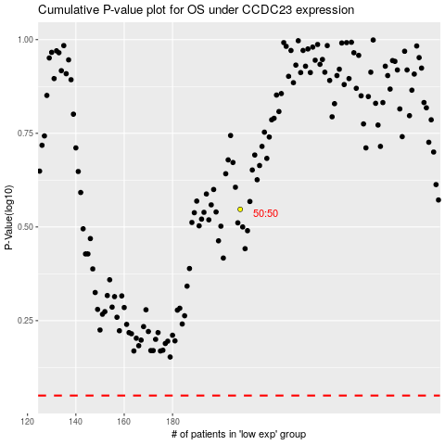

 |  |  |  |  |  | cases_OS | p_OS | rank | exp
 |  |  |  |  |  |  | cases_RFS | p_RFS | rank | exp

