CCDC28A _multivariate
Reported by Tex Li-Hsing Chi. tex@gate.sinica.edu.tw 2019-08-21

Table 2. The clinicopathological features of HNSCC cohort and CCDC28A expression. (Chi square test)
Cutoff at -0.288 (49.8%)
 |  | CCDC28A expression |  | CCDC28A expression |  | (Optimised)
 | Features | Low | (%) | High | (%) | Case no | P-value | Remark | Matthews
Gender | Female | 145 | 34.9 | 161 | 38.8 | 415 | 0.1116 | 0 | 0
2 | Male | 62 | 14.9 | 47 | 11.3
Age at diagnosis | <=65y | 135 | 32.5 | 139 | 33.5 | 415 | 0.8084 | 0 | 0
4 | >65y | 72 | 17.3 | 69 | 16.6
Clinical T Status | T1+T2 | 76 | 18.3 | 73 | 17.6 | 415 | 0.8092 | 0 | 0
6 | T3+T4 | 131 | 31.6 | 135 | 32.5
Clinical N Status | N0 | 111 | 26.7 | 105 | 25.3 | 415 | 0.5875 | 0 | 0
8 | N1-3 | 96 | 23.1 | 103 | 24.8
Clinical M Status | M0 | 205 | 49.4 | 207 | 49.9 | 415 | 0.6232 | 0 | 0
10 | M1 | 2 | 0.5 | 1 | 0.2
Clinical Stage | Stage I+II | 55 | 13.3 | 47 | 11.3 | 415 | 0.4087 | 0 | 0
12 | Stage III+IV | 152 | 36.6 | 161 | 38.8
Surgical Margin status | Negative | 165 | 39.8 | 153 | 36.9 | 415 | 0.1639 | 0 | 0
14 | Positive | 42 | 10.1 | 55 | 13.3
Tobacco Exposure | Low | 88 | 21.2 | 73 | 17.6 | 415 | 0.1314 | 0 | 0
16 | High | 119 | 28.7 | 135 | 32.5

Table 3. Univariate/Multivariate Cox's proportional hazards regression analyses on OS time of CCDC28A gene expression in HNSCC

 |  | Univariate |  |  |  | Multivariate
 | Features | HR | CI95%(L) | CI95%(H) | P-value | HR | CI95%(L) | CI95%(H) | P-value
1 | Female | 1 |  |  |  | 1
Gender | Male | 1.157 | 0.843 | 1.587 | 0.367 | 1.183 | 0.845 | 1.655 | 0.329
11 | <=65y | 1 |  |  |  | 1
Age at diagnosis | >65y | 1.329 | 0.99 | 1.784 | 0.058 | 1.387 | 1.02 | 1.886 | 0.037
12 | T1+T2 | 1 |  |  |  | 1
Clinical T Status | T3+T4 | 1.409 | 1.028 | 1.931 | 0.033 | 2.188 | 1.158 | 4.136 | 0.016
13 | N0 | 1 |  |  |  | 1
Clinical N Status | N1-3 | 1.185 | 0.89 | 1.577 | 0.246 | 1.251 | 0.877 | 1.786 | 0.217
14 | M0 | 1 |  |  |  | 1
Clinical M Status | M1 | 4.097 | 1.009 | 16.644 | 0.049 | 9.12 | 1.988 | 41.827 | 0.004
15 | Stage I+II | 1 |  |  |  | 1
Clinical Stage | Stage III+IV | 1.245 | 0.882 | 1.759 | 0.213 | 0.511 | 0.238 | 1.098 | 0.085
16 | Negative | 1 |  |  |  | 1
Surgical Margin status | Positive | 1.591 | 1.155 | 2.191 | 0.004 | 1.712 | 1.237 | 2.371 | 0.001
17 | Low | 1 |  |  |  | 1
Tobacco Exposure | High | 1.364 | 1.008 | 1.844 | 0.044 | 1.491 | 1.078 | 2.06 | 0.016
18 | Low | 1 |  |  |  | 1
RNAseq(z-score) | High | 0.876 | 0.658 | 1.168 | 0.367 | 0.821 | 0.612 | 1.102 | 0.19

Table 4. Univariate/Multivariate Cox's proportional hazards regression analyses on RFS time of CCDC28A gene expression in HNSCC

 |  | Univariate |  |  |  | Multivariate
 | Features | HR | CI95%(L) | CI95%(H) | P-value | HR | CI95%(L) | CI95%(H) | P-value
1 | Female | 1 |  |  |  | 1
Gender | Male | 1.157 | 0.843 | 1.587 | 0.367 | 1.183 | 0.845 | 1.655 | 0.329
11 | <=65y | 1 |  |  |  | 1
Age at diagnosis | >65y | 1.329 | 0.99 | 1.784 | 0.058 | 1.387 | 1.02 | 1.886 | 0.037
12 | T1+T2 | 1 |  |  |  | 1
Clinical T Status | T3+T4 | 1.409 | 1.028 | 1.931 | 0.033 | 2.188 | 1.158 | 4.136 | 0.016
13 | N0 | 1 |  |  |  | 1
Clinical N Status | N1-3 | 1.185 | 0.89 | 1.577 | 0.246 | 1.251 | 0.877 | 1.786 | 0.217
14 | M0 | 1 |  |  |  | 1
Clinical M Status | M1 | 4.097 | 1.009 | 16.644 | 0.049 | 9.12 | 1.988 | 41.827 | 0.004
15 | Stage I+II | 1 |  |  |  | 1
Clinical Stage | Stage III+IV | 1.245 | 0.882 | 1.759 | 0.213 | 0.511 | 0.238 | 1.098 | 0.085
16 | Negative | 1 |  |  |  | 1
Surgical Margin status | Positive | 1.591 | 1.155 | 2.191 | 0.004 | 1.712 | 1.237 | 2.371 | 0.001
17 | Low | 1 |  |  |  | 1
Tobacco Exposure | High | 1.364 | 1.008 | 1.844 | 0.044 | 1.491 | 1.078 | 2.06 | 0.016
18 | Low | 1 |  |  |  | 1
RNAseq(z-score) | High | 0.876 | 0.658 | 1.168 | 0.367 | 0.821 | 0.612 | 1.102 | 0.19

Kaplan-Meier survival estimate: Cutoff at -0.288 (49.8%)



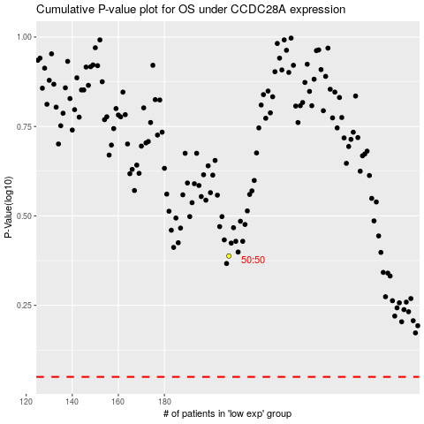

 |  |  |  |  |  | cases_OS | p_OS | rank | exp
 |  |  |  |  |  |  | cases_RFS | p_RFS | rank | exp

