CCDC28B _multivariate
Reported by Tex Li-Hsing Chi. tex@gate.sinica.edu.tw 2019-08-21

Table 2. The clinicopathological features of HNSCC cohort and CCDC28B expression. (Chi square test)
Cutoff at -0.284 (49.8%)
 |  | CCDC28B expression |  | CCDC28B expression |  | (Optimised)
 | Features | Low | (%) | High | (%) | Case no | P-value | Remark | Matthews
Gender | Female | 141 | 34 | 165 | 39.8 | 415 | 0.013 | 1 | 0
2 | Male | 66 | 15.9 | 43 | 10.4
Age at diagnosis | <=65y | 124 | 29.9 | 150 | 36.1 | 415 | 0.0116 | 1 | 0
4 | >65y | 83 | 20 | 58 | 14
Clinical T Status | T1+T2 | 71 | 17.1 | 78 | 18.8 | 415 | 0.5638 | 0 | 0
6 | T3+T4 | 136 | 32.8 | 130 | 31.3
Clinical N Status | N0 | 118 | 28.4 | 98 | 23.6 | 415 | 0.0551 | 1 | 0
8 | N1-3 | 89 | 21.4 | 110 | 26.5
Clinical M Status | M0 | 204 | 49.2 | 208 | 50.1 | 415 | 0.1232 | 0 | 0
10 | M1 | 3 | 0.7 | 0 | 0
Clinical Stage | Stage I+II | 54 | 13 | 48 | 11.6 | 415 | 0.5498 | 0 | 0
12 | Stage III+IV | 153 | 36.9 | 160 | 38.6
Surgical Margin status | Negative | 164 | 39.5 | 154 | 37.1 | 415 | 0.2462 | 0 | 0
14 | Positive | 43 | 10.4 | 54 | 13
Tobacco Exposure | Low | 85 | 20.5 | 76 | 18.3 | 415 | 0.3655 | 0 | 0
16 | High | 122 | 29.4 | 132 | 31.8

Table 3. Univariate/Multivariate Cox's proportional hazards regression analyses on OS time of CCDC28B gene expression in HNSCC

 |  | Univariate |  |  |  | Multivariate
 | Features | HR | CI95%(L) | CI95%(H) | P-value | HR | CI95%(L) | CI95%(H) | P-value
1 | Female | 1 |  |  |  | 1
Gender | Male | 1.157 | 0.843 | 1.587 | 0.367 | 1.19 | 0.849 | 1.666 | 0.313
11 | <=65y | 1 |  |  |  | 1
Age at diagnosis | >65y | 1.329 | 0.99 | 1.784 | 0.058 | 1.374 | 1.007 | 1.874 | 0.045
12 | T1+T2 | 1 |  |  |  | 1
Clinical T Status | T3+T4 | 1.409 | 1.028 | 1.931 | 0.033 | 2.181 | 1.152 | 4.129 | 0.017
13 | N0 | 1 |  |  |  | 1
Clinical N Status | N1-3 | 1.185 | 0.89 | 1.577 | 0.246 | 1.249 | 0.875 | 1.783 | 0.222
14 | M0 | 1 |  |  |  | 1
Clinical M Status | M1 | 4.097 | 1.009 | 16.644 | 0.049 | 8.893 | 1.915 | 41.302 | 0.005
15 | Stage I+II | 1 |  |  |  | 1
Clinical Stage | Stage III+IV | 1.245 | 0.882 | 1.759 | 0.213 | 0.508 | 0.236 | 1.09 | 0.082
16 | Negative | 1 |  |  |  | 1
Surgical Margin status | Positive | 1.591 | 1.155 | 2.191 | 0.004 | 1.686 | 1.218 | 2.334 | 0.002
17 | Low | 1 |  |  |  | 1
Tobacco Exposure | High | 1.364 | 1.008 | 1.844 | 0.044 | 1.466 | 1.061 | 2.024 | 0.02
18 | Low | 1 |  |  |  | 1
RNAseq(z-score) | High | 0.892 | 0.669 | 1.189 | 0.434 | 0.92 | 0.68 | 1.244 | 0.586

Table 4. Univariate/Multivariate Cox's proportional hazards regression analyses on RFS time of CCDC28B gene expression in HNSCC

 |  | Univariate |  |  |  | Multivariate
 | Features | HR | CI95%(L) | CI95%(H) | P-value | HR | CI95%(L) | CI95%(H) | P-value
1 | Female | 1 |  |  |  | 1
Gender | Male | 1.157 | 0.843 | 1.587 | 0.367 | 1.19 | 0.849 | 1.666 | 0.313
11 | <=65y | 1 |  |  |  | 1
Age at diagnosis | >65y | 1.329 | 0.99 | 1.784 | 0.058 | 1.374 | 1.007 | 1.874 | 0.045
12 | T1+T2 | 1 |  |  |  | 1
Clinical T Status | T3+T4 | 1.409 | 1.028 | 1.931 | 0.033 | 2.181 | 1.152 | 4.129 | 0.017
13 | N0 | 1 |  |  |  | 1
Clinical N Status | N1-3 | 1.185 | 0.89 | 1.577 | 0.246 | 1.249 | 0.875 | 1.783 | 0.222
14 | M0 | 1 |  |  |  | 1
Clinical M Status | M1 | 4.097 | 1.009 | 16.644 | 0.049 | 8.893 | 1.915 | 41.302 | 0.005
15 | Stage I+II | 1 |  |  |  | 1
Clinical Stage | Stage III+IV | 1.245 | 0.882 | 1.759 | 0.213 | 0.508 | 0.236 | 1.09 | 0.082
16 | Negative | 1 |  |  |  | 1
Surgical Margin status | Positive | 1.591 | 1.155 | 2.191 | 0.004 | 1.686 | 1.218 | 2.334 | 0.002
17 | Low | 1 |  |  |  | 1
Tobacco Exposure | High | 1.364 | 1.008 | 1.844 | 0.044 | 1.466 | 1.061 | 2.024 | 0.02
18 | Low | 1 |  |  |  | 1
RNAseq(z-score) | High | 0.892 | 0.669 | 1.189 | 0.434 | 0.92 | 0.68 | 1.244 | 0.586

Kaplan-Meier survival estimate: Cutoff at -0.284 (49.8%)



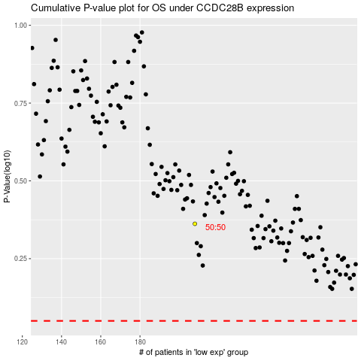

 |  |  |  |  |  | cases_OS | p_OS | rank | exp
 |  |  |  |  |  |  | cases_RFS | p_RFS | rank | exp

