CCDC3 _multivariate
Reported by Tex Li-Hsing Chi. tex@gate.sinica.edu.tw 2019-08-21

Table 2. The clinicopathological features of HNSCC cohort and CCDC3 expression. (Chi square test)
Cutoff at -0.302 (49.8%)
 |  | CCDC3 expression |  | CCDC3 expression |  | (Optimised)
 | Features | Low | (%) | High | (%) | Case no | P-value | Remark | Matthews
Gender | Female | 153 | 36.9 | 153 | 36.9 | 415 | 1 | 0 | 0
2 | Male | 54 | 13 | 55 | 13.3
Age at diagnosis | <=65y | 135 | 32.5 | 139 | 33.5 | 415 | 0.8084 | 0 | 0
4 | >65y | 72 | 17.3 | 69 | 16.6
Clinical T Status | T1+T2 | 71 | 17.1 | 78 | 18.8 | 415 | 0.5638 | 0 | 0
6 | T3+T4 | 136 | 32.8 | 130 | 31.3
Clinical N Status | N0 | 102 | 24.6 | 114 | 27.5 | 415 | 0.3031 | 0 | 0
8 | N1-3 | 105 | 25.3 | 94 | 22.7
Clinical M Status | M0 | 205 | 49.4 | 207 | 49.9 | 415 | 0.6232 | 0 | 0
10 | M1 | 2 | 0.5 | 1 | 0.2
Clinical Stage | Stage I+II | 44 | 10.6 | 58 | 14 | 415 | 0.1459 | 0 | 0
12 | Stage III+IV | 163 | 39.3 | 150 | 36.1
Surgical Margin status | Negative | 152 | 36.6 | 166 | 40 | 415 | 0.1329 | 0 | 0
14 | Positive | 55 | 13.3 | 42 | 10.1
Tobacco Exposure | Low | 82 | 19.8 | 79 | 19 | 415 | 0.763 | 0 | 0
16 | High | 125 | 30.1 | 129 | 31.1

Table 3. Univariate/Multivariate Cox's proportional hazards regression analyses on OS time of CCDC3 gene expression in HNSCC

 |  | Univariate |  |  |  | Multivariate
 | Features | HR | CI95%(L) | CI95%(H) | P-value | HR | CI95%(L) | CI95%(H) | P-value
1 | Female | 1 |  |  |  | 1
Gender | Male | 1.157 | 0.843 | 1.587 | 0.367 | 1.201 | 0.86 | 1.678 | 0.282
11 | <=65y | 1 |  |  |  | 1
Age at diagnosis | >65y | 1.329 | 0.99 | 1.784 | 0.058 | 1.387 | 1.02 | 1.886 | 0.037
12 | T1+T2 | 1 |  |  |  | 1
Clinical T Status | T3+T4 | 1.409 | 1.028 | 1.931 | 0.033 | 2.212 | 1.17 | 4.182 | 0.015
13 | N0 | 1 |  |  |  | 1
Clinical N Status | N1-3 | 1.185 | 0.89 | 1.577 | 0.246 | 1.239 | 0.868 | 1.768 | 0.237
14 | M0 | 1 |  |  |  | 1
Clinical M Status | M1 | 4.097 | 1.009 | 16.644 | 0.049 | 9.4 | 2.051 | 43.087 | 0.004
15 | Stage I+II | 1 |  |  |  | 1
Clinical Stage | Stage III+IV | 1.245 | 0.882 | 1.759 | 0.213 | 0.498 | 0.232 | 1.07 | 0.074
16 | Negative | 1 |  |  |  | 1
Surgical Margin status | Positive | 1.591 | 1.155 | 2.191 | 0.004 | 1.66 | 1.2 | 2.296 | 0.002
17 | Low | 1 |  |  |  | 1
Tobacco Exposure | High | 1.364 | 1.008 | 1.844 | 0.044 | 1.463 | 1.06 | 2.019 | 0.02
18 | Low | 1 |  |  |  | 1
RNAseq(z-score) | High | 0.903 | 0.678 | 1.203 | 0.486 | 0.926 | 0.692 | 1.239 | 0.605

Table 4. Univariate/Multivariate Cox's proportional hazards regression analyses on RFS time of CCDC3 gene expression in HNSCC

 |  | Univariate |  |  |  | Multivariate
 | Features | HR | CI95%(L) | CI95%(H) | P-value | HR | CI95%(L) | CI95%(H) | P-value
1 | Female | 1 |  |  |  | 1
Gender | Male | 1.157 | 0.843 | 1.587 | 0.367 | 1.201 | 0.86 | 1.678 | 0.282
11 | <=65y | 1 |  |  |  | 1
Age at diagnosis | >65y | 1.329 | 0.99 | 1.784 | 0.058 | 1.387 | 1.02 | 1.886 | 0.037
12 | T1+T2 | 1 |  |  |  | 1
Clinical T Status | T3+T4 | 1.409 | 1.028 | 1.931 | 0.033 | 2.212 | 1.17 | 4.182 | 0.015
13 | N0 | 1 |  |  |  | 1
Clinical N Status | N1-3 | 1.185 | 0.89 | 1.577 | 0.246 | 1.239 | 0.868 | 1.768 | 0.237
14 | M0 | 1 |  |  |  | 1
Clinical M Status | M1 | 4.097 | 1.009 | 16.644 | 0.049 | 9.4 | 2.051 | 43.087 | 0.004
15 | Stage I+II | 1 |  |  |  | 1
Clinical Stage | Stage III+IV | 1.245 | 0.882 | 1.759 | 0.213 | 0.498 | 0.232 | 1.07 | 0.074
16 | Negative | 1 |  |  |  | 1
Surgical Margin status | Positive | 1.591 | 1.155 | 2.191 | 0.004 | 1.66 | 1.2 | 2.296 | 0.002
17 | Low | 1 |  |  |  | 1
Tobacco Exposure | High | 1.364 | 1.008 | 1.844 | 0.044 | 1.463 | 1.06 | 2.019 | 0.02
18 | Low | 1 |  |  |  | 1
RNAseq(z-score) | High | 0.903 | 0.678 | 1.203 | 0.486 | 0.926 | 0.692 | 1.239 | 0.605

Kaplan-Meier survival estimate: Cutoff at -0.302 (49.8%)



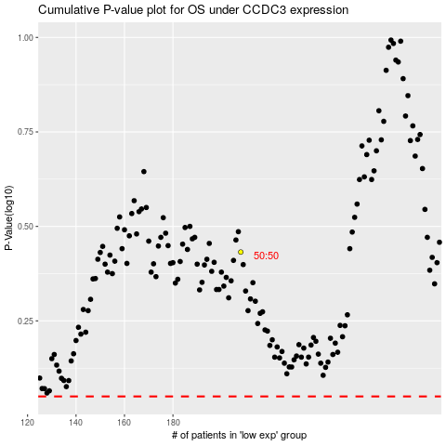

 |  |  |  |  |  | cases_OS | p_OS | rank | exp
 |  |  |  |  |  |  | cases_RFS | p_RFS | rank | exp

