CCDC34 _multivariate
Reported by Tex Li-Hsing Chi. tex@gate.sinica.edu.tw 2019-08-21

Table 2. The clinicopathological features of HNSCC cohort and CCDC34 expression. (Chi square test)
Cutoff at -0.298 (49.8%)
 |  | CCDC34 expression |  | CCDC34 expression |  | (Optimised)
 | Features | Low | (%) | High | (%) | Case no | P-value | Remark | Matthews
Gender | Female | 139 | 33.5 | 167 | 40.2 | 415 | 0.0034 | 1 | 0
2 | Male | 68 | 16.4 | 41 | 9.9
Age at diagnosis | <=65y | 135 | 32.5 | 139 | 33.5 | 415 | 0.8084 | 0 | 0
4 | >65y | 72 | 17.3 | 69 | 16.6
Clinical T Status | T1+T2 | 69 | 16.6 | 80 | 19.3 | 415 | 0.3239 | 0 | 0
6 | T3+T4 | 138 | 33.3 | 128 | 30.8
Clinical N Status | N0 | 114 | 27.5 | 102 | 24.6 | 415 | 0.2576 | 1 | 0
8 | N1-3 | 93 | 22.4 | 106 | 25.5
Clinical M Status | M0 | 205 | 49.4 | 207 | 49.9 | 415 | 0.6232 | 0 | 0
10 | M1 | 2 | 0.5 | 1 | 0.2
Clinical Stage | Stage I+II | 52 | 12.5 | 50 | 12 | 415 | 0.8871 | 0 | 0
12 | Stage III+IV | 155 | 37.3 | 158 | 38.1
Surgical Margin status | Negative | 166 | 40 | 152 | 36.6 | 415 | 0.1042 | 0 | 0
14 | Positive | 41 | 9.9 | 56 | 13.5
Tobacco Exposure | Low | 90 | 21.7 | 71 | 17.1 | 415 | 0.0559 | 0 | 0
16 | High | 117 | 28.2 | 137 | 33

Table 3. Univariate/Multivariate Cox's proportional hazards regression analyses on OS time of CCDC34 gene expression in HNSCC

 |  | Univariate |  |  |  | Multivariate
 | Features | HR | CI95%(L) | CI95%(H) | P-value | HR | CI95%(L) | CI95%(H) | P-value
1 | Female | 1 |  |  |  | 1
Gender | Male | 1.157 | 0.843 | 1.587 | 0.367 | 1.176 | 0.838 | 1.651 | 0.348
11 | <=65y | 1 |  |  |  | 1
Age at diagnosis | >65y | 1.329 | 0.99 | 1.784 | 0.058 | 1.398 | 1.027 | 1.902 | 0.033
12 | T1+T2 | 1 |  |  |  | 1
Clinical T Status | T3+T4 | 1.409 | 1.028 | 1.931 | 0.033 | 2.158 | 1.139 | 4.09 | 0.018
13 | N0 | 1 |  |  |  | 1
Clinical N Status | N1-3 | 1.185 | 0.89 | 1.577 | 0.246 | 1.251 | 0.876 | 1.786 | 0.218
14 | M0 | 1 |  |  |  | 1
Clinical M Status | M1 | 4.097 | 1.009 | 16.644 | 0.049 | 8.873 | 1.922 | 40.969 | 0.005
15 | Stage I+II | 1 |  |  |  | 1
Clinical Stage | Stage III+IV | 1.245 | 0.882 | 1.759 | 0.213 | 0.512 | 0.238 | 1.099 | 0.086
16 | Negative | 1 |  |  |  | 1
Surgical Margin status | Positive | 1.591 | 1.155 | 2.191 | 0.004 | 1.702 | 1.227 | 2.359 | 0.001
17 | Low | 1 |  |  |  | 1
Tobacco Exposure | High | 1.364 | 1.008 | 1.844 | 0.044 | 1.481 | 1.07 | 2.05 | 0.018
18 | Low | 1 |  |  |  | 1
RNAseq(z-score) | High | 0.929 | 0.696 | 1.239 | 0.616 | 0.889 | 0.657 | 1.203 | 0.447

Table 4. Univariate/Multivariate Cox's proportional hazards regression analyses on RFS time of CCDC34 gene expression in HNSCC

 |  | Univariate |  |  |  | Multivariate
 | Features | HR | CI95%(L) | CI95%(H) | P-value | HR | CI95%(L) | CI95%(H) | P-value
1 | Female | 1 |  |  |  | 1
Gender | Male | 1.157 | 0.843 | 1.587 | 0.367 | 1.176 | 0.838 | 1.651 | 0.348
11 | <=65y | 1 |  |  |  | 1
Age at diagnosis | >65y | 1.329 | 0.99 | 1.784 | 0.058 | 1.398 | 1.027 | 1.902 | 0.033
12 | T1+T2 | 1 |  |  |  | 1
Clinical T Status | T3+T4 | 1.409 | 1.028 | 1.931 | 0.033 | 2.158 | 1.139 | 4.09 | 0.018
13 | N0 | 1 |  |  |  | 1
Clinical N Status | N1-3 | 1.185 | 0.89 | 1.577 | 0.246 | 1.251 | 0.876 | 1.786 | 0.218
14 | M0 | 1 |  |  |  | 1
Clinical M Status | M1 | 4.097 | 1.009 | 16.644 | 0.049 | 8.873 | 1.922 | 40.969 | 0.005
15 | Stage I+II | 1 |  |  |  | 1
Clinical Stage | Stage III+IV | 1.245 | 0.882 | 1.759 | 0.213 | 0.512 | 0.238 | 1.099 | 0.086
16 | Negative | 1 |  |  |  | 1
Surgical Margin status | Positive | 1.591 | 1.155 | 2.191 | 0.004 | 1.702 | 1.227 | 2.359 | 0.001
17 | Low | 1 |  |  |  | 1
Tobacco Exposure | High | 1.364 | 1.008 | 1.844 | 0.044 | 1.481 | 1.07 | 2.05 | 0.018
18 | Low | 1 |  |  |  | 1
RNAseq(z-score) | High | 0.929 | 0.696 | 1.239 | 0.616 | 0.889 | 0.657 | 1.203 | 0.447

Kaplan-Meier survival estimate: Cutoff at -0.298 (49.8%)



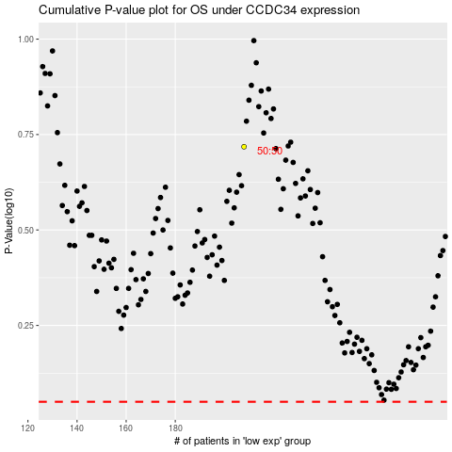

 |  |  |  |  |  | cases_OS | p_OS | rank | exp
 |  |  |  |  |  |  | cases_RFS | p_RFS | rank | exp

